qAF
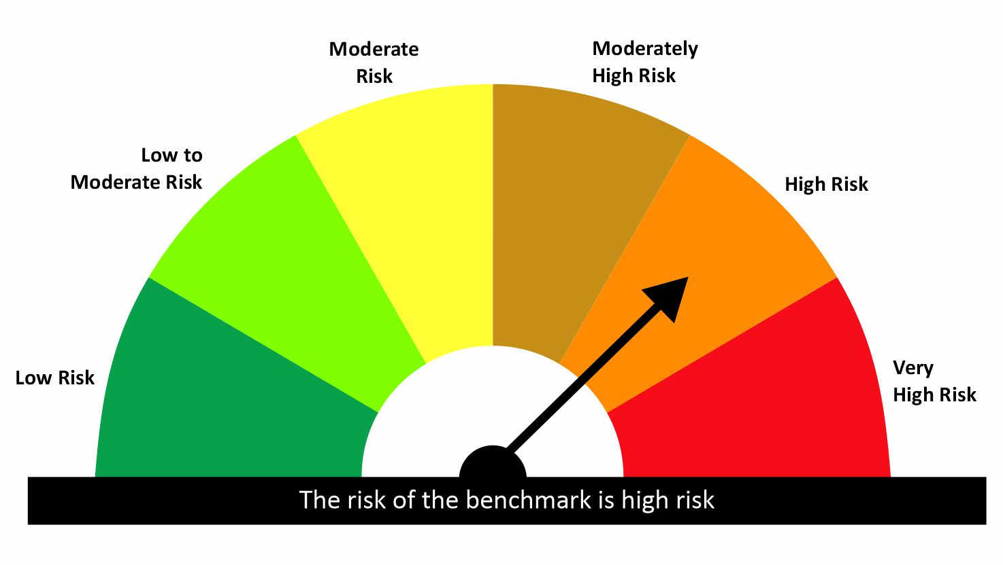
 |  | quant Mutual Fund
 |  | quant Aggressive Hybrid Fund
 |  | Aggressive Hybrid Fund - An open ended hybrid scheme investing predominantly in equity and equity related instruments.
 |  | MONTHLY PORTFOLIO STATEMENT AS ON 31 Jul 2026

SR | ISIN | NAME OF THE INSTRUMENT | RATING | INDUSTRY | QUANTITY | MARKET VALUE(Rs.in Lakhs) | % to NAV | YTM
 |  | EQUITY & EQUITY RELATED
 |  | (a) Listed / awaiting listing on Stock Exchanges
1 | INE090A01021 | ICICI Bank Limited | N.A. | Banks | 1428185 | 20500.17 | 9.43 | -
2 | INE423A01024 | Adani Enterprises Limited | N.A. | Metals & Minerals Trading | 675047 | 20315.54 | 9.34 | -
3 | INE669C01036 | Tech Mahindra Limited | N.A. | IT - Software | 1172941 | 19368.77 | 8.91 | -
4 | INE364U01010 | Adani Green Energy Limited | N.A. | Power | 1361098 | 18823.99 | 8.66 | -
5 | INE406A01037 | Aurobindo Pharma Limited | N.A. | Pharmaceuticals & Biotechnology | 1012165 | 15994.23 | 7.35 | -
6 | INE814H01029 | Adani Power Limited | N.A. | Power | 6902987 | 14586.7 | 6.71 | -
7 | INE467B01029 | Tata Consultancy Services Limited | N.A. | IT - Software | 552589 | 13072.05 | 6.01 | -
8 | INE397D01024 | Bharti Airtel Limited | N.A. | Telecom - Services | 612182 | 12072.23 | 5.55 | -
9 | INE257A01026 | Bharat Heavy Electricals Ltd | N.A. | Electrical Equipment | 1939083 | 7892.07 | 3.63 | -
10 | INE009A01021 | Infosys Limited | N.A. | IT - Software | 512545 | 5792.27 | 2.66 | -
11 | INE237A01036 | Kotak Mahindra Bank Limited | N.A. | Banks | 724062 | 2826.01 | 1.30 | -
12 | INE002A01018 | Reliance Industries Limited | N.A. | Petroleum Products | 144691 | 1892.27 | 0.87 | -
 |  | Sub Total |  |  |  | 153136.3 | 70.42

 |  | (b) Unlisted
 |  | Sub Total

 |  | (c) REIT
 |  | Sub Total
 |  | Total |  |  |  | 153136.3 | 70.42

 |  | DERIVATIVES
 |  | (a) Index / Stock Futures
13 | INFY250826 | Infosys Limited 25/08/2026 | N.A. | IT - Software | 739200 | 8367 | 3.85 | -
14 | KOTAKBANK250826 | Kotak Mahindra Bank Limited 25/08/2026 | N.A. | Banks | 836000 | 3270.43 | 1.50 | -
15 | DIVISLAB250826 | Divi's Laboratories Limited 25/08/2026 | N.A. | Pharmaceuticals & Biotechnology | 8200 | 662.97 | 0.30 | -
 |  | Sub Total |  |  |  | 12300.41 | 5.66

 |  | (b) Index / Stock Options
 |  | Sub Total

 |  | Exchange Traded Commodity Derivatives
 |  | (c) Commodity Futures
 |  | Sub Total

 |  | (d) Commodity Option
 |  | Sub Total
 |  | Total |  |  |  | 12300.41 | 5.66

 |  | DEBT INSTRUMENTS
 |  | (a) Listed / awaited listed on Stock Exchanges
16 | IN2220240229 | 7.23% Maharashtra SDL - 04-Sep-2035 | SOV | N.A. | 5000000 | 4956.17 | 2.28 | 7.36
17 | IN0020240126 | 6.79% GOI - 07-OCT-2034 | SOV | N.A. | 3500000 | 3502.45 | 1.61 | 6.78
18 | INE180C07288 | 9% Capri Global Capital Ltd 30Apr2028 | N.A. | N.A. | 2500000 | 2487.99 | 1.14 | 9.26
19 | IN0020250018 | 6.9% GOI 15-Apr-2065 | SOV | N.A. | 2500000 | 2285.74 | 1.05 | 7.59
20 | IN0020220151 | 7.26% GOI MAT 06-Feb-2033 | SOV | N.A. | 2000000 | 2062.18 | 0.95 | 6.66
21 | IN0020210020 | 6.64% GOI - 16-Jun-2035 | SOV | N.A. | 1833600 | 1811.95 | 0.83 | 6.82
22 | IN0020220144 | 7.29% GOI SGRB MAT 27-Jan-2033 | SOV | N.A. | 1000000 | 1034.64 | 0.48 | 6.62
23 | IN0020210186 | 5.74% GOI - 15-Nov-2026 | SOV | N.A. | 400000 | 400.27 | 0.18 | 5.41
 |  | Sub Total |  |  |  | 18541.38 | 8.53

 |  | (b) Unlisted / Privately Placed
 |  | Sub Total

 |  | (c) Securitised Debt Instruments
 |  | Sub Total
 |  | Total |  |  |  | 18541.38 | 8.53

 |  | MONEY MARKET INSTRUMENTS
 |  | a) Commercial Paper
 |  | Sub Total

 |  | b) CD-Certificate of Deposits
24 | INE556F16BR2 | SIDBI CD 10-Nov-2026 | A1+ | N.A. | 10000000 | 9810.12 | 4.51 | 7.00
 |  | Sub Total |  |  |  | 9810.12 | 4.51

 |  | c) Treasury Bills
25 | IN002025Z468 | 364 Days Treasury Bill 19-Feb-2027 | SOV | N.A. | 10000000 | 9700.05 | 4.46 | 5.59
26 | IN002026Y071 | 182 Days Treasury Bill 19-Nov-2026 | SOV | N.A. | 5000000 | 4920.08 | 2.26 | 5.39
27 | IN000328C053 | Gsec Strip Mat 12/03/28 | SOV | N.A. | 1860800 | 1687.04 | 0.78 | 6.17
 |  | Sub Total |  |  |  | 16307.17 | 7.50

 |  | d) Units of an Alternative Investment Fund (AIF)
 |  | Sub Total
 |  | Total |  |  |  | 26117.29 | 12.01
 |  | FIXED DEPOSITS
 |  | Total

 |  | OTHERS
 |  | (a) Mutual Fund Unit
28 | INF966L01BF7 | QUANT GILT FUND -DIRECT PLAN-GROWTH | N.A. | N.A. | 4999750 | 628.76 | 0.29 | -
 |  | Sub Total |  |  |  | 628.76 | 0.29

 |  | (b) Units of Infrastructure Investment Trust
29 | INE2PB023011 | Raajmarg Infra Investment Trust (InvIT) | N.A. | Transport Infrastructure | 900000 | 1047.96 | 0.48 | -
 |  | Sub Total |  |  |  | 1047.96 | 0.48

 |  | (c) Tri Party Repo (TREPs)
30 | INCBLO030826 | TREPS 03-Aug-2026 DEPO 10 | N.A. | N.A. | 180585.7 | 18053.4 | 8.30 | 5.75
 |  | Sub Total |  |  |  | 18053.4 | 8.30

 |  | (d) Other Receivables (Payables)
31 |  | NCA-NET CURRENT ASSETS | N.A. | N.A. |  | -12354.85 | -5.68
 |  | Sub Total |  |  |  | -12354.85 | -5.68
 |  | Total |  |  |  | 7375.27 | 3.39
 |  | Grand Total |  |  |  | 217470.65 | 100

 | Disclosure for investment in derivative instruments:
 | Hedging Positions through Futures as on 31/07/2026
 | Underlying | Long / Short | Future Price when Purchased | Current price of the contract | Margin maintained in Rs.Lakhs
 | NIL | NIL | - | - | -
 | Total %age of existing assets hedged through futures |  | NIL

 | For the period ended 31/07/2026 the following details are specified for hedging transactions through futures which have been squared off/expired
 | Total Number of contracts where futures were bought |  | NIL
 | Total Number of contracts where futures were sold |  | NIL
 | Gross Notional Value of contracts where futures were bought |  | NIL
 | Gross Notional Value of contracts where futures were sold |  | NIL
 | Net Profit/Loss value on all contracts combined |  | NIL

 | Other than Hedging Positions through Futures as on 31/07/2026
 | Underlying | Long / Short | Future Price when Purchased | Current price of the contract | Margin maintained in Rs.Lakhs
 | Divi's Laboratories Limited 25/08/2026 | Long | 7899.9878 | 8085 | Refer Note 11
 | Infosys Limited 25/08/2026 | Long | 1168.116 | 1131.9 | Refer Note 11
 | Kotak Mahindra Bank Limited 25/08/2026 | Long | 385.75 | 391.2 | Refer Note 11
 | Total Exposure due to futures (non hedging positions) as a %age of net assets |  | 5.66

 | For the period ended 31/07/2026 the following details are specified for non hedging transactions through futures which have been squared off/expired
 | Total number of contracts where futures were bought |  | 5408
 | Total number of contracts where futures were sold (carry forward) |  | 3945
 | Gross Notional value of contracts where future were bought |  | 3291334971.1
 | Gross Notional Value of contracts where futures were sold |  | 2535828031.7
 | Net Profit/Loss value on all contracts combined |  | -755506939.4

 | Hedging Positions through Put Options as on 31/07/2026
 | Underlying | Number of contracts | Option Price when purchased | Current option price
 | NIL | NIL | - | - | -
 | Total %age of existing assets hedged through put options |  | NIL

 | For the period ended 31/07/2026 the following details are specified for hedging transactions through options which have been exercised/expired
 | Total number of contracts entered into |  | NIL
 | Gross Notional value of contracts |  | NIL
 | Net Profit/Loss Value on all contracts (treat premium paid as loss) |  | NIL

 | Other than Hedging Positions through Options as on 31/07/2026
 | Underlying | Call/Put | Number of contracts | Option Price when purchased | Current option price
 | NIL | NIL | - | - | -
 | Total Exposure through options as a %age of net assets |  | NIL

 | For the period ended 31/07/2026 the following details are specified with regard to non-hedging transactions through options which have already been exercised/expired :
 | Total number of contracts entered into |  | NIL
 | Gross Notional value of contracts |  | NIL
 | Net Profit/Loss Value on all contracts (treat premium paid as loss) |  | NIL

 |  | Notes :-

 | 1 | NAV History
 |  | SCHEME | NAV as on 31 Jul 2026 | NAV as on 30 Jun 2026
 |  | quant Aggressive Hybrid Fund - Growth | 469.9919 | 467.5472
 |  | quant Aggressive Hybrid Fund - Growth - Direct Plan | 518.8141 | 515.5411
 |  | quant Aggressive Hybrid Fund - IDCW | 64.8246 | 64.4876
 |  | quant Aggressive Hybrid Fund - IDCW - Direct Plan | 71.8575 | 71.4043

 | 2 | Total Below investment grade or default provided for is NIL.
 | 3 | Dividend declared during the period is NIL
 | 4 | Bonus declared during the period is NIL
 | 5 | Total outstanding exposure in derivatives instruments as on 31-Jul-2026 is 5.66%
 | 6 | Total Investments in foreign securities/ADRs / GDRs as on 31-Jul-2026 is NIL
 | 7 | The annual Portfolio Turnover Ratio is 2.93 times / The Average Maturity period is 1588 Days
 | 8 | The funds parked in short term deposit(s) as on 31-Jul-2026 were NIL
 | 9 | Total value and percentage of Illiquid Equity Shares is Nil
 | 10 | Total Repo in Corporate Debt is Nil
 | 11 | Margin maintained for derivative instruments is Rs. 17049.95 Lakhs

 | Risk-o-meter of the Scheme

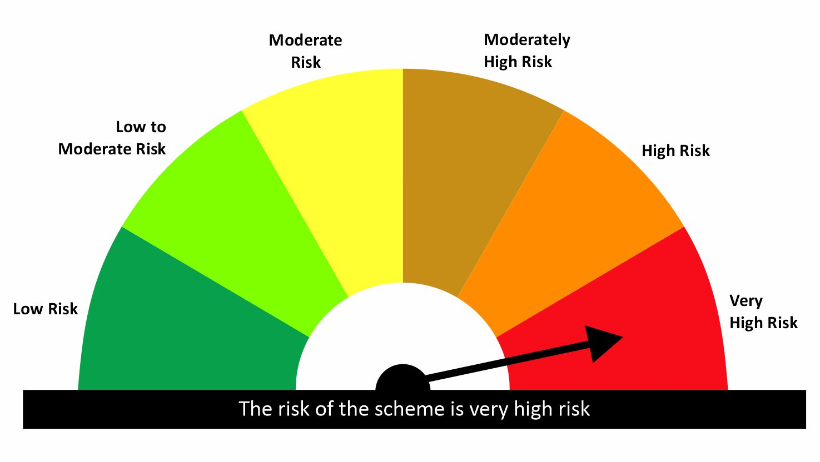

 | Risk-o-meter of the Benchmark- NIFTY 50 Hybrid Composite Debt 65:35 Index

qMMO

 |  | quant Mutual Fund
 |  | quant Momentum Fund
 |  | An open ended equity scheme following momentum theme
 |  | MONTHLY PORTFOLIO STATEMENT AS ON 31 Jul 2026

SR | ISIN | NAME OF THE INSTRUMENT | RATING | INDUSTRY | QUANTITY | MARKET VALUE(Rs.in Lakhs) | % to NAV | YTM
 |  | EQUITY & EQUITY RELATED
 |  | (a) Listed / awaiting listing on Stock Exchanges
1 | INE202B01038 | Piramal Finance Ltd | N.A. | Finance | 645669 | 13271.73 | 9.79 | -
2 | INE121J01017 | Indus Towers Limited | N.A. | Telecom - Services | 3194178 | 12492.43 | 9.22 | -
3 | INE423A01024 | Adani Enterprises Limited | N.A. | Metals & Minerals Trading | 395958 | 11916.36 | 8.79 | -
4 | INE364U01010 | Adani Green Energy Limited | N.A. | Power | 827061 | 11438.25 | 8.44 | -
5 | INE406A01037 | Aurobindo Pharma Limited | N.A. | Pharmaceuticals & Biotechnology | 708612 | 11197.49 | 8.26 | -
6 | INE257A01026 | Bharat Heavy Electricals Ltd | N.A. | Electrical Equipment | 1498636 | 6099.45 | 4.50 | -
7 | INE093A01041 | Hexaware Technologies Limited | N.A. | IT - Software | 1039372 | 5837.63 | 4.31 | -
8 | INE669C01036 | Tech Mahindra Limited | N.A. | IT - Software | 347215 | 5733.56 | 4.23 | -
9 | INE002A01018 | Reliance Industries Limited | N.A. | Petroleum Products | 406879 | 5321.16 | 3.93 | -
10 | INE397D01024 | Bharti Airtel Limited | N.A. | Telecom - Services | 218606 | 4310.91 | 3.18 | -
11 | INE548A01028 | HFCL Limited | N.A. | Telecom - Services | 1926274 | 3735.43 | 2.76 | -
12 | INE528G01035 | YES Bank Ltd. | N.A. | Banks | 8426289 | 1918.67 | 1.42 | -
 |  | Sub Total |  |  |  | 93273.07 | 68.81

 |  | (b) Unlisted
 |  | Sub Total

 |  | (c) REIT
 |  | Sub Total
 |  | Total |  |  |  | 93273.07 | 68.81

 |  | DERIVATIVES
 |  | (a) Index / Stock Futures
13 | TCS250826 | Tata Consultancy Services Limited 25/08/2026 | N.A. | IT - Software | 455625 | 10830.21 | 7.99 | -
14 | KOTAKBANK250826 | Kotak Mahindra Bank Limited 25/08/2026 | N.A. | Banks | 2130000 | 8332.56 | 6.15 | -
15 | DIVISLAB250826 | Divi's Laboratories Limited 25/08/2026 | N.A. | Pharmaceuticals & Biotechnology | 97500 | 7882.88 | 5.82 | -
16 | DLF250826 | DLF Limited 25/08/2026 | N.A. | Realty | 1030750 | 6810.68 | 5.02 | -
17 | WIPRO250826 | Wipro Ltd 25/08/2026 | N.A. | IT - Software | 2166000 | 3986.09 | 2.94 | -
 |  | Sub Total |  |  |  | 37842.41 | 27.92

 |  | (b) Index / Stock Options
 |  | Sub Total

 |  | Exchange Traded Commodity Derivatives
 |  | (c) Commodity Futures
 |  | Sub Total

 |  | (d) Commodity Option
 |  | Sub Total
 |  | Total |  |  |  | 37842.41 | 27.92

 |  | DEBT INSTRUMENTS
 |  | (a) Listed / awaited listed on Stock Exchanges
 |  | Sub Total

 |  | (b) Unlisted / Privately Placed
 |  | Sub Total

 |  | (c) Securitised Debt Instruments
 |  | Sub Total
 |  | Total

 |  | MONEY MARKET INSTRUMENTS
 |  | a) Commercial Paper
 |  | Sub Total

 |  | b) CD-Certificate of Deposits
 |  | Sub Total

 |  | c) Treasury Bills
18 | IN002026X057 | 91 Days Treasury Bill 06-Aug-2026 | SOV | N.A. | 1000000 | 999.3 | 0.74 | 5.15
19 | IN002026X065 | 91 Days Treasury Bill 13-Aug-2026 | SOV | N.A. | 1000000 | 998.29 | 0.74 | 5.20
20 | IN002026X073 | 91 Days Treasury Bill 20-Aug-2026 | SOV | N.A. | 1000000 | 997.31 | 0.74 | 5.19
21 | IN002026X081 | 91 Days Treasury Bill 28-Aug-2026 | SOV | N.A. | 1000000 | 996.17 | 0.73 | 5.19
22 | IN002026X099 | 91 Days Treasury Bill 03-Sep-2026 | SOV | N.A. | 1000000 | 995.32 | 0.73 | 5.21
23 | IN002026X107 | 91 Days Treasury Bill 10-Sep-2026 | SOV | N.A. | 1000000 | 994.33 | 0.73 | 5.21
24 | IN002026X115 | 91 Days Treasury Bill 17-Sep-2026 | SOV | N.A. | 1000000 | 993.32 | 0.73 | 5.23
25 | IN002026X156 | 91 Days Treasury Bill 15-Oct-2026 | SOV | N.A. | 1000000 | 989.23 | 0.73 | 5.30
26 | IN002026X164 | 91 Days Treasury Bill 22-Oct-2026 | SOV | N.A. | 1000000 | 988.18 | 0.73 | 5.32
27 | IN002026X172 | 91 Days Treasury Bill 29-Oct-2026 | SOV | N.A. | 1000000 | 987.19 | 0.73 | 5.32
 |  | Sub Total |  |  |  | 9938.63 | 7.33

 |  | d) Units of an Alternative Investment Fund (AIF)
 |  | Sub Total
 |  | Total |  |  |  | 9938.63 | 7.33
 |  | FIXED DEPOSITS
 |  | Total

 |  | OTHERS
 |  | (a) Mutual Fund Unit
 |  | Sub Total

 |  | (b) Units of Infrastructure Investment Trust
 |  | Sub Total

 |  | (c) Tri Party Repo (TREPs)
28 | INCBLO030826 | TREPS 03-Aug-2026 DEPO 10 | N.A. | N.A. | 309584 | 30949.54 | 22.83 | 5.75
 |  | Sub Total |  |  |  | 30949.54 | 22.83

 |  | (d) Other Receivables (Payables)
29 |  | NCA-NET CURRENT ASSETS | N.A. | N.A. |  | -36445.81 | -26.89
 |  | Sub Total |  |  |  | -36445.81 | -26.89
 |  | Total |  |  |  | -5496.27 | -4.05
 |  | Grand Total |  |  |  | 135557.83 | 100

 | Disclosure for investment in derivative instruments:
 | Hedging Positions through Futures as on 31/07/2026
 | Underlying | Long / Short | Future Price when Purchased | Current price of the contract | Margin maintained in Rs.Lakhs
 | NIL | NIL | - | - | -
 | Total %age of existing assets hedged through futures |  | NIL

 | For the period ended 31/07/2026 the following details are specified for hedging transactions through futures which have been squared off/expired
 | Total Number of contracts where futures were bought |  | NIL
 | Total Number of contracts where futures were sold |  | NIL
 | Gross Notional Value of contracts where futures were bought |  | NIL
 | Gross Notional Value of contracts where futures were sold |  | NIL
 | Net Profit/Loss value on all contracts combined |  | NIL

 | Other than Hedging Positions through Futures as on 31/07/2026
 | Underlying | Long / Short | Future Price when Purchased | Current price of the contract | Margin maintained in Rs.Lakhs
 | Divi's Laboratories Limited 25/08/2026 | Long | 7548.0405 | 8085 | Refer Note 11
 | DLF Limited 25/08/2026 | Long | 642.2837 | 660.75 | Refer Note 11
 | Kotak Mahindra Bank Limited 25/08/2026 | Long | 385.7022 | 391.2 | Refer Note 11
 | Tata Consultancy Services Limited 25/08/2026 | Long | 2345.2414 | 2377 | Refer Note 11
 | Wipro Ltd 25/08/2026 | Long | 184.984 | 184.03 | Refer Note 11
 | Total Exposure due to futures (non hedging positions) as a %age of net assets |  | 27.92

 | For the period ended 31/07/2026 the following details are specified for non hedging transactions through futures which have been squared off/expired
 | Total number of contracts where futures were bought |  | 12854
 | Total number of contracts where futures were sold (carry forward) |  | 10374
 | Gross Notional value of contracts where future were bought |  | 7980217702.4
 | Gross Notional Value of contracts where futures were sold |  | 6458042543.6
 | Net Profit/Loss value on all contracts combined |  | -1522175158.8

 | Hedging Positions through Put Options as on 31/07/2026
 | Underlying | Number of contracts | Option Price when purchased | Current option price
 | NIL | NIL | - | - | -
 | Total %age of existing assets hedged through put options |  | NIL

 | For the period ended 31/07/2026 the following details are specified for hedging transactions through options which have been exercised/expired
 | Total number of contracts entered into |  | NIL
 | Gross Notional value of contracts |  | NIL
 | Net Profit/Loss Value on all contracts (treat premium paid as loss) |  | NIL

 | Other than Hedging Positions through Options as on 31/07/2026
 | Underlying | Call/Put | Number of contracts | Option Price when purchased | Current option price
 | NIL | NIL | - | - | -
 | Total Exposure through options as a %age of net assets |  | NIL

 | For the period ended 31/07/2026 the following details are specified with regard to non-hedging transactions through options which have already been exercised/expired :
 | Total number of contracts entered into |  | NIL
 | Gross Notional value of contracts |  | NIL
 | Net Profit/Loss Value on all contracts (treat premium paid as loss) |  | NIL

 |  | Notes :-

 | 1 | NAV History
 |  | SCHEME | NAV as on 31 Jul 2026 | NAV as on 30 Jun 2026
 |  | Quant Momentum Fund-Growth | 15.2735 | 15.3606
 |  | Quant Momentum Fund-Growth-Direct Plan | 15.8083 | 15.8823
 |  | Quant Momentum Fund-IDCW | 15.2251 | 15.3119
 |  | Quant Momentum Fund-IDCW-Direct Plan | 15.7922 | 15.8662

 | 2 | Total Below investment grade or default provided for is NIL.
 | 3 | Dividend declared during the period is NIL
 | 4 | Bonus declared during the period is NIL
 | 5 | Total outstanding exposure in derivatives instruments as on 31-Jul-2026 is 27.92%
 | 6 | Total Investments in foreign securities/ADRs / GDRs as on 31-Jul-2026 is NIL
 | 7 | The annual Portfolio Turnover Ratio is 6.81 times / The Average Maturity period is 0 Days
 | 8 | The funds parked in short term deposit(s) as on 31-Jul-2026 were NIL
 | 9 | Total value and percentage of Illiquid Equity Shares is Nil
 | 10 | Total Repo in Corporate Debt is Nil
 | 11 | Margin maintained for derivative instruments is Rs. 11416.03 Lakhs

 | Risk-o-meter of the Scheme

 | Risk-o-meter of the Benchmark- NIFTY 500 TRI

qMAB
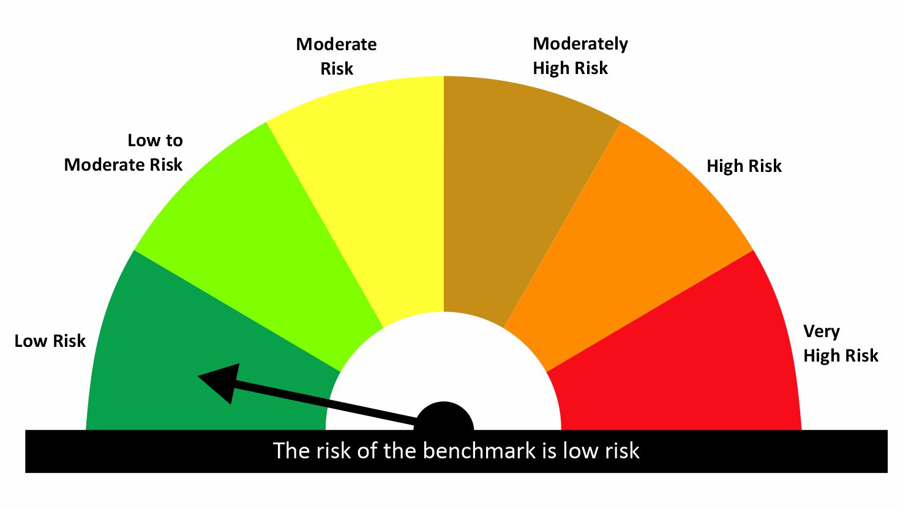
 |  | quant Mutual Fund
 |  | quant Arbitrage Fund
 |  | An open ended scheme investing in arbitrage opportunities.
 |  | MONTHLY PORTFOLIO STATEMENT AS ON 31 Jul 2026

SR | ISIN | NAME OF THE INSTRUMENT |  | INDUSTRY | QUANTITY | MARKET VALUE(Rs.in Lakhs) | % to NAV | YTM | Hedged Quantity | Hedged % to NAV
 |  | EQUITY & EQUITY RELATED
 |  | (a) Listed / awaiting listing on Stock Exchanges
1 | INE002A01018 | Reliance Industries Limited |  | Petroleum Products | 260500 | 3406.82 | 4.56 | - | -260500 | -4.568369
2 | INE795G01014 | HDFC Life Insurance Co Ltd |  | Insurance | 617100 | 3384.79 | 4.53 | - | -617100 | -4.550653
3 | INE881D01027 | Oracle Financial Services Software Ltd |  | IT - Software | 26000 | 2908.36 | 3.89 | - | -26000 | -3.897549
4 | INE095N01031 | National Building Construction Corp |  | Construction | 2717000 | 2575.72 | 3.44 | - | -2717000 | -3.457402
5 | INE213A01029 | Oil and Natural Gas Corporation Ltd. |  | Oil | 1062000 | 2575.67 | 3.44 | - | -1062000 | -3.441638
6 | INE062A01020 | State Bank of India |  | Banks | 189750 | 1949.49 | 2.61 | - | -189750 | -2.620386
7 | INE121A01024 | Cholamandalam Investment & Finance Co |  | Finance | 100000 | 1849.9 | 2.47 | - | -100000 | -2.483495
8 | INE200M01039 | Varun Beverages Limited |  | Beverages | 364650 | 1612.85 | 2.16 | - | -364650 | -2.168189
9 | INE160A01022 | Punjab National Bank |  | Banks | 1424000 | 1604.99 | 2.15 | - | -1424000 | -2.156749
10 | INE040A01034 | HDFC Bank Limited |  | Banks | 204750 | 1531.84 | 2.05 | - | -204750 | -2.059174
11 | INE102D01028 | Godrej Consumer Products Limited |  | Personal Products | 130500 | 1396.87 | 1.87 | - | -130500 | -1.866214
12 | INE742F01042 | Adani Ports & Special Economic Zone Ltd |  | Transport Infrastructure | 81700 | 1386.04 | 1.85 | - | -81700 | -1.861624
13 | INE154A01025 | ITC Limited |  | Diversified FMCG | 484725 | 1362.08 | 1.82 | - | -484725 | -1.826787
14 | INE257A01026 | Bharat Heavy Electricals Ltd |  | Electrical Equipment | 286125 | 1164.53 | 1.56 | - | -286125 | -1.565441
15 | INE775A01035 | Samvardhana Motherson International Ltd |  | Auto Components | 768750 | 1158.89 | 1.55 | - | -768750 | -1.558604
16 | INE030A01027 | Hindustan Unilever Limited |  | Diversified FMCG | 50100 | 1052.75 | 1.41 | - | -50100 | -1.411134
17 | INE721A01047 | Shriram Finance Limited |  | Finance | 97350 | 1018.96 | 1.36 | - | -97350 | -1.367026
18 | INE758E01017 | Jio Financial Services Limited |  | Finance | 397150 | 1018.53 | 1.36 | - | -397150 | -1.366826
19 | INE692A01016 | Union Bank of India |  | Banks | 588525 | 1007.79 | 1.35 | - | -588525 | -1.353691
20 | INE397D01024 | Bharti Airtel Limited |  | Telecom - Services | 49400 | 974.17 | 1.30 | - | -49400 | -1.305795
21 | INE04I401011 | KPIT Technologies Limited |  | IT - Software | 161200 | 964.62 | 1.29 | - | -161200 | -1.280353
22 | INE733E01010 | NTPC Limited |  | Power | 273000 | 947.99 | 1.27 | - | -273000 | -1.270737
23 | INE522D01027 | Manappuram Finance Ltd |  | Finance | 246000 | 914.75 | 1.22 | - | -246000 | -1.228788
24 | INE094A01015 | Hindustan Petroleum Corporation Ltd |  | Petroleum Products | 230850 | 899.74 | 1.20 | - | -230850 | -1.209611
25 | INE982J01020 | One 97 Communications Limited |  | Financial Technology (Fintech) | 65975 | 886.04 | 1.18 | - | -65975 | -1.186204
26 | INE814H01029 | Adani Power Limited |  | Power | 418900 | 885.18 | 1.18 | - | -418900 | -1.189692
27 | INE066F01020 | Hindustan Aeronautics Limited |  | Aerospace & Defense | 18450 | 857.28 | 1.15 | - | -18450 | -1.148695
28 | INE669E01016 | Vodafone Idea Ltd. |  | Telecom - Services | 6575700 | 855.5 | 1.14 | - | -6575700 | -1.149394
29 | INE528G01035 | YES Bank Ltd. |  | Banks | 3732000 | 849.78 | 1.14 | - | -3732000 | -1.13946
30 | INE296A01032 | Bajaj Finance Limited |  | Finance | 72000 | 821.66 | 1.10 | - | -72000 | -1.102335
31 | INE406A01037 | Aurobindo Pharma Limited |  | Pharmaceuticals & Biotechnology | 49500 | 782.2 | 1.05 | - | -49500 | -1.048869
32 | INE115A01026 | LIC Housing Finance Ltd |  | Finance | 143000 | 748.03 | 1.00 | - | -143000 | -0.985766
33 | INE121J01017 | Indus Towers Limited |  | Telecom - Services | 166600 | 651.57 | 0.87 | - | -166600 | -0.876295
34 | INE726G01019 | ICICI Prudential Life Insurance Co Ltd |  | Insurance | 116550 | 600.7 | 0.80 | - | -116550 | -0.806084
35 | INE073K01018 | Sona BLW Precision Forgings Limited |  | Auto Components | 74725 | 574.93 | 0.77 | - | -74725 | -0.76805
36 | INE364U01010 | Adani Green Energy Limited |  | Power | 40800 | 564.26 | 0.75 | - | -40800 | -0.758394
37 | INE029A01011 | Bharat Petroleum Corp Ltd |  | Petroleum Products | 165900 | 530.47 | 0.71 | - | -165900 | -0.712534
38 | INE016A01026 | Dabur India Limited |  | Personal Products | 121250 | 511.01 | 0.68 | - | -121250 | -0.685028
39 | INE584A01023 | NMDC Ltd |  | Minerals & Mining | 594000 | 505.14 | 0.68 | - | -594000 | -0.677621
40 | INE019A01038 | JSW Steel Limited |  | Ferrous Metals | 38475 | 488.63 | 0.65 | - | -38475 | -0.657136
41 | INE918I01026 | Bajaj Finserv Ltd. |  | Finance | 23700 | 480.9 | 0.64 | - | -23700 | -0.645387
42 | INE628A01036 | UPL Limited |  | Fertilizers & Agrochemicals | 78590 | 474.92 | 0.64 | - | -78590 | -0.638559
43 | INE245A01021 | Tata Power Company Limited |  | Power | 120350 | 458.17 | 0.61 | - | -120350 | -0.614516
44 | INE423A01024 | Adani Enterprises Limited |  | Metals & Minerals Trading | 15141 | 455.67 | 0.61 | - | -15141 | -0.612637
45 | INE127D01025 | HDFC Asset Management Company Ltd |  | Capital Markets | 17400 | 455.15 | 0.61 | - | -17400 | -0.611309
46 | INE090A01021 | ICICI Bank Limited |  | Banks | 31500 | 452.15 | 0.60 | - | -31500 | -0.602544
47 | INE066A01021 | Eicher Motors Ltd |  | Automobiles | 5500 | 430.84 | 0.58 | - | -5500 | -0.578145
48 | INE361B01024 | Divi's Laboratories Limited |  | Pharmaceuticals & Biotechnology | 4700 | 378.63 | 0.51 | - | -4700 | -0.508194
49 | INE238A01034 | Axis Bank Limited |  | Banks | 26875 | 330.43 | 0.44 | - | -26875 | -0.443953
50 | INE476A01022 | Canara Bank |  | Banks | 256500 | 320.57 | 0.43 | - | -256500 | -0.429755
51 | INE114A01011 | Steel Authority of India Ltd |  | Ferrous Metals | 173900 | 293.94 | 0.39 | - | -173900 | -0.393785
52 | INE192A01025 | Tata Consumer Products Ltd |  | Agricultural Food & other Products | 26400 | 285.94 | 0.38 | - | -26400 | -0.384382
53 | INE021A01026 | Asian Paints Limited |  | Consumer Durables | 10000 | 274.73 | 0.37 | - | -10000 | -0.367991
54 | INE237A01036 | Kotak Mahindra Bank Limited |  | Banks | 62000 | 241.99 | 0.32 | - | -62000 | -0.324371
55 | INE752E01010 | Power Grid Corporation of India Limited |  | Power | 81700 | 232.23 | 0.31 | - | -81700 | -0.310635
56 | INE484J01027 | Godrej Properties Limited |  | Realty | 10725 | 225.84 | 0.30 | - | -10725 | -0.303131
57 | INE376G01013 | Biocon Ltd |  | Pharmaceuticals & Biotechnology | 50000 | 212.85 | 0.28 | - | -50000 | -0.285729
58 | INE371P01015 | Amber Enterprises India Ltd |  | Consumer Durables | 2800 | 208.33 | 0.28 | - | -2800 | -0.279949
59 | INE084A01016 | Bank of India |  | Banks | 150800 | 208.03 | 0.28 | - | -150800 | -0.278998
60 | INE208A01029 | Ashok Leyland Limited |  | Agricultural, Commercial & Construction Vehicles | 125000 | 207.73 | 0.28 | - | -125000 | -0.278591
61 | INE545U01014 | Bandhan Bank Ltd. |  | Banks | 100800 | 175.52 | 0.23 | - | -100800 | -0.233944
62 | INE263A01024 | Bharat Electronics Ltd |  | Aerospace & Defense | 44175 | 171.33 | 0.23 | - | -44175 | -0.230287
63 | INE027H01010 | Max Healthcare Institute Limited |  | Healthcare Services | 13650 | 149.95 | 0.20 | - | -13650 | -0.201536
64 | INE274J01014 | Oil India Limited |  | Oil | 32200 | 147.67 | 0.20 | - | -32200 | -0.198113
65 | INE010B01027 | Zydus Lifesciences Limited |  | Pharmaceuticals & Biotechnology | 11700 | 131.84 | 0.18 | - | -11700 | -0.177236
66 | INE776C01039 | GMR Airports Limited |  | Transport Infrastructure | 118575 | 124.81 | 0.17 | - | -118575 | -0.167792
67 | INE596I01020 | Computer Age Management Services Ltd |  | Capital Markets | 15675 | 124.8 | 0.17 | - | -15675 | -0.167339
68 | INE018A01030 | Larsen & Toubro Limited |  | Construction | 3150 | 124.08 | 0.17 | - | -3150 | -0.166583
 |  | Sub Total |  |  |  | 57559.55 | 76.98

 |  | (b) Unlisted
 |  | Sub Total

 |  | (c) REIT
 |  | Sub Total
 |  | Total |  |  |  | 57559.55 | 76.98

 |  | DERIVATIVES
 |  | (a) Index / Stock Futures
 |  | Sub Total |  |  |  | -57727.64 | -77.20

 |  | (b) Index / Stock Options
 |  | Sub Total

 |  | Exchange Traded Commodity Derivatives
 |  | (c) Commodity Futures
 |  | Sub Total

 |  | (d) Commodity Option
 |  | Sub Total
 |  | Total |  |  |  | -57727.64 | -77.20

 |  | DEBT INSTRUMENTS
 |  | (a) Listed / awaited listed on Stock Exchanges
 |  | Sub Total

 |  | (b) Unlisted / Privately Placed
 |  | Sub Total

 |  | (c) Securitised Debt Instruments
 |  | Sub Total
 |  | Total

 |  | MONEY MARKET INSTRUMENTS
 |  | a) Commercial Paper
 |  | Sub Total

 |  | b) CD-Certificate of Deposits
 |  | Sub Total

 |  | c) Treasury Bills
69 | IN002026Z136 | 364 Days Treasury Bill 01-Jul-2027 |  | N.A. | 2000000 | 1900.64 | 2.54 | 5.71
70 | IN002026Z177 | 364 Days Treasury Bill 29-Jul-2027 |  | N.A. | 2000000 | 1892.76 | 2.53 | 5.71
71 | IN002026Z078 | 364 Days Treasury Bill 20-May-2027 |  | N.A. | 1500000 | 1435.46 | 1.92 | 5.62
72 | IN002026Z086 | 364 Days Treasury Bill 28-May-2027 |  | N.A. | 1500000 | 1433.76 | 1.92 | 5.62
73 | IN002026Z011 | 364 Days Treasury Bill 08-Apr-2027 |  | N.A. | 1000000 | 963.1 | 1.29 | 5.59
74 | IN002026Z045 | 364 Days Treasury Bill 29-Apr-2027 |  | N.A. | 1000000 | 960.12 | 1.28 | 5.59
75 | IN002026Z151 | 364 Days Treasury Bill 15-Jul-2027 |  | N.A. | 1000000 | 948.35 | 1.27 | 5.71
76 | IN002026Z169 | 364 Days Treasury Bill 22-Jul-2027 |  | N.A. | 1000000 | 947.43 | 1.27 | 5.71
77 | IN002025Z484 | 364 Days Treasury Bill 04-Mar-2027 |  | N.A. | 500000 | 484.09 | 0.65 | 5.58
78 | IN002026Z029 | 364 Days Treasury Bill 15-Apr-2027 |  | N.A. | 500000 | 481.05 | 0.64 | 5.59
79 | IN002025Z500 | 364 Days Treasury Bill 19-Mar-2027 |  | N.A. | 300000 | 289.81 | 0.39 | 5.58
 |  | Sub Total |  |  |  | 11736.56 | 15.70

 |  | d) Units of an Alternative Investment Fund (AIF)
 |  | Sub Total
 |  | Total |  |  |  | 11736.56 | 15.70
 |  | FIXED DEPOSITS
 |  | Total

 |  | OTHERS
 |  | (a) Mutual Fund Unit
80 | INF966L01820 | Quant Liquid Fund-Growth -Direct Plan |  | N.A. | 5066716.42 | 2287.91 | 3.06 | -
 |  | Sub Total |  |  |  | 2287.91 | 3.06

 |  | (b) Units of Infrastructure Investment Trust
 |  | Sub Total

 |  | (c) Tri Party Repo (TREPs)
81 | INCBLO030826 | TREPS 03-Aug-2026 DEPO 10 |  | N.A. | 36495.8 | 3648.53 | 4.88 | 5.75
 |  | Sub Total |  |  |  | 3648.53 | 4.88

 |  | (d) Other Receivables (Payables)
82 |  | NCA-NET CURRENT ASSETS |  | N.A. |  | -458.9 | -0.61
 |  | Sub Total |  |  |  | -458.9 | -0.61
 |  | Total |  |  |  | 5477.54 | 7.33
 |  | Grand Total |  |  |  | 74773.65 | 100

 | Disclosure for investment in derivative instruments:
 | Hedging Positions through Futures as on 31/07/2026
 | Underlying | Long / Short | Future Price when Purchased | Current price of the contract | Margin maintained in Rs.Lakhs
 | Adani Enterprises Limited 25/08/2026 | Short | 3069.1612 | 3025.5
 | Adani Green Energy Limited 25/08/2026 | Short | 1441.3926 | 1389.9
 | Adani Ports & Special Economic Zone Ltd 25/08/2026 | Short | 1795.8959 | 1703.8
 | Ashok Leyland Limited 25/08/2026 | Short | 152.228 | 166.65
 | Asian Paints Limited 25/08/2026 | Short | 2692.2125 | 2751.6
 | Aurobindo Pharma Limited 25/08/2026 | Short | 1558.7111 | 1584.4
 | Axis Bank Limited 25/08/2026 | Short | 1272.086 | 1235.2
 | Bajaj Finserv Ltd. 25/08/2026 | Short | 1892.6494 | 2036.2
 | Bajaj Finance Limited 25/08/2026 | Short | 1034.9771 | 1144.8
 | Bandhan Bank Ltd. 25/08/2026 | Short | 166.61 | 173.54
 | Bank of India 25/08/2026 | Short | 141.4452 | 138.34
 | Bharat Electronics Ltd 25/08/2026 | Short | 405.5387 | 389.8
 | Bharti Airtel Limited 25/08/2026 | Short | 1836.676 | 1976.5
 | Bharat Heavy Electricals Ltd 25/08/2026 | Short | 412.7202 | 409.1
 | Biocon Ltd 25/08/2026 | Short | 435.59 | 427.3
 | Bharat Petroleum Corp Ltd 25/08/2026 | Short | 313.1357 | 321.15
 | Computer Age Management Services Ltd 25/08/2026 | Short | 766.3158 | 798.25
 | Canara Bank 25/08/2026 | Short | 126.4395 | 125.28
 | Cholamandalam Investment & Finance Co 25/08/2026 | Short | 1687.5206 | 1857
 | Dabur India Limited 25/08/2026 | Short | 426.101 | 422.45
 | Divi's Laboratories Limited 25/08/2026 | Short | 7392.1277 | 8085
 | Eicher Motors Ltd 25/08/2026 | Short | 7635.1091 | 7860
 | GMR Airports Limited 25/08/2026 | Short | 107.497 | 105.81
 | Godrej Consumer Products Limited 25/08/2026 | Short | 1065.4184 | 1069.3
 | Godrej Properties Limited 25/08/2026 | Short | 2050.3849 | 2113.4
 | Hindustan Aeronautics Limited 25/08/2026 | Short | 4606.5138 | 4655.4
 | HDFC Asset Management Company Ltd 25/08/2026 | Short | 2542.6362 | 2627
 | HDFC Bank Limited 25/08/2026 | Short | 785.7511 | 752
 | HDFC Life Insurance Co Ltd 25/08/2026 | Short | 551.8275 | 551.4
 | Hindustan Petroleum Corporation Ltd 25/08/2026 | Short | 386.2219 | 391.8
 | Hindustan Unilever Limited 25/08/2026 | Short | 2157.8784 | 2106.1
 | ICICI Bank Limited 25/08/2026 | Short | 1428.0911 | 1430.3
 | ICICI Prudential Life Insurance Co Ltd 25/08/2026 | Short | 505.7349 | 517.15
 | Vodafone Idea Ltd. 25/08/2026 | Short | 13.2033 | 13.07
 | Indus Towers Limited 25/08/2026 | Short | 392.4092 | 393.3
 | ITC Limited 25/08/2026 | Short | 287.0589 | 281.8
 | Jio Financial Services Limited 25/08/2026 | Short | 240.943 | 257.34
 | JSW Steel Limited 25/08/2026 | Short | 1264.3631 | 1277.1
 | Kotak Mahindra Bank Limited 25/08/2026 | Short | 384.8338 | 391.2
 | KPIT Technologies Limited 25/08/2026 | Short | 595.6341 | 593.9
 | LIC Housing Finance Ltd 25/08/2026 | Short | 527.35 | 515.45
 | Larsen & Toubro Limited 25/08/2026 | Short | 3846.1167 | 3954.3
 | Manappuram Finance Ltd 25/08/2026 | Short | 358.3939 | 373.5
 | Max Healthcare Institute Limited 25/08/2026 | Short | 1111.1115 | 1104
 | Samvardhana Motherson International Ltd 25/08/2026 | Short | 147.7748 | 151.6
 | National Building Construction Corp 25/08/2026 | Short | 95.4547 | 95.15
 | NMDC Ltd 25/08/2026 | Short | 84.33 | 85.3
 | NTPC Limited 25/08/2026 | Short | 345.5305 | 348.05
 | Oracle Financial Services Software Ltd 25/08/2026 | Short | 10725 | 11209
 | Oil India Limited 25/08/2026 | Short | 441.4065 | 460.05
 | Oil and Natural Gas Corporation Ltd. 25/08/2026 | Short | 239.8141 | 242.32
 | One 97 Communications Limited 25/08/2026 | Short | 1276.5792 | 1344.4
 | Punjab National Bank 25/08/2026 | Short | 110.834 | 113.25
 | Power Grid Corporation of India Limited 25/08/2026 | Short | 289.3012 | 284.3
 | Reliance Industries Limited 25/08/2026 | Short | 1308.8674 | 1311.3
 | Steel Authority of India Ltd 25/08/2026 | Short | 163.62 | 169.32
 | State Bank of India 25/08/2026 | Short | 1022.5684 | 1032.6
 | Shriram Finance Limited 25/08/2026 | Short | 1018.4212 | 1050
 | Sona BLW Precision Forgings Limited 25/08/2026 | Short | 718 | 768.55
 | Tata Consumer Products Ltd 25/08/2026 | Short | 1112.0167 | 1088.7
 | Tata Power Company Limited 25/08/2026 | Short | 375.5006 | 381.8
 | Union Bank of India 25/08/2026 | Short | 170.7893 | 171.99
 | UPL Limited 25/08/2026 | Short | 609.7 | 607.55
 | Varun Beverages Limited 25/08/2026 | Short | 467.386 | 444.6
 | YES Bank Ltd. 25/08/2026 | Short | 23.2617 | 22.83
 | Zydus Lifesciences Limited 25/08/2026 | Short | 1124.4538 | 1132.7
 | Amber Enterprises India Ltd 25/08/2026 | Short | 7266.7679 | 7476
 | Adani Power Limited 25/08/2026 | Short | 212.7905 | 212.36
 | Total %age of existing assets hedged through futures |  | 77.2

 | For the period ended 31/07/2026 the following details are specified for hedging transactions through futures which have been squared off/expired
 | Total Number of contracts where futures were bought |  | 7632
 | Total Number of contracts where futures were sold |  | 9514
 | Gross Notional Value of contracts where futures were bought |  | 5218767495.1
 | Gross Notional Value of contracts where futures were sold |  | 6745855581.4
 | Net Profit/Loss value on all contracts combined |  | 1527088086.2

 | Other than Hedging Positions through Futures as on 31/07/2026
 | Underlying | Long / Short | Future Price when Purchased | Current price of the contract | Margin maintained in Rs.Lakhs
 | NIL | NIL | - | - | 11016.51
 | Total Exposure due to futures (non hedging positions) as a %age of net assets

 | For the period ended 31/07/2026 the following details are specified for non hedging transactions through futures which have been squared off/expired
 | Total number of contracts where futures were bought
 | Total number of contracts where futures were sold (carry forward)
 | Gross Notional value of contracts where future were bought
 | Gross Notional Value of contracts where futures were sold
 | Net Profit/Loss value on all contracts combined

 | Hedging Positions through Put Options as on 31/07/2026
 | Underlying | Number of contracts | Option Price when purchased | Current option price
 | NIL | NIL | - | - | -
 | Total %age of existing assets hedged through put options |  | NIL

 | For the period ended 31/07/2026 the following details are specified for hedging transactions through options which have been exercised/expired
 | Total number of contracts entered into |  | NIL
 | Gross Notional value of contracts |  | NIL
 | Net Profit/Loss Value on all contracts (treat premium paid as loss) |  | NIL

 | Other than Hedging Positions through Options as on 31/07/2026
 | Underlying | Call/Put | Number of contracts | Option Price when purchased | Current option price
 | NIL | NIL | - | - | -
 | Total Exposure through options as a %age of net assets |  | NIL

 | For the period ended 31/07/2026 the following details are specified with regard to non-hedging transactions through options which have already been exercised/expired :
 | Total number of contracts entered into |  | NIL
 | Gross Notional value of contracts |  | NIL
 | Net Profit/Loss Value on all contracts (treat premium paid as loss) |  | NIL

 |  | Notes :-

 | 1 | NAV History
 |  | SCHEME | NAV as on 31 Jul 2026 | NAV as on 30 Jun 2026
 |  | Quant Arbitrage Fund(G)-Direct Plan | 11.0026 | 10.9162
 |  | Quant Arbitrage Fund(IDCW)-Direct Plan | 10.9921 | 10.9064
 |  | Quant Arbitrage Fund-Reg(G) | 10.9161 | 10.8363
 |  | Quant Arbitrage Fund-Reg(IDCW) | 10.9164 | 10.8366

 | 2 | Total Below investment grade or default provided for is NIL.
 | 3 | Dividend declared during the period is NIL
 | 4 | Bonus declared during the period is NIL
 | 5 | Total outstanding exposure in derivatives instruments as on 31-Jul-2026 is -77.20%
 | 6 | Total Investments in foreign securities/ADRs / GDRs as on 31-Jul-2026 is NIL
 | 7 | The annual Portfolio Turnover Ratio is 13.66 times / The Average Maturity period is 0 Days
 | 8 | The funds parked in short term deposit(s) as on 31-Jul-2026 were NIL
 | 9 | Total value and percentage of Illiquid Equity Shares is Nil
 | 10 | Total Repo in Corporate Debt is Nil
 | 11 | Margin maintained for derivative instruments is Rs. 11016.51 Lakhs

 | Risk-o-meter of the Scheme



 | Risk-o-meter of the Benchmark- NIFTY 50 Arbitrage

qMGG
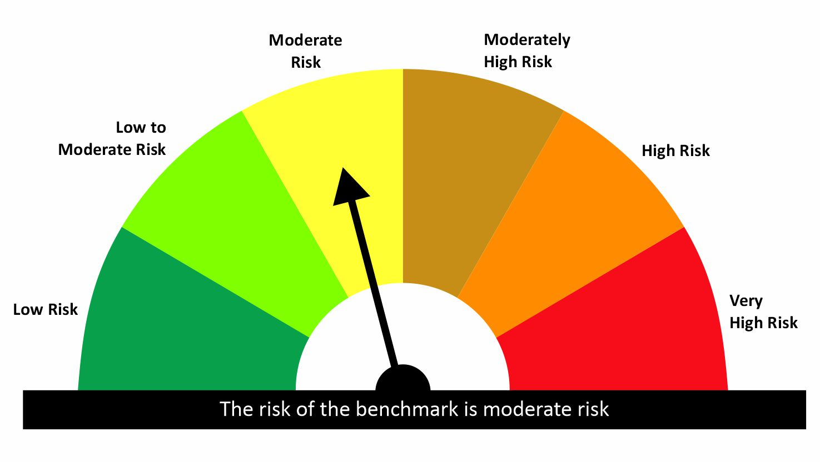

 |  | quant Mutual Fund
 |  | quant Gilt Fund
 |  | An open ended debt scheme investing in government securities across maturity.
 |  | MONTHLY PORTFOLIO STATEMENT AS ON 31 Jul 2026

SR | ISIN | NAME OF THE INSTRUMENT | RATING | INDUSTRY | QUANTITY | MARKET VALUE(Rs.in Lakhs) | % to NAV | YTM
 |  | EQUITY & EQUITY RELATED
 |  | (a) Listed / awaiting listing on Stock Exchanges
 |  | Sub Total

 |  | (b) Unlisted
 |  | Sub Total

 |  | (c) REIT
 |  | Sub Total
 |  | Total

 |  | DERIVATIVES
 |  | (a) Index / Stock Futures
 |  | Sub Total

 |  | (b) Index / Stock Options
 |  | Sub Total

 |  | Exchange Traded Commodity Derivatives
 |  | (c) Commodity Futures
 |  | Sub Total

 |  | (d) Commodity Option
 |  | Sub Total
 |  | Total

 |  | DEBT INSTRUMENTS
 |  | (a) Listed / awaited listed on Stock Exchanges
1 | IN0020250075 | 7.24% GOI 18-Aug-2055 | SOV | N.A. | 1500000 | 1459.62 | 18.44 | 7.47
2 | IN1920220127 | 7.68% Karnataka SDL - 21-Dec-2034 | SOV | N.A. | 1000000 | 1020.02 | 12.88 | 7.35
3 | IN0020250042 | 6.68% GOI 07-Jul-2040 | SOV | N.A. | 1000000 | 970.47 | 12.26 | 7.01
4 | IN2220230113 | 7.46% Maharashtra SDL - 13-Sep-2033 | SOV | N.A. | 761600 | 770.49 | 9.73 | 7.25
5 | IN3120240038 | 7.49% Tamil Nadu SDL - 24-Apr-2034 | SOV | N.A. | 640600 | 645.56 | 8.15 | 7.35
6 | IN0020220144 | 7.29% GOI SGRB MAT 27-Jan-2033 | SOV | N.A. | 500000 | 517.32 | 6.53 | 6.62
7 | IN2120220024 | 7.46% Madhya Pradesh SDL - 14-Sep-2032 | SOV | N.A. | 500000 | 506.72 | 6.40 | 7.18
8 | IN1020240488 | 7.23% Andhra Pradesh SDL - 04-Sep-2034 | SOV | N.A. | 362000 | 358.39 | 4.53 | 7.39
9 | IN0020060029 | 8.23% GOI 12-FEB-2027 | SOV | N.A. | 100000 | 101.1 | 1.28 | 6.08
 |  | Sub Total |  |  |  | 6349.68 | 80.20

 |  | (b) Unlisted / Privately Placed
 |  | Sub Total

 |  | (c) Securitised Debt Instruments
 |  | Sub Total
 |  | Total |  |  |  | 6349.68 | 80.20

 |  | MONEY MARKET INSTRUMENTS
 |  | a) Commercial Paper
 |  | Sub Total

 |  | b) CD-Certificate of Deposits
 |  | Sub Total

 |  | c) Treasury Bills
10 | IN000927C052 | 0% GS2027 CSTRIP 12 Sep 2027 | SOV | N.A. | 552000 | 516.83 | 6.53 | 6.00
11 | IN000926C047 | 0% GS2026 CSTRIP 19 Sep 2026 | SOV | N.A. | 500000 | 496.38 | 6.27 | 5.43
12 | IN000328C053 | Gsec Strip Mat 12/03/28 | SOV | N.A. | 200000 | 181.32 | 2.29 | 6.17
 |  | Sub Total |  |  |  | 1194.54 | 15.09

 |  | d) Units of an Alternative Investment Fund (AIF)
 |  | Sub Total
 |  | Total |  |  |  | 1194.54 | 15.09
 |  | FIXED DEPOSITS
 |  | Total

 |  | OTHERS
 |  | (a) Mutual Fund Unit
 |  | Sub Total

 |  | (b) Units of Infrastructure Investment Trust
 |  | Sub Total

 |  | (c) Tri Party Repo (TREPs)
13 | INCBLO030826 | TREPS 03-Aug-2026 DEPO 10 | N.A. | N.A. | 2555.9 | 255.52 | 3.23 | 5.75
 |  | Sub Total |  |  |  | 255.52 | 3.23

 |  | (d) Other Receivables (Payables)
14 |  | NCA-NET CURRENT ASSETS | N.A. | N.A. |  | 117.71 | 1.49
 |  | Sub Total |  |  |  | 117.71 | 1.49
 |  | Total |  |  |  | 373.23 | 4.71
 |  | Grand Total |  |  |  | 7917.44 | 100

 |  | Notes :-

 | 1 | NAV History
 |  | SCHEME | NAV as on 31 Jul 2026 | NAV as on 30 Jun 2026
 |  | quant Gilt Fund - IDCW | 12.1599 | 12.1556
 |  | quant Gilt Fund - Growth | 12.1493 | 12.1449
 |  | quant Gilt Fund - IDCW - Direct Plan | 12.5641 | 12.5501
 |  | quant Gilt Fund - Growth - Direct Plan | 12.5759 | 12.5591

 | 2 | Dividend History - Dividend declared during the month ended 31-Jul-2026 is NIL

 | 3 | Total Below investment grade or default provided for is NIL.
 | 4 | Bonus declared during the period is NIL
 | 5 | Total outstanding exposure in derivatives instruments as on 31-Jul-2026 is NIL
 | 6 | Total Investments in foreign securities/ADRs / GDRs as on 31-Jul-2026 is NIL
 | 7 | The Average Maturity period is 3880 Days
 | 8 | The funds parked in short term deposit(s) as on 31-Jul-2026 were NIL
 | 9 | Total value and percentage of Illiquid Equity Shares is Nil
 | 10 | Total Repo in Corporate Debt is Nil
 | 11 | Standard Disclosure for Portfolio YTM as per AMFI :
 |  |  | Portfolio Information
 |  | Scheme Name | quant Gilt Fund
 |  | Description | The primary objective of the Scheme is to generate income and capital appreciation through investments in Government securities issued by the Central Government and/or State Government(s).
 |  | Annualised Portfolio YTM | 6.91%
 |  | Macaulay Duration (Days) | 2265
 |  | Residual Maturity (Days) | 3880
 |  | As on (Date) | 31/07/26

 | Risk-o-meter of the Scheme



 | Risk-o-meter of the Benchmark- CRISIL Dynamic Gilt Index

qMAF
 |  | quant Mutual Fund
 |  | quant Multi Asset Allocation Fund
 |  | Multi Asset Allocation - An open ended scheme investing in equity, debt and commodity.
 |  | MONTHLY PORTFOLIO STATEMENT AS ON 31 Jul 2026

SR | ISIN | NAME OF THE INSTRUMENT | RATING | INDUSTRY | QUANTITY | MARKET VALUE(Rs.in Lakhs) | % to NAV | YTM
 |  | EQUITY & EQUITY RELATED
 |  | (a) Listed / awaiting listing on Stock Exchanges
1 | INE090A01021 | ICICI Bank Limited | N.A. | Banks | 4145208 | 59500.32 | 9.36 | -
2 | INE397D01024 | Bharti Airtel Limited | N.A. | Telecom - Services | 2696000 | 53165.12 | 8.36 | -
3 | INE423A01024 | Adani Enterprises Limited | N.A. | Metals & Minerals Trading | 1567103 | 47161.96 | 7.42 | -
4 | INE364U01010 | Adani Green Energy Limited | N.A. | Power | 3181116 | 43994.83 | 6.92 | -
5 | INE406A01037 | Aurobindo Pharma Limited | N.A. | Pharmaceuticals & Biotechnology | 1797304 | 28401 | 4.47 | -
6 | INE795G01014 | HDFC Life Insurance Co Ltd | N.A. | Insurance | 4197202 | 23021.65 | 3.62 | -
7 | INE121J01017 | Indus Towers Limited | N.A. | Telecom - Services | 5616576 | 21966.43 | 3.46 | -
8 | INE346A01027 | ICICI Prudential AMC Ltd | N.A. | Capital Markets | 649749 | 20245.53 | 3.19 | -
9 | INE213A01029 | Oil and Natural Gas Corporation Ltd. | N.A. | Oil | 7198164 | 17457.71 | 2.75 | -
10 | INE040A01034 | HDFC Bank Limited | N.A. | Banks | 1918150 | 14350.64 | 2.26 | -
11 | INE0BS701011 | Premier Energies Limited | N.A. | Electrical Equipment | 1170731 | 11967.21 | 1.88 | -
12 | INE676A01027 | Black Box Limited | N.A. | IT - Services | 1414999 | 10690.32 | 1.68 | -
13 | INE018A01030 | Larsen & Toubro Limited | N.A. | Construction | 257775 | 10153.5 | 1.60 | -
14 | INE669C01036 | Tech Mahindra Limited | N.A. | IT - Software | 588000 | 9709.64 | 1.53 | -
15 | INE081A01020 | Tata Steel Limited | N.A. | Ferrous Metals | 3828000 | 7261.33 | 1.14 | -
16 | INE155A01022 | Tata Motors Passenger Vehicles Limited | N.A. | Automobiles | 1614400 | 5484.92 | 0.86 | -
17 | INE271C01023 | DLF Limited | N.A. | Realty | 801776 | 5286.11 | 0.83 | -
18 | INE781S01027 | Ventive Hospitality Limited | N.A. | Leisure Services | 793155 | 4954.05 | 0.78 | -
19 | INE931S01010 | Adani Energy Solutions Limited | N.A. | Power | 279512 | 4599.09 | 0.72 | -
20 | INE484J01027 | Godrej Properties Limited | N.A. | Realty | 182050 | 3833.43 | 0.60 | -
21 | INE918I01026 | Bajaj Finserv Ltd. | N.A. | Finance | 184250 | 3738.62 | 0.59 | -
22 | INE376G01013 | Biocon Ltd | N.A. | Pharmaceuticals & Biotechnology | 842500 | 3586.52 | 0.56 | -
23 | INE200M01039 | Varun Beverages Limited | N.A. | Beverages | 707625 | 3129.83 | 0.49 | -
24 | INE549H01021 | Anand Rathi Share & Stock Brokers Ltd | N.A. | Capital Markets | 485064 | 2477.71 | 0.39 | -
25 | INE154A01025 | ITC Limited | N.A. | Diversified FMCG | 609600 | 1712.98 | 0.27 | -
 |  | Sub Total |  |  |  | 417850.44 | 65.74

 |  | (b) Unlisted
 |  | Sub Total

 |  | (c) REIT
26 | INE1JAR25012 | Knowledge Realty Trust | N.A. | Realty | 2499900 | 2959.88 | 0.47 | -
 |  | Sub Total |  |  |  | 2959.88 | 0.47
 |  | Total |  |  |  | 420810.32 | 66.20

 |  | DERIVATIVES
 |  | (a) Index / Stock Futures
27 | ITC250826 | ITC Limited 25/08/2026 | N.A. | Diversified FMCG | -608925 | -1715.95 | -0.27 | -
28 | VBL250826 | Varun Beverages Limited 25/08/2026 | N.A. | Beverages | -707625 | -3146.1 | -0.49 | -
29 | BIOCON250826 | Biocon Ltd 25/08/2026 | N.A. | Pharmaceuticals & Biotechnology | -842500 | -3600 | -0.57 | -
30 | BAJAJFINSV250826 | Bajaj Finserv Ltd. 25/08/2026 | N.A. | Finance | -184200 | -3750.68 | -0.59 | -
31 | GODREJPROP250826 | Godrej Properties Limited 25/08/2026 | N.A. | Realty | -182000 | -3846.39 | -0.61 | -
32 | DLF250826 | DLF Limited 25/08/2026 | N.A. | Realty | -800850 | -5291.62 | -0.83 | -
33 | TMPV250826 | Tata Motors Passenger Vehicles Limited 25/08/2026 | N.A. | Automobiles | -1614400 | -5513.98 | -0.87 | -
34 | TATASTEEL250826 | Tata Steel Limited 25/08/2026 | N.A. | Ferrous Metals | -3828000 | -7296.93 | -1.15 | -
35 | LT250826 | Larsen & Toubro Limited 25/08/2026 | N.A. | Construction | -257775 | -10193.2 | -1.60 | -
36 | HDFCBANK250826 | HDFC Bank Limited 25/08/2026 | N.A. | Banks | -1918150 | -14424.49 | -2.27 | -
 |  | Sub Total |  |  |  | -58779.34 | -9.25

 |  | (b) Index / Stock Options
 |  | Sub Total

 |  | Exchange Traded Commodity Derivatives
 |  | (c) Commodity Futures
 |  | Sub Total

 |  | (d) Commodity Option
 |  | Sub Total
 |  | Total |  |  |  | -58779.34 | -9.25

 |  | DEBT INSTRUMENTS
 |  | (a) Listed / awaited listed on Stock Exchanges
37 | IN0020240134 | 6.92% GOI 18-Nov-2039 | SOV | N.A. | 6500000 | 6487.01 | 1.02 | 6.94
38 | IN0020240126 | 6.79% GOI - 07-OCT-2034 | SOV | N.A. | 3500000 | 3502.45 | 0.55 | 6.78
39 | IN0020240118 | 7.09% GOI 05-AUG-2054 | SOV | N.A. | 3500000 | 3355.99 | 0.53 | 7.44
40 | IN1520250227 | 7.27% Gujarat SDL - 17-Dec-2034 | SOV | N.A. | 2500000 | 2486.73 | 0.39 | 7.35
41 | IN2220240229 | 7.23% Maharashtra SDL - 04-Sep-2035 | SOV | N.A. | 2500000 | 2478.08 | 0.39 | 7.36
42 | IN0020250018 | 6.9% GOI 15-Apr-2065 | SOV | N.A. | 2500000 | 2285.74 | 0.36 | 7.59
43 | IN0020250091 | 6.48% GOI 06-Oct-2035 | SOV | N.A. | 2000000 | 1954.32 | 0.31 | 6.82
44 | IN0020210186 | 5.74% GOI - 15-Nov-2026 | SOV | N.A. | 1600000 | 1601.09 | 0.25 | 5.41
45 | IN0020210020 | 6.64% GOI - 16-Jun-2035 | SOV | N.A. | 1166400 | 1152.63 | 0.18 | 6.82
46 | IN0020220144 | 7.29% GOI SGRB MAT 27-Jan-2033 | SOV | N.A. | 1000000 | 1034.64 | 0.16 | 6.62
47 | IN0020220151 | 7.26% GOI MAT 06-Feb-2033 | SOV | N.A. | 1000000 | 1031.09 | 0.16 | 6.66
 |  | Sub Total |  |  |  | 27369.77 | 4.31

 |  | (b) Unlisted / Privately Placed
 |  | Sub Total

 |  | (c) Securitised Debt Instruments
 |  | Sub Total
 |  | Total |  |  |  | 27369.77 | 4.31

 |  | MONEY MARKET INSTRUMENTS
 |  | a) Commercial Paper
48 | INE414G14UT3 | Muthoot Finance Ltd CP 08-Sep-2026 | A1+ | N.A. | 1500000 | 1489.05 | 0.23 | 7.06
 |  | Sub Total |  |  |  | 1489.05 | 0.23

 |  | b) CD-Certificate of Deposits
49 | INE261F16AE9 | NABARD CD 19-Jan-2027 | A1+ | N.A. | 10000000 | 9682.47 | 1.52 | 7.00
50 | INE514E16CN1 | EXIM Bank CD 11-Nov-2026 | A1+ | N.A. | 7500000 | 7359.13 | 1.16 | 6.85
51 | INE476A16G28 | Canara Bank CD 28-Jan-2027 | A1+ | N.A. | 5000000 | 4835.46 | 0.76 | 6.90
52 | INE476A16K22 | Canara Bank CD 29-Jun-2027 | A1+ | N.A. | 4000000 | 3757.67 | 0.59 | 7.09
53 | INE556F16BN1 | SIDBI CD 27-Oct-2026 | A1+ | N.A. | 1000000 | 983.98 | 0.15 | 6.83
 |  | Sub Total |  |  |  | 26618.71 | 4.19

 |  | c) Treasury Bills
54 | IN002026Y071 | 182 Days Treasury Bill 19-Nov-2026 | SOV | N.A. | 5000000 | 4920.08 | 0.77 | 5.39
55 | IN002025Z419 | 364 Days Treasury Bill 15-JAN-2027 | SOV | N.A. | 5000000 | 4875.42 | 0.77 | 5.59
56 | IN000927C052 | 0% GS2027 CSTRIP 12 Sep 2027 | SOV | N.A. | 2024000 | 1895.05 | 0.30 | 6.00
57 | IN000926C054 | 0% GS2027 CSTRIP 12 Sep 2026 | SOV | N.A. | 1300000 | 1291.93 | 0.20 | 5.43
58 | IN002025Z500 | 364 Days Treasury Bill 19-Mar-2027 | SOV | N.A. | 200000 | 193.21 | 0.03 | 5.58
 |  | Sub Total |  |  |  | 13175.68 | 2.07

 |  | d) Units of an Alternative Investment Fund (AIF)
 |  | Sub Total
 |  | Total |  |  |  | 41283.44 | 6.49
 |  | FIXED DEPOSITS
 |  | Total

 |  | OTHERS
 |  | (a) Mutual Fund Unit
59 | INF204KB17I5 | Nippon India ETF Gold Bees | N.A. | N.A. | 46176293 | 54077.06 | 8.51 | -
60 | INF204KC1402 | Nippon India MF- Nippon India Silver ETF | N.A. | N.A. | 4826986 | 9968.21 | 1.57 | -
61 | INF966L01BF7 | QUANT GILT FUND -DIRECT PLAN-GROWTH | N.A. | N.A. | 999950 | 125.75 | 0.02 | -
 |  | Sub Total |  |  |  | 64171.02 | 10.10

 |  | (b) Units of Infrastructure Investment Trust
 |  | Sub Total

 |  | (c) Tri Party Repo (TREPs)
62 | INCBLO030826 | TREPS 03-Aug-2026 DEPO 10 | N.A. | N.A. | 722648.2 | 72244.13 | 11.37 | 5.75
 |  | Sub Total |  |  |  | 72244.13 | 11.37

 |  | (d) Other Receivables (Payables)
63 |  | NCA-NET CURRENT ASSETS | N.A. | N.A. |  | 68537.33 | 10.78
 |  | Sub Total |  |  |  | 68537.33 | 10.78
 |  | Total |  |  |  | 204952.47 | 32.24
 |  | Grand Total |  |  |  | 635636.67 | 100

 | Disclosure for investment in derivative instruments:
 | Hedging Positions through Futures as on 31/07/2026
 | Underlying | Long / Short | Future Price when Purchased | Current price of the contract | Margin maintained in Rs.Lakhs
 | Bajaj Finserv Ltd. 25/08/2026 | Short | 1918.0764 | 2036.2
 | Biocon Ltd 25/08/2026 | Short | 438.238 | 427.3
 | DLF Limited 25/08/2026 | Short | 648.0063 | 660.75
 | Godrej Properties Limited 25/08/2026 | Short | 2063.13 | 2113.4
 | HDFC Bank Limited 25/08/2026 | Short | 744.6042 | 752
 | ITC Limited 25/08/2026 | Short | 288.3575 | 281.8
 | Larsen & Toubro Limited 25/08/2026 | Short | 3827.8963 | 3954.3
 | Tata Steel Limited 25/08/2026 | Short | 185.1096 | 190.62
 | Varun Beverages Limited 25/08/2026 | Short | 463.3246 | 444.6
 | Tata Motors Passenger Vehicles Limited 25/08/2026 | Short | 328.9389 | 341.55
 | Total %age of existing assets hedged through futures |  | 9.25

 | For the period ended 31/07/2026 the following details are specified for hedging transactions through futures which have been squared off/expired
 | Total Number of contracts where futures were bought |  | 10087
 | Total Number of contracts where futures were sold |  | 10087
 | Gross Notional Value of contracts where futures were bought |  | 5747101416.8
 | Gross Notional Value of contracts where futures were sold |  | 5775055877.8
 | Net Profit/Loss value on all contracts combined |  | 27954461

 | Other than Hedging Positions through Futures as on 31/07/2026
 | Underlying | Long / Short | Future Price when Purchased | Current price of the contract | Margin maintained in Rs.Lakhs
 | NIL | NIL | - | - | 41181.72
 | Total Exposure due to futures (non hedging positions) as a %age of net assets

 | For the period ended 31/07/2026 the following details are specified for non hedging transactions through futures which have been squared off/expired
 | Total number of contracts where futures were bought |  | 8520
 | Total number of contracts where futures were sold (carry forward) |  | 13680
 | Gross Notional value of contracts where future were bought |  | 9531412272
 | Gross Notional Value of contracts where futures were sold |  | 16618774291
 | Net Profit/Loss value on all contracts combined |  | 7087362018.6

 | Hedging Positions through Put Options as on 31/07/2026
 | Underlying | Number of contracts | Option Price when purchased | Current option price
 | NIL | NIL | - | - | -
 | Total %age of existing assets hedged through put options |  | NIL

 | For the period ended 31/07/2026 the following details are specified for hedging transactions through options which have been exercised/expired
 | Total number of contracts entered into |  | NIL
 | Gross Notional value of contracts |  | NIL
 | Net Profit/Loss Value on all contracts (treat premium paid as loss) |  | NIL

 | Other than Hedging Positions through Options as on 31/07/2026
 | Underlying | Call/Put | Number of contracts | Option Price when purchased | Current option price
 | NIL | NIL | - | - | -
 | Total Exposure through options as a %age of net assets |  | NIL

 | For the period ended 31/07/2026 the following details are specified with regard to non-hedging transactions through options which have already been exercised/expired :
 | Total number of contracts entered into |  | NIL
 | Gross Notional value of contracts |  | NIL
 | Net Profit/Loss Value on all contracts (treat premium paid as loss) |  | NIL

 |  | Notes :-

 | 1 | NAV History
 |  | SCHEME | NAV as on 31 Jul 2026 | NAV as on 30 Jun 2026
 |  | quant Multi Asset Allocation Fund - Growth | 168.3604 | 166.9569
 |  | quant Multi Asset Allocation Fund - Growth - Direct Plan | 182.9052 | 181.1927
 |  | quant Multi Asset Allocation Fund - IDCW | 154.3348 | 153.0482
 |  | quant Multi Asset Allocation Fund - IDCW - Direct Plan | 168.5638 | 166.9858

 | 2 | Total Below investment grade or default provided for is NIL.
 | 3 | Dividend declared during the period is NIL
 | 4 | Bonus declared during the period is NIL
 | 5 | Total outstanding exposure in derivatives instruments as on 31-Jul-2026 is -9.25%
 | 6 | Total Investments in foreign securities/ADRs / GDRs as on 31-Jul-2026 is NIL
 | 7 | The annual Portfolio Turnover Ratio is 4.75 times / The Average Maturity period is 693 Days
 | 8 | The funds parked in short term deposit(s) as on 31-Jul-2026 were NIL
 | 9 | Total value and percentage of Illiquid Equity Shares is Nil
 | 10 | Total Repo in Corporate Debt is Nil
 | 11 | Margin maintained for derivative instruments is Rs. 41181.72 Lakhs

 | Risk-o-meter of the Scheme



 | Risk-o-meter of the Benchmark- 65% NIFTY 500 TRI + 15% CRISIL Short Term Bond Fund Index + 20% iCOMDEX Composite Index

qMES
 |  | quant Mutual Fund
 |  | quant Equity Savings Fund
 |  | An open ended scheme investing in equity, arbitrage and debt.
 |  | MONTHLY PORTFOLIO STATEMENT AS ON 31 Jul 2026

SR | ISIN | NAME OF THE INSTRUMENT |  | INDUSTRY | QUANTITY | MARKET VALUE(Rs.in Lakhs) | % to NAV | YTM | Hedged Quantity | Hedged % to NAV
 |  | EQUITY & EQUITY RELATED
 |  | (a) Listed / awaiting listing on Stock Exchanges
1 | INE121J01017 | Indus Towers Limited |  | Telecom - Services | 125559 | 491.06 | 8.97 | -
2 | INE880J01026 | JSW Infrastructure Limited |  | Transport Infrastructure | 137369 | 429.14 | 7.84 | -
3 | INE296A01032 | Bajaj Finance Limited |  | Finance | 22500 | 256.77 | 4.69 | - | -22500 | -4.703626
4 | INE002A01018 | Reliance Industries Limited |  | Petroleum Products | 19500 | 255.02 | 4.66 | -
5 | INE628A01036 | UPL Limited |  | Fertilizers & Agrochemicals | 38519 | 232.77 | 4.25 | -
6 | INE545U01014 | Bandhan Bank Ltd. |  | Banks | 118800 | 206.87 | 3.78 | - | -118800 | -3.764755
7 | INE061F01013 | Fortis Healthcare Ltd |  | Healthcare Services | 21700 | 205.07 | 3.74 | - | -21700 | -3.762688
8 | INE758T01015 | Eternal Limited |  | Retailing | 65475 | 198.03 | 3.62 | - | -65475 | -3.635906
9 | INE020B01018 | Rural Electrification Corporation Ltd |  | Finance | 50400 | 187.97 | 3.43 | - | -50400 | -3.425989
10 | INE397D01024 | Bharti Airtel Limited |  | Telecom - Services | 9500 | 187.34 | 3.42 | - | -9500 | -3.428792
11 | INE918Z01012 | Kaynes Technology India Limited |  | Industrial Manufacturing | 4743 | 180.45 | 3.30 | -
12 | INE303R01014 | Kalyan Jewellers India Limited |  | Consumer Durables | 28350 | 173.67 | 3.17 | - | -28350 | -3.17761
13 | INE103A01014 | MANGALORE REFINERY & PETROCHEMICALS LTD |  | Petroleum Products | 97588 | 165.84 | 3.03 | -
14 | INE093A01041 | Hexaware Technologies Limited |  | IT - Software | 28406 | 159.54 | 2.91 | -
15 | INE640G01020 | SBI Funds Management Limited |  | Capital Markets | 26200 | 154.36 | 2.82 | -
16 | INE775A01035 | Samvardhana Motherson International Ltd |  | Auto Components | 79950 | 120.52 | 2.20 | - | -79950 | -2.21329
17 | INE476A01022 | Canara Bank |  | Banks | 74250 | 92.8 | 1.69 | - | -74250 | -1.69863
18 | INE584A01023 | NMDC Ltd |  | Minerals & Mining | 101250 | 86.1 | 1.57 | - | -101250 | -1.57712
 |  | Sub Total |  |  |  | 3783.32 | 69.09

 |  | (b) Unlisted
 |  | Sub Total

 |  | (c) REIT
 |  | Sub Total
 |  | Total |  |  |  | 3783.32 | 69.09

 |  | DERIVATIVES
 |  | (a) Index / Stock Futures
 |  | Sub Total |  |  |  | -1718.89 | -31.39

 |  | (b) Index / Stock Options
 |  | Sub Total

 |  | Exchange Traded Commodity Derivatives
 |  | (c) Commodity Futures
 |  | Sub Total

 |  | (d) Commodity Option
 |  | Sub Total
 |  | Total |  |  |  | -1718.89 | -31.39

 |  | DEBT INSTRUMENTS
 |  | (a) Listed / awaited listed on Stock Exchanges
 |  | Sub Total

 |  | (b) Unlisted / Privately Placed
 |  | Sub Total

 |  | (c) Securitised Debt Instruments
 |  | Sub Total
 |  | Total

 |  | MONEY MARKET INSTRUMENTS
 |  | a) Commercial Paper
 |  | Sub Total

 |  | b) CD-Certificate of Deposits
 |  | Sub Total

 |  | c) Treasury Bills
 |  | Sub Total

 |  | d) Units of an Alternative Investment Fund (AIF)
 |  | Sub Total
 |  | Total
 |  | FIXED DEPOSITS
 |  | Total

 |  | OTHERS
 |  | (a) Mutual Fund Unit
19 | INF966L01820 | Quant Liquid Fund-Growth -Direct Plan |  | N.A. | 1278901.26 | 577.5 | 10.55 | -
 |  | Sub Total |  |  |  | 577.5 | 10.55

 |  | (b) Units of Infrastructure Investment Trust
20 | INE2Q7823014 | Citius TransNet Investment Trust (INVIT) |  | Transport Infrastructure | 200000 | 219.08 | 4.00 | -
 |  | Sub Total |  |  |  | 219.08 | 4.00

 |  | (c) Tri Party Repo (TREPs)
21 | INCBLO030826 | TREPS 03-Aug-2026 DEPO 10 |  | N.A. | 9022.9 | 902.03 | 16.47 | 5.75
 |  | Sub Total |  |  |  | 902.03 | 16.47

 |  | (d) Other Receivables (Payables)
22 |  | NCA-NET CURRENT ASSETS |  | N.A. |  | -5.73 | -0.10
 |  | Sub Total |  |  |  | -5.73 | -0.10
 |  | Total |  |  |  | 1692.88 | 30.91
 |  | Grand Total |  |  |  | 5476.2 | 100

 | Disclosure for investment in derivative instruments:
 | Hedging Positions through Futures as on 31/07/2026
 | Underlying | Long / Short | Future Price when Purchased | Current price of the contract | Margin maintained in Rs.Lakhs
 | Bajaj Finance Limited 25/08/2026 | Short | 1020.3 | 1144.8
 | Bandhan Bank Ltd. 25/08/2026 | Short | 162.1855 | 173.54
 | Bharti Airtel Limited 25/08/2026 | Short | 1837.13 | 1976.5
 | Canara Bank 25/08/2026 | Short | 128.52 | 125.28
 | Eternal Limited 25/08/2026 | Short | 279.8778 | 304.1
 | Kalyan Jewellers India Limited 25/08/2026 | Short | 580.1738 | 613.8
 | Samvardhana Motherson International Ltd 25/08/2026 | Short | 146.13 | 151.6
 | NMDC Ltd 25/08/2026 | Short | 84.06 | 85.3
 | Rural Electrification Corporation Ltd 25/08/2026 | Short | 357.9719 | 372.25
 | Fortis Healthcare Ltd 25/08/2026 | Short | 934.8 | 949.55
 | Total %age of existing assets hedged through futures |  | 31.39

 | For the period ended 31/07/2026 the following details are specified for hedging transactions through futures which have been squared off/expired
 | Total Number of contracts where futures were bought |  | 274
 | Total Number of contracts where futures were sold |  | 210
 | Gross Notional Value of contracts where futures were bought |  | 185548883.51
 | Gross Notional Value of contracts where futures were sold |  | 145061035.84
 | Net Profit/Loss value on all contracts combined |  | -40487847.67

 | Other than Hedging Positions through Futures as on 31/07/2026
 | Underlying | Long / Short | Future Price when Purchased | Current price of the contract | Margin maintained in Rs.Lakhs
 | NIL | NIL | - | - | 414.63
 | Total Exposure due to futures (non hedging positions) as a %age of net assets

 | For the period ended 31/07/2026 the following details are specified for non hedging transactions through futures which have been squared off/expired
 | Total number of contracts where futures were bought
 | Total number of contracts where futures were sold (carry forward)
 | Gross Notional value of contracts where future were bought
 | Gross Notional Value of contracts where futures were sold
 | Net Profit/Loss value on all contracts combined

 | Hedging Positions through Put Options as on 31/07/2026
 | Underlying | Number of contracts | Option Price when purchased | Current option price
 | NIL | NIL | - | - | -
 | Total %age of existing assets hedged through put options |  | NIL

 | For the period ended 31/07/2026 the following details are specified for hedging transactions through options which have been exercised/expired
 | Total number of contracts entered into |  | NIL
 | Gross Notional value of contracts |  | NIL
 | Net Profit/Loss Value on all contracts (treat premium paid as loss) |  | NIL

 | Other than Hedging Positions through Options as on 31/07/2026
 | Underlying | Call/Put | Number of contracts | Option Price when purchased | Current option price
 | NIL | NIL | - | - | -
 | Total Exposure through options as a %age of net assets |  | NIL

 | For the period ended 31/07/2026 the following details are specified with regard to non-hedging transactions through options which have already been exercised/expired :
 | Total number of contracts entered into |  | NIL
 | Gross Notional value of contracts |  | NIL
 | Net Profit/Loss Value on all contracts (treat premium paid as loss) |  | NIL

 |  | Notes :-

 | 1 | NAV History
 |  | SCHEME | NAV as on 31 Jul 2026 | NAV as on 30 Jun 2026
 |  | Quant Equity Savings Fund(G)-Direct Plan | 10.8341 | 10.6997
 |  | Quant Equity Savings Fund(IDCW)-Direct Plan | 10.8058 | 10.6748
 |  | Quant Equity Savings Fund-Reg(G) | 10.6457 | 10.529
 |  | Quant Equity Savings Fund-Reg(IDCW) | 10.6453 | 10.5286

 | 2 | Total Below investment grade or default provided for is NIL.
 | 3 | Dividend declared during the period is NIL
 | 4 | Bonus declared during the period is NIL
 | 5 | Total outstanding exposure in derivatives instruments as on 31-Jul-2026 is -31.39%
 | 6 | Total Investments in foreign securities/ADRs / GDRs as on 31-Jul-2026 is NIL
 | 7 | The annual Portfolio Turnover Ratio is 11.15 times / The Average Maturity period is 3 Days
 | 8 | The funds parked in short term deposit(s) as on 31-Jul-2026 were NIL
 | 9 | Total value and percentage of Illiquid Equity Shares is Nil
 | 10 | Total Repo in Corporate Debt is Nil
 | 11 | Margin maintained for derivative instruments is Rs. 414.63 Lakhs

 | Risk-o-meter of the Scheme

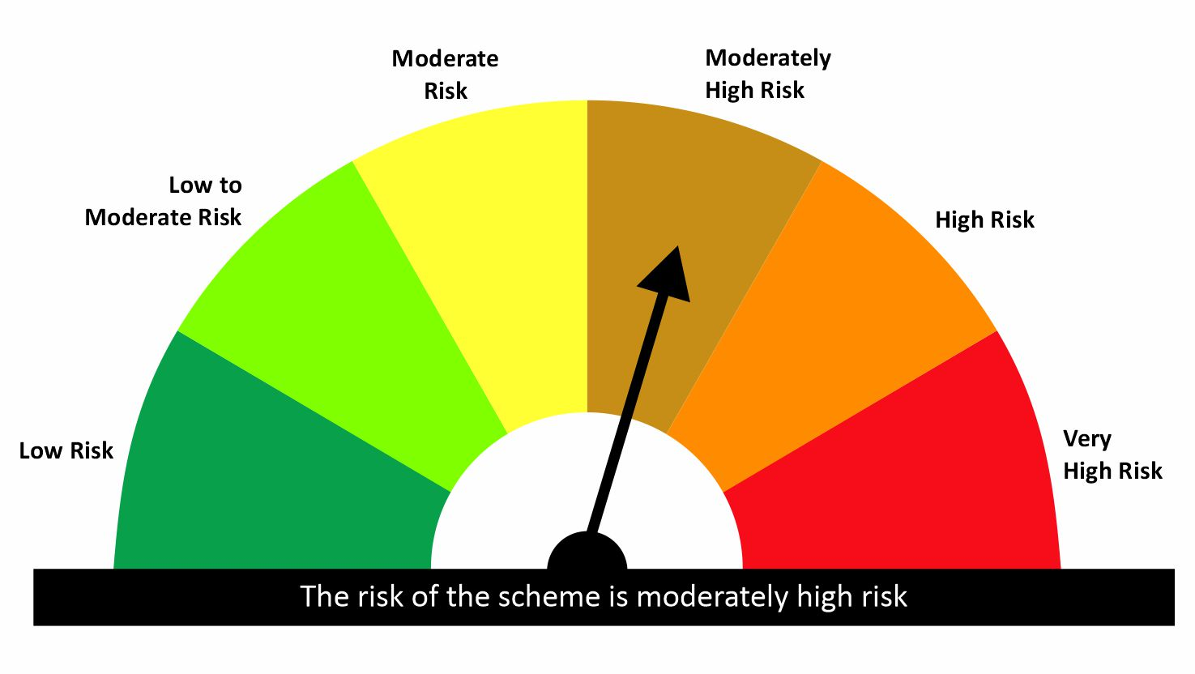

 | Risk-o-meter of the Benchmark- NIFTY Equity Savings Index

qMON

 |  | quant Mutual Fund
 |  | quant Overnight Fund
 |  | An open ended Debt Scheme investing in Overnight securities
 |  | MONTHLY PORTFOLIO STATEMENT AS ON 31 Jul 2026

SR | ISIN | NAME OF THE INSTRUMENT | RATING | INDUSTRY | QUANTITY | MARKET VALUE(Rs.in Lakhs) | % to NAV | YTM
 |  | EQUITY & EQUITY RELATED
 |  | (a) Listed / awaiting listing on Stock Exchanges
 |  | Sub Total

 |  | (b) Unlisted
 |  | Sub Total

 |  | (c) REIT
 |  | Sub Total
 |  | Total

 |  | DERIVATIVES
 |  | (a) Index / Stock Futures
 |  | Sub Total

 |  | (b) Index / Stock Options
 |  | Sub Total

 |  | Exchange Traded Commodity Derivatives
 |  | (c) Commodity Futures
 |  | Sub Total

 |  | (d) Commodity Option
 |  | Sub Total
 |  | Total

 |  | DEBT INSTRUMENTS
 |  | (a) Listed / awaited listed on Stock Exchanges
 |  | Sub Total

 |  | (b) Unlisted / Privately Placed
 |  | Sub Total

 |  | (c) Securitised Debt Instruments
 |  | Sub Total
 |  | Total

 |  | MONEY MARKET INSTRUMENTS
 |  | a) Commercial Paper
 |  | Sub Total

 |  | b) CD-Certificate of Deposits
 |  | Sub Total

 |  | c) Treasury Bills
 |  | Sub Total

 |  | d) Units of an Alternative Investment Fund (AIF)
 |  | Sub Total
 |  | Total
 |  | FIXED DEPOSITS
 |  | Total

 |  | OTHERS
 |  | (a) Mutual Fund Unit
 |  | Sub Total

 |  | (b) Units of Infrastructure Investment Trust
 |  | Sub Total

 |  | (c) Tri Party Repo (TREPs)
1 | INCBLO030826 | TREPS 03-Aug-2026 DEPO 10 | N.A. | N.A. | 55664.5 | 5564.86 | 98.88 | 5.75
 |  | Sub Total |  |  |  | 5564.86 | 98.88

 |  | (d) Other Receivables (Payables)
2 |  | NCA-NET CURRENT ASSETS | N.A. | N.A. |  | 63.23 | 1.12
 |  | Sub Total |  |  |  | 63.23 | 1.12
 |  | Total |  |  |  | 5628.09 | 100.00
 |  | Grand Total |  |  |  | 5628.09 | 100

 |  | Notes :-

 | 1 | NAV History
 |  | SCHEME | NAV as on 31 Jul 2026 | NAV as on 30 Jun 2026
 |  | quant Overnight Fund - IDCW | 12.4585 | 12.4068
 |  | quant Overnight Fund - Growth | 12.47 | 12.4183
 |  | quant Overnight Fund - IDCW - Direct Plan | 12.5211 | 12.4684
 |  | quant Overnight Fund - Growth - Direct Plan | 12.5159 | 12.4633

 | 2 | Dividend History - Dividend declared during the month ended 31-Jul-2026 is NIL

 | 3 | Total Below investment grade or default provided for is NIL.
 | 4 | Bonus declared during the period is NIL
 | 5 | Total outstanding exposure in derivatives instruments as on 31-Jul-2026 is NIL
 | 6 | Total Investments in foreign securities/ADRs / GDRs as on 31-Jul-2026 is NIL
 | 7 | The Average Maturity period is 3 Days
 | 8 | The funds parked in short term deposit(s) as on 31-Jul-2026 were NIL
 | 9 | Total value and percentage of Illiquid Equity Shares is Nil
 | 10 | Total Repo in Corporate Debt is Nil
 | 11 | Standard Disclosure for Portfolio YTM as per AMFI :
...

qLF
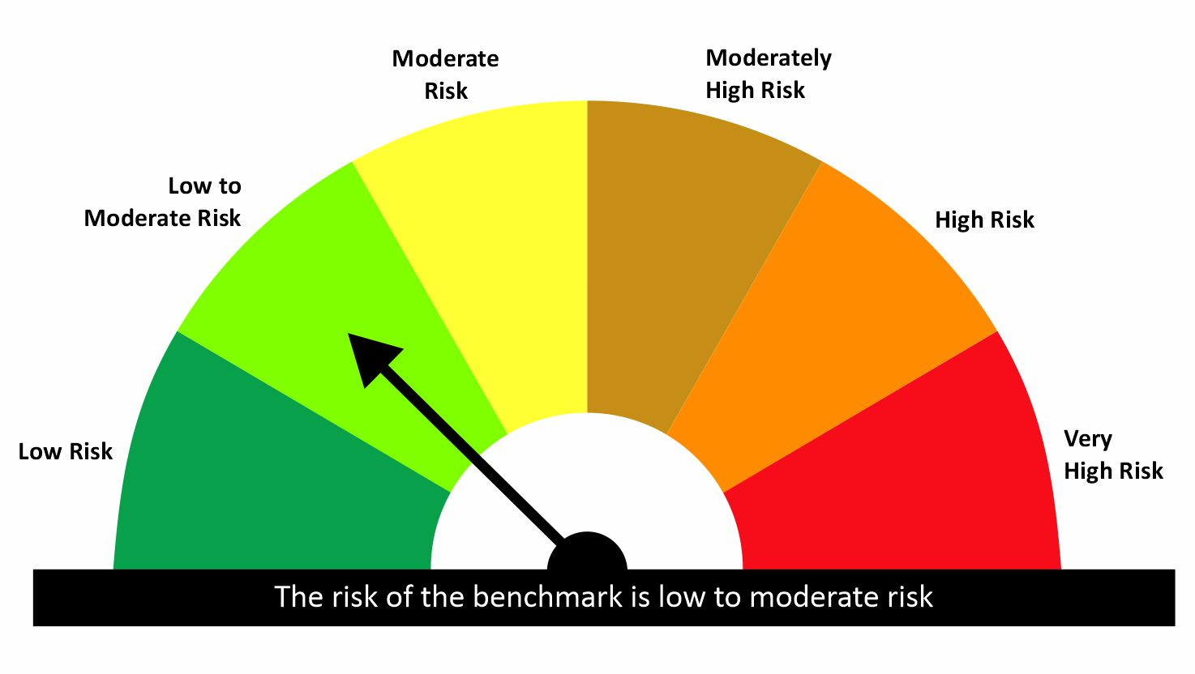

...
 | Liquid Fund - An open-ended Liquid Scheme.
 | MONTHLY PORTFOLIO STATEMENT AS ON 31 Jul 2026
 | Description | The investment objective of the scheme is to generate income through a portfolio comprising money market and debt instruments. There is no assurance that the investment objective of the Scheme will be realized
 | Annualised Portfolio YTM | 6.13%
 | Macaulay Duration (Days) | 33
 | Residual Maturity (Days) | 33
 | As on (Date) | 31/07/26

Risk-o-meter of the Scheme



Risk-o-meter of the Benchmark- CRISIL Liquid Debt A-I Index

