Equity
quant Small Cap Fund |  |  |  |  |  |  | AUM in (Cr.) | 27,384.03
Period | Scheme Return(%) |  | Benchmark Return(%) | Nifty Return(%) | Value of Rs.10,000 invested
 |  |  |  |  | Scheme |  | Benchmark | Nifty
 | Direct | Regular |  |  | Direct | Regular
6 Months | -8.09 | -8.49 | -7.77 | 2.64 | 9191 | 9151 | 9223 | 10264
YTD | -7.44 | -7.5 | -5.41 | -3.1 | 9256 | 9250 | 9459 | 9690
1 Year | -1.56 | -2.44 | 0.01 | 8.97 | 9844 | 9756 | 10001 | 10897
3 Years | 19.16 | 18.02 | 20.14 | 14.08 | 16922 | 16437 | 17340 | 14848
5 Years | 28.41 | 26.78 | 21.66 | 14.54 | 34908 | 32750 | 26655 | 19714
SI | 16.69 | 11.39 | 15.35 | 13.03 | 75132 | 234800 | 64595

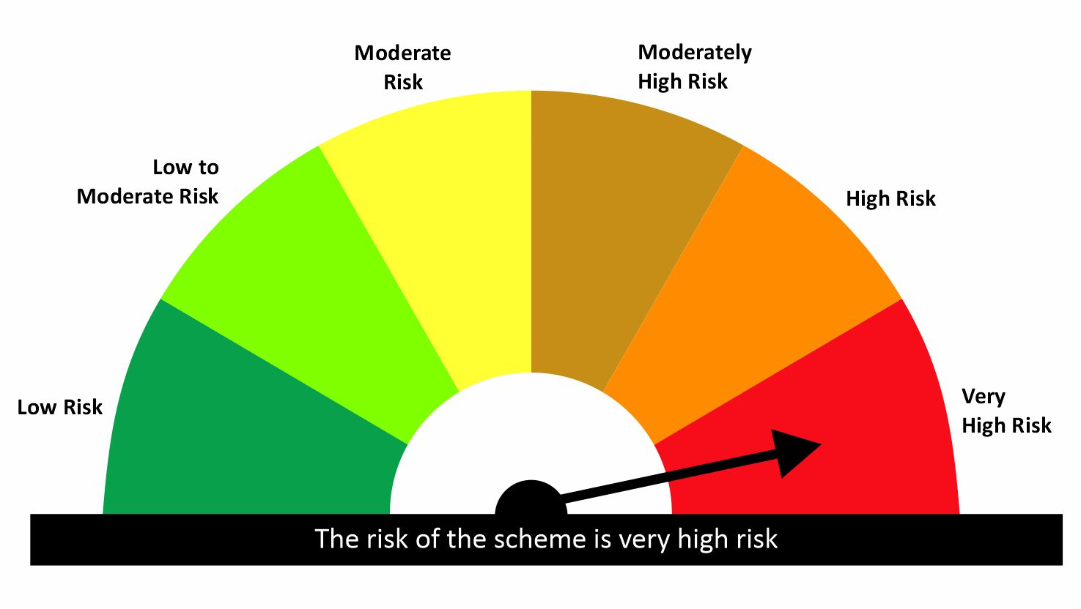

 |  |  |  | Scheme Riskometer |  | Benchmark Riskometer: NIFTY SMALLCAP 250 TRI
Scheme Name |  |  | NAV as on date January 30, 2026
quant Small Cap Fund - IDCW |  |  | 186.7274
quant Small Cap Fund - Growth |  |  | 234.8012
quant Small Cap Fund - Growth - Direct Plan |  |  | 256.2755
quant Small Cap Fund - IDCW - Direct Plan |  |  | 200.3292

Since Inception Date = Date of First allotment in the Scheme / Plan. Past performance may or may not be sustained in the future. Returns are compounded annualized (CAGR) for more than 1 year. Load is not taken into consideration for computation of performance. Different plans viz. Regular Plan and Direct Plan have a different expense structure. The expenses of the Direct Plan under the Scheme will be lower to the extent of the distribution expenses / commission charged in the Regular Plan.

quant ELSS Tax Saver Fund |  |  |  |  |  |  | AUM in (Cr.) | 11,735.96
Period | Scheme Return(%) |  | Benchmark Return(%) | Nifty Return(%) | Value of Rs.10,000 invested
 |  |  |  |  | Scheme |  | Benchmark | Nifty
 | Direct | Regular |  |  | Direct | Regular
6 Months | -0.74 | -1.26 | 1.08 | 2.64 | 9926 | 9874 | 10108 | 10264
YTD | -6.11 | -6.18 | -3.43 | -3.1 | 9389 | 9382 | 9657 | 9690
1 Year | 6.51 | 5.37 | 7.98 | 8.97 | 10651 | 10537 | 10798 | 10897
3 Years | 16.43 | 15.17 | 16.72 | 14.08 | 15782 | 15275 | 15902 | 14848
5 Years | 22.47 | 20.75 | 16.54 | 14.54 | 27553 | 25673 | 21493 | 19714
SI | 19.5 | 14.86 | 13.96 | 13.03 | 102483 | 356666 | 55141 | 235341

 |  |  |  | Scheme Riskometer |  | Benchmark Riskometer: NIFTY 500 TRI
Scheme Name |  |  | NAV as on date January 30, 2026
quant Tax Plan - IDCW |  |  | 49.5268
quant Tax Plan - Growth |  |  | 356.6633
quant Tax Plan - Growth - Direct Plan |  |  | 401.2419
quant Tax Plan - IDCW - Direct Plan |  |  | 53.4876

Since Inception Date = Date of First allotment in the Scheme / Plan. Past performance may or may not be sustained in the future. Returns are compounded annualized (CAGR) for more than 1 year. Load is not taken into consideration for computation of performance. Different plans viz. Regular Plan and Direct Plan have a different expense structure. The expenses of the Direct Plan under the Scheme will be lower to the extent of the distribution expenses / commission charged in the Regular Plan.

quant Multi Cap Fund |  |  |  |  |  |  | AUM in (Cr.) | 7,456.20
Period | Scheme Return(%) |  | Benchmark Return(%) | Nifty Return(%) | Value of Rs.10,000 invested
 |  |  |  |  | Scheme |  | Benchmark | Nifty
 | Direct | Regular |  |  | Direct | Regular
6 Months | -6.19 | -6.71 | -0.55 | 2.64 | 9381 | 9329 | 9945 | 10264
YTD | -5.69 | -5.77 | -3.84 | -3.1 | 9431 | 9423 | 9616 | 9690
1 Year | -4.83 | -5.9 | 6.8 | 8.97 | 9517 | 9410 | 10680 | 10897
3 Years | 11.2 | 9.99 | 18.59 | 14.08 | 13751 | 13305 | 16676 | 14848
5 Years | 18.43 | 16.85 | 18.74 | 14.54 | 23294 | 21787 | 23607 | 19714
SI | 17.85 | 17.77 | 15.21 | 13.03 | 85491 | 576158 | 63537 | 333080

 |  |  |  | Scheme Riskometer |  | Benchmark Riskometer: NIFTY500 MULTICAP 50 25 25 TRI
Scheme Name |  |  | NAV as on date January 30, 2026
quant Multi Cap Fund - IDCW |  |  | 65.8913
quant Multi Cap Fund - Growth |  |  | 576.1578
quant Multi Cap Fund - IDCW - Direct Plan |  |  | 73.1639
quant Multi Cap Fund - Growth - Direct Plan |  |  | 631.757

Since Inception Date = Date of First allotment in the Scheme / Plan. Past performance may or may not be sustained in the future. Returns are compounded annualized (CAGR) for more than 1 year. Load is not taken into consideration for computation of performance. Different plans viz. Regular Plan and Direct Plan have a different expense structure. The expenses of the Direct Plan under the Scheme will be lower to the extent of the distribution expenses / commission charged in the Regular Plan.

quant Mid Cap Fund |  |  |  |  |  |  | AUM in (Cr.) | 7,283.39
Period | Scheme Return(%) |  | Benchmark Return(%) | Nifty Return(%) | Value of Rs.10,000 invested
 |  |  |  |  | Scheme |  | Benchmark | Nifty
 | Direct | Regular |  |  | Direct | Regular
6 Months | -9.49 | -9.96 | 0.85 | 2.64 | 9051 | 9004 | 10085 | 10264
YTD | -7.61 | -7.68 | -3.9 | -3.1 | 9239 | 9232 | 9610 | 9690
1 Year | -8.96 | -9.93 | 8.9 | 8.97 | 9104 | 9007 | 10890 | 10897
3 Years | 14.54 | 13.23 | 23.55 | 14.08 | 15026 | 14516 | 18861 | 14848
5 Years | 22.4 | 20.42 | 23.1 | 14.54 | 27470 | 25323 | 28265 | 19714
SI | 16.19 | 12.63 | 18.22 | 13.03 | 71016 | 192676 | 89020 | 303926

 |  |  |  | Scheme Riskometer |  | Benchmark Riskometer: NIFTY MIDCAP 150 TRI
Scheme Name |  |  | NAV as on date January 30, 2026
quant Mid Cap Fund - IDCW |  |  | 68.4978
quant Mid Cap Fund - Growth |  |  | 192.6781
quant Mid Cap Fund - Growth - Direct Plan |  |  | 217.3627
quant Mid Cap Fund - IDCW - Direct Plan |  |  | 76.3471

Since Inception Date = Date of First allotment in the Scheme / Plan. Past performance may or may not be sustained in the future. Returns are compounded annualized (CAGR) for more than 1 year. Load is not taken into consideration for computation of performance. Different plans viz. Regular Plan and Direct Plan have a different expense structure. The expenses of the Direct Plan under the Scheme will be lower to the extent of the distribution expenses / commission charged in the Regular Plan.

quant Flexi Cap Fund |  |  |  |  |  |  | AUM in (Cr.) | 6,220.57
Period | Scheme Return(%) |  | Benchmark Return(%) | Nifty Return(%) | Value of Rs.10,000 invested
 |  |  |  |  | Scheme |  | Benchmark | Nifty
 | Direct | Regular |  |  | Direct | Regular
6 Months | -2.28 | -2.83 | 1.08 | 2.64 | 9772 | 9717 | 10108 | 10264
YTD | -6.02 | -6.11 | -3.43 | -3.1 | 9398 | 9389 | 9657 | 9690
1 Year | 2.22 | 1.06 | 7.98 | 8.97 | 10222 | 10106 | 10798 | 10897
3 Years | 16.71 | 15.3 | 16.72 | 14.08 | 15897 | 15328 | 15902 | 14848
5 Years | 22.48 | 21.21 | 16.54 | 14.54 | 27564 | 26163 | 21493 | 19714
SI | 18.11 | 13.82 | 13.96 | 13.03 | 87901 | 93679 | 55141 | 101169

 |  |  |  | Scheme Riskometer |  | Benchmark Riskometer: NIFTY 500 TRI
Scheme Name |  |  | NAV as on date January 30, 2026
quant Flexicap Fund - Growth |  |  | 93.6794
quant Flexicap Fund - IDCW |  |  | 66.9544
quant Flexicap Fund - Growth - Direct Plan |  |  | 104.7485
quant Flexicap Fund - IDCW - Direct Plan |  |  | 71.2026

Since Inception Date = Date of First allotment in the Scheme / Plan. Past performance may or may not be sustained in the future. Returns are compounded annualized (CAGR) for more than 1 year. Load is not taken into consideration for computation of performance. Different plans viz. Regular Plan and Direct Plan have a different expense structure. The expenses of the Direct Plan under the Scheme will be lower to the extent of the distribution expenses / commission charged in the Regular Plan.

quant Large & Mid Cap Fund |  |  |  |  |  |  | AUM in (Cr.) | 3,039.02
Period | Scheme Return(%) |  | Benchmark Return(%) | Nifty Return(%) | Value of Rs.10,000 invested
 |  |  |  |  | Scheme |  | Benchmark | Nifty
 | Direct | Regular |  |  | Direct | Regular
6 Months | -6.95 | -7.53 | 1.65 | 2.64 | 9305 | 9247 | 10165 | 10264
YTD | -8.03 | -8.12 | -3.46 | -3.1 | 9197 | 9188 | 9654 | 9690
1 Year | -5.61 | -6.78 | 8.98 | 8.97 | 9439 | 9322 | 10898 | 10897
3 Years | 15.09 | 13.55 | 19.34 | 14.08 | 15245 | 14641 | 16997 | 14848
5 Years | 19.16 | 17.35 | 19.01 | 14.54 | 24024 | 22251 | 23871 | 19714
SI | 17.26 | 13.16 | 15.88 | 13.03 | 80072 | 105591 | 68539 | 80821

 |  |  |  | Scheme Riskometer |  | Benchmark Riskometer: NIFTY LARGEMIDCAP 250 TRI
Scheme Name |  |  | NAV as on date January 30, 2026
quant Large & Mid Cap Fund - Bonus |  |  | 105.8132
quant Large & Mid Cap Fund - IDCW |  |  | 64.4522
quant Large & Mid Cap Fund - Growth |  |  | 105.5904
quant Large & Mid Cap Fund - Bonus - Direct Plan |  |  | 105.8132
quant Large & Mid Cap Fund - IDCW - Direct Plan |  |  | 54.1799
quant Large & Mid Cap Fund - Growth - Direct Plan |  |  | 116.3591

Since Inception Date = Date of First allotment in the Scheme / Plan. Past performance may or may not be sustained in the future. Returns are compounded annualized (CAGR) for more than 1 year. Load is not taken into consideration for computation of performance. Different plans viz. Regular Plan and Direct Plan have a different expense structure. The expenses of the Direct Plan under the Scheme will be lower to the extent of the distribution expenses / commission charged in the Regular Plan.

quant Large Cap Fund |  |  |  |  |  |  | AUM in (Cr.) | 2,919.82
Period | Scheme Return(%) |  | Benchmark Return(%) | Nifty Return(%) | Value of Rs.10,000 invested
 |  |  |  |  | Scheme |  | Benchmark | Nifty
 | Direct | Regular |  |  | Direct | Regular
6 Months | -1.69 | -2.41 | 2.45 | 2.64 | 9831 | 9759 | 10245 | 10264
YTD | -5.01 | -5.12 | -3.02 | -3.1 | 9499 | 9488 | 9698 | 9690
1 Year | 3.57 | 2.02 | 8.89 | 8.97 | 10357 | 10202 | 10889 | 10897
3 Years | 16.61 | 14.85 | 14.99 | 14.08 | 15858 | 15150 | 15204 | 14848
5 Years
SI | 13.14 | 11.36 | 12.33 | 12.14 | 15353 | 14531 | 14971 | 14886

 |  |  |  | Scheme Riskometer |  | Benchmark Riskometer: NIFTY 100 TRI
Scheme Name |  |  | NAV as on date January 30, 2026
quant Large Cap Fund-Growth |  |  | 14.5308
quant Large Cap Fund-IDCW |  |  | 14.448
quant Large Cap Fund Growth-Direct Plan |  |  | 15.3531
quant Large Cap Fund-IDCW-Direct Plan |  |  | 15.417

Since Inception Date = Date of First allotment in the Scheme / Plan. Past performance may or may not be sustained in the future. Returns are compounded annualized (CAGR) for more than 1 year. Load is not taken into consideration for computation of performance. Different plans viz. Regular Plan and Direct Plan have a different expense structure. The expenses of the Direct Plan under the Scheme will be lower to the extent of the distribution expenses / commission charged in the Regular Plan.

quant Infrastructure Fund |  |  |  |  |  |  | AUM in (Cr.) | 2,790.94
Period | Scheme Return(%) |  | Benchmark Return(%) | Nifty Return(%) | Value of Rs.10,000 invested
 |  |  |  |  | Scheme |  | Benchmark | Nifty
 | Direct | Regular |  |  | Direct | Regular
6 Months | -5.36 | -5.95 | 1.26 | 2.64 | 9464 | 9405 | 10126 | 10264
YTD | -7.83 | -7.91 | -5.43 | -3.1 | 9217 | 9209 | 9457 | 9690
1 Year | -2.93 | -4.11 | 10.54 | 8.97 | 9707 | 9589 | 11054 | 10897
3 Years | 17.12 | 15.58 | 22.81 | 14.08 | 16064 | 15440 | 18524 | 14848
5 Years | 26.36 | 24.77 | 21.31 | 14.54 | 32214 | 30234 | 26275 | 19714
SI | 16.48 | 7.07 | 11.55 | 13.03 | 73378 | 35033 | 41703 | 66193

 |  |  |  | Scheme Riskometer |  | Benchmark Riskometer: NIFTY INFRASTRUCTURE TRI
Scheme Name |  |  | NAV as on date January 30, 2026
quant Infrastructure Fund - IDCW |  |  | 34.954
quant Infrastructure Fund - Growth |  |  | 35.033
quant Infrastructure Fund - Growth - Direct Plan |  |  | 38.6993
quant Infrastructure Fund - IDCW - Direct Plan |  |  | 38.6686

Since Inception Date = Date of First allotment in the Scheme / Plan. Past performance may or may not be sustained in the future. Returns are compounded annualized (CAGR) for more than 1 year. Load is not taken into consideration for computation of performance. Different plans viz. Regular Plan and Direct Plan have a different expense structure. The expenses of the Direct Plan under the Scheme will be lower to the extent of the distribution expenses / commission charged in the Regular Plan.

quant Value Fund |  |  |  |  |  |  | AUM in (Cr.) | 1,565.24
Period | Scheme Return(%) |  | Benchmark Return(%) | Nifty Return(%) | Value of Rs.10,000 invested
 |  |  |  |  | Scheme |  | Benchmark | Nifty
 | Direct | Regular |  |  | Direct | Regular
6 Months | -3.04 | -3.78 | 1.08 | 2.64 | 9696 | 9622 | 10108 | 10264
YTD | -5.89 | -6 | -3.43 | -3.1 | 9411 | 9400 | 9657 | 9690
1 Year | 2.16 | 0.57 | 7.98 | 8.97 | 10216 | 10057 | 10798 | 10897
3 Years | 20.36 | 18.55 | 16.72 | 14.08 | 17436 | 16660 | 15902 | 14848
5 Years
SI | 18.15 | 16.22 | 12.63 | 11.35 | 20040 | 18710 | 16418 | 15651

 |  |  |  | Scheme Riskometer |  | Benchmark Riskometer: NIFTY 500 TRI
Scheme Name |  |  | NAV as on date January 30, 2026
quant Value Fund REGULAR PLAN (GROWTH) |  |  | 18.71
quant Value Fund REGULAR PLAN (IDCW) |  |  | 18.8125
quant Value Fund DIRECT PLAN (GROWTH) |  |  | 20.0402
quant Value Fund DIRECT PLAN (IDCW) |  |  | 19.0407

Since Inception Date = Date of First allotment in the Scheme / Plan. Past performance may or may not be sustained in the future. Returns are compounded annualized (CAGR) for more than 1 year. Load is not taken into consideration for computation of performance. Different plans viz. Regular Plan and Direct Plan have a different expense structure. The expenses of the Direct Plan under the Scheme will be lower to the extent of the distribution expenses / commission charged in the Regular Plan.

quant Quantamental Fund |  |  |  |  |  |  | AUM in (Cr.) | 1,558.37
Period | Scheme Return(%) |  | Benchmark Return(%) | Nifty Return(%) | Value of Rs.10,000 invested
 |  |  |  |  | Scheme |  | Benchmark | Nifty
 | Direct | Regular |  |  | Direct | Regular
6 Months | 0.71 | 0.05 | 2.39 | 2.64 | 10071 | 10005 | 10239 | 10264
YTD | -5.31 | -5.4 | -3.16 | -3.1 | 9469 | 9460 | 9684 | 9690
1 Year | 4.81 | 3.4 | 8.98 | 8.97 | 10481 | 10340 | 10898 | 10897
3 Years | 19.5 | 17.84 | 16.35 | 14.08 | 17066 | 16361 | 15751 | 14848
5 Years
SI | 20.39 | 18.61 | 14.83 | 13.61 | 24121 | 22474 | 19271 | 18322

 |  |  |  | Scheme Riskometer |  | Benchmark Riskometer: NIFTY 200 TRI
Scheme Name |  |  | NAV as on date January 30, 2026
quant quantamental Fund - Regular Plan - Growth |  |  | 22.4745
quant quantamental Fund - Regular Plan - IDCW |  |  | 22.5005
quant quantamental Fund - Growth - Direct Plan |  |  | 24.1792
quant quantamental Fund - IDCW - Direct Plan |  |  | 24.3126

Since Inception Date = Date of First allotment in the Scheme / Plan. Past performance may or may not be sustained in the future. Returns are compounded annualized (CAGR) for more than 1 year. Load is not taken into consideration for computation of performance. Different plans viz. Regular Plan and Direct Plan have a different expense structure. The expenses of the Direct Plan under the Scheme will be lower to the extent of the distribution expenses / commission charged in the Regular Plan.

quant Momentum Fund |  |  |  |  |  |  | AUM in (Cr.) | 1,321.27
Period | Scheme Return(%) |  | Benchmark Return(%) | Nifty Return(%) | Value of Rs.10,000 invested
 |  |  |  |  | Scheme |  | Benchmark | Nifty
 | Direct | Regular |  |  | Direct | Regular
6 Months | -2.43 | -3 | 1.08 | 2.64 | 9757 | 9700 | 10108 | 10264
YTD | -4.94 | -5.02 | -3.43 | -3.1 | 9507 | 9498 | 9657 | 9690
1 Year | 0.85 | -0.33 | 7.98 | 8.97 | 10085 | 9967 | 10798 | 10897
3 Years
5 Years
SI | 17.18 | 15.67 | 14.24 | 13.39 | 14164 | 13766 | 13397 | 13179

 |  |  |  | Scheme Riskometer |  | Benchmark Riskometer: NIFTY 500 TRI
Scheme Name |  |  | NAV as on date January 30, 2026
Quant Momentum Fund-Growth |  |  | 13.7662
Quant Momentum Fund-IDCW |  |  | 13.7225
Quant Momentum Fund-Growth-Direct Plan |  |  | 14.1643
Quant Momentum Fund-IDCW-Direct Plan |  |  | 14.1502

Since Inception Date = Date of First allotment in the Scheme / Plan. Past performance may or may not be sustained in the future. Returns are compounded annualized (CAGR) for more than 1 year. Load is not taken into consideration for computation of performance. Different plans viz. Regular Plan and Direct Plan have a different expense structure. The expenses of the Direct Plan under the Scheme will be lower to the extent of the distribution expenses / commission charged in the Regular Plan.

quant Business Cycle Fund |  |  |  |  |  |  | AUM in (Cr.) | 983.99
Period | Scheme Return(%) |  | Benchmark Return(%) | Nifty Return(%) | Value of Rs.10,000 invested
 |  |  |  |  | Scheme |  | Benchmark | Nifty
 | Direct | Regular |  |  | Direct | Regular
6 Months | -5.79 | -6.5 | 1.08 | 2.64 | 9421 | 9350 | 10108 | 10264
YTD | -5.39 | -5.5 | -3.43 | -3.1 | 9461 | 9450 | 9657 | 9690
1 Year | -5.23 | -6.69 | 7.98 | 8.97 | 9477 | 9331 | 10798 | 10897
3 Years
5 Years
SI | 17.78 | 15.96 | 16.37 | 13.5 | 15485 | 14855 | 14993 | 14028

 |  |  |  | Scheme Riskometer |  | Benchmark Riskometer: NIFTY 500 TRI
Scheme Name |  |  | NAV as on date January 30, 2026
Quant Business Cycle Fund - Growth |  |  | 14.8553
Quant Business Cycle Fund - IDCW |  |  | 14.8696
Quant Business Cycle Fund - IDCW - Direct Plan |  |  | 15.485
Quant Business Cycle Fund - Growth - Direct Plan |  |  | 15.474

Since Inception Date = Date of First allotment in the Scheme / Plan. Past performance may or may not be sustained in the future. Returns are compounded annualized (CAGR) for more than 1 year. Load is not taken into consideration for computation of performance. Different plans viz. Regular Plan and Direct Plan have a different expense structure. The expenses of the Direct Plan under the Scheme will be lower to the extent of the distribution expenses / commission charged in the Regular Plan.

quant Focused Fund |  |  |  |  |  |  | AUM in (Cr.) | 847.71
Period | Scheme Return(%) |  | Benchmark Return(%) | Nifty Return(%) | Value of Rs.10,000 invested
 |  |  |  |  | Scheme |  | Benchmark | Nifty
 | Direct | Regular |  |  | Direct | Regular
6 Months | -2.42 | -3.13 | 1.08 | 2.64 | 9758 | 9687 | 10108 | 10264
YTD | -5.03 | -5.14 | -3.43 | -3.1 | 9497 | 9486 | 9657 | 9690
1 Year | 0.21 | -1.26 | 7.98 | 8.97 | 10021 | 9874 | 10798 | 10897
3 Years | 15.39 | 13.64 | 16.72 | 14.08 | 15362 | 14675 | 15902 | 14848
5 Years | 18.01 | 15.96 | 16.54 | 14.54 | 22885 | 20968 | 21493 | 19714
SI | 16.42 | 12.85 | 13.96 | 13.03 | 72880 | 82191 | 55141 | 73933

 |  |  |  | Scheme Riskometer |  | Benchmark Riskometer: NIFTY 500 TRI
Scheme Name |  |  | NAV as on date January 30, 2026
quant Focused Fund - Growth |  |  | 82.1907
quant Focused Fund - IDCW |  |  | 61.1124
quant Focused Fund - Growth - Direct Plan |  |  | 91.8925
quant Focused Fund - IDCW - Direct Plan |  |  | 53.718

Since Inception Date = Date of First allotment in the Scheme / Plan. Past performance may or may not be sustained in the future. Returns are compounded annualized (CAGR) for more than 1 year. Load is not taken into consideration for computation of performance. Different plans viz. Regular Plan and Direct Plan have a different expense structure. The expenses of the Direct Plan under the Scheme will be lower to the extent of the distribution expenses / commission charged in the Regular Plan.

quant BFSI Fund |  |  |  |  |  |  | AUM in (Cr.) | 760.66
Period | Scheme Return(%) |  | Benchmark Return(%) | Nifty Return(%) | Value of Rs.10,000 invested
 |  |  |  |  | Scheme |  | Benchmark | Nifty
 | Direct | Regular |  |  | Direct | Regular
6 Months | 7 | 6.17 | 2.82 | 2.64 | 10700 | 10617 | 10282 | 10264
YTD | -3.13 | -3.25 | -1.21 | -3.1 | 9687 | 9675 | 9879 | 9690
1 Year | 25.01 | 23.06 | 18.85 | 8.97 | 12501 | 12306 | 11885 | 10897
3 Years
5 Years
SI | 29.18 | 27.11 | 14.76 | 13.3 | 19531 | 18723 | 14334 | 13862

 |  |  |  | Scheme Riskometer |  | Benchmark Riskometer: NIFTY FINANCIAL SERVICES TRI
Scheme Name |  |  | NAV as on date January 30, 2026
Quant BFSI Fund - Growth |  |  | 18.7235
Quant BFSI Fund - IDCW |  |  | 18.7221
Quant BFSI Fund - Growth - Direct Plan |  |  | 19.5307
Quant BFSI Fund - IDCW - Direct Plan |  |  | 19.5529

Since Inception Date = Date of First allotment in the Scheme / Plan. Past performance may or may not be sustained in the future. Returns are compounded annualized (CAGR) for more than 1 year. Load is not taken into consideration for computation of performance. Different plans viz. Regular Plan and Direct Plan have a different expense structure. The expenses of the Direct Plan under the Scheme will be lower to the extent of the distribution expenses / commission charged in the Regular Plan.

quant Manufacturing Fund |  |  |  |  |  |  | AUM in (Cr.) | 636.84
Period | Scheme Return(%) |  | Benchmark Return(%) | Nifty Return(%) | Value of Rs.10,000 invested
 |  |  |  |  | Scheme |  | Benchmark | Nifty
 | Direct | Regular |  |  | Direct | Regular
6 Months | -5.81 | -6.47 | 6.05 | 2.64 | 9419 | 9353 | 10605 | 10264
YTD | -6.61 | -6.71 | -2.64 | -3.1 | 9339 | 9329 | 9736 | 9690
1 Year | -4.44 | -5.82 | 13.9 | 8.97 | 9556 | 9418 | 11390 | 10897
3 Years
5 Years
SI | 15.07 | 13.3 | 20.82 | 12.56 | 14131 | 13603 | 15935 | 13385

 |  |  |  | Scheme Riskometer |  | Benchmark Riskometer: NIFTY INDIA MANUFACTURING TRI
Scheme Name |  |  | NAV as on date January 30, 2026
Quant Manufacturing Fund-Growth |  |  | 13.603
Quant Manufacturing Fund-IDCW |  |  | 13.7068
Quant Manufacturing Fund-Growth-Direct Plan |  |  | 14.1314
Quant Manufacturing Fund-IDCW-Direct Plan |  |  | 14.1281

Since Inception Date = Date of First allotment in the Scheme / Plan. Past performance may or may not be sustained in the future. Returns are compounded annualized (CAGR) for more than 1 year. Load is not taken into consideration for computation of performance. Different plans viz. Regular Plan and Direct Plan have a different expense structure. The expenses of the Direct Plan under the Scheme will be lower to the extent of the distribution expenses / commission charged in the Regular Plan.

quant PSU Fund |  |  |  |  |  |  | AUM in (Cr.) | 490.76
Period | Scheme Return(%) |  | Benchmark Return(%) | Nifty Return(%) | Value of Rs.10,000 invested
 |  |  |  |  | Scheme |  | Benchmark | Nifty
 | Direct | Regular |  |  | Direct | Regular
6 Months | -2.38 | -3.04 | 6.26 | 2.64 | 9762 | 9696 | 10626 | 10264
YTD | -5.67 | -5.77 | 2.7 | -3.1 | 9433 | 9423 | 10270 | 9690
1 Year | -1.47 | -2.81 | 11.8 | 8.97 | 9853 | 9719 | 11180 | 10897
3 Years
5 Years
SI | 0.14 | -1.27 | 5.64 | 8.28 | 10028 | 9754 | 11125 | 11672

 |  |  |  | Scheme Riskometer |  | Benchmark Riskometer: NIFTY PSE TRI
Scheme Name |  |  | NAV as on date January 30, 2026
Quant PSU Fund-Growth |  |  | 9.7543
Quant PSU Fund-IDCW |  |  | 9.7539
Quant PSU Fund-Growth-Direct Plan |  |  | 10.0275
Quant PSU Fund-IDCW-Direct Plan |  |  | 10.0336

Since Inception Date = Date of First allotment in the Scheme / Plan. Past performance may or may not be sustained in the future. Returns are compounded annualized (CAGR) for more than 1 year. Load is not taken into consideration for computation of performance. Different plans viz. Regular Plan and Direct Plan have a different expense structure. The expenses of the Direct Plan under the Scheme will be lower to the extent of the distribution expenses / commission charged in the Regular Plan.

quant Healthcare Fund |  |  |  |  |  |  | AUM in (Cr.) | 340.56
Period | Scheme Return(%) |  | Benchmark Return(%) | Nifty Return(%) | Value of Rs.10,000 invested
 |  |  |  |  | Scheme |  | Benchmark | Nifty
 | Direct | Regular |  |  | Direct | Regular
6 Months | -5.68 | -6.43 | -6.59 | 2.64 | 9432 | 9357 | 9341 | 10264
YTD | -3.94 | -4.06 | -4.91 | -3.1 | 9606 | 9594 | 9509 | 9690
1 Year | -2.49 | -4.05 | 1.34 | 8.97 | 9751 | 9595 | 10134 | 10897
3 Years
5 Years
SI | 17.19 | 15.29 | 18.74 | 11.64 | 14963 | 14354 | 15472 | 13227

 |  |  |  | Scheme Riskometer |  | Benchmark Riskometer: NIFTY HEALTHCARE INDEX TRI
Scheme Name |  |  | NAV as on date January 30, 2026
Quant Healthcare Fund-Growth |  |  | 14.3536
Quant Healthcare Fund-IDCW |  |  | 14.3529
Quant Healthcare Fund-Growth-Direct Plan |  |  | 14.9626
Quant Healthcare Fund-IDCW-Direct Plan |  |  | 14.9613

Since Inception Date = Date of First allotment in the Scheme / Plan. Past performance may or may not be sustained in the future. Returns are compounded annualized (CAGR) for more than 1 year. Load is not taken into consideration for computation of performance. Different plans viz. Regular Plan and Direct Plan have a different expense structure. The expenses of the Direct Plan under the Scheme will be lower to the extent of the distribution expenses / commission charged in the Regular Plan.

quant Commodities Fund |  |  |  |  |  |  | AUM in (Cr.) | 297.51
Period | Scheme Return(%) |  | Benchmark Return(%) | Nifty Return(%) | Value of Rs.10,000 invested
 |  |  |  |  | Scheme |  | Benchmark | Nifty
 | Direct | Regular |  |  | Direct | Regular
6 Months | -5.54 | -6.22 | 10.88 | 2.64 | 9446 | 9378 | 11088 | 10264
YTD | -8.86 | -8.96 | 0.69 | -3.1 | 9114 | 9104 | 10069 | 9690
1 Year | 2.04 | 0.57 | 20.39 | 8.97 | 10204 | 10057 | 12039 | 10897
3 Years
5 Years
SI | 12.12 | 10.43 | 12.8 | 9.03 | 12706 | 12310 | 12870 | 11985

 |  |  |  | Scheme Riskometer |  | Benchmark Riskometer: NIFTY COMMODITIES TRI
Scheme Name |  |  | NAV as on date January 30, 2026
Quant Commodities Fund-Growth |  |  | 12.3095
Quant Commodities Fund-IDCW |  |  | 12.3077
Quant Commodities Fund-Growth-Direct Plan |  |  | 12.7064
Quant Commodities Fund-IDCW-Direct Plan |  |  | 12.7024

Since Inception Date = Date of First allotment in the Scheme / Plan. Past performance may or may not be sustained in the future. Returns are compounded annualized (CAGR) for more than 1 year. Load is not taken into consideration for computation of performance. Different plans viz. Regular Plan and Direct Plan have a different expense structure. The expenses of the Direct Plan under the Scheme will be lower to the extent of the distribution expenses / commission charged in the Regular Plan.

quant Teck Fund |  |  |  |  |  |  | AUM in (Cr.) | 267.21
Period | Scheme Return(%) |  | Benchmark Return(%) | Nifty Return(%) | Value of Rs.10,000 invested
 |  |  |  |  | Scheme |  | Benchmark | Nifty
 | Direct | Regular |  |  | Direct | Regular
6 Months | -12.8 | -13.48 | 9.1 | 2.64 | 8720 | 8652 | 10910 | 10264
YTD | -7.3 | -7.41 | 0.13 | -3.1 | 9270 | 9259 | 10013 | 9690
1 Year | -13.19 | -14.53 | -8.74 | 8.97 | 8681 | 8547 | 9126 | 10897
3 Years
5 Years
SI | 3.43 | 1.8 | 9.1 | 11.62 | 10839 | 10434 | 12312 | 13002

 |  |  |  | Scheme Riskometer |  | Benchmark Riskometer: NIFTY IT TRI
Scheme Name |  |  | NAV as on date January 30, 2026
Quant Teck Fund-Growth |  |  | 10.434
Quant Teck Fund-IDCW |  |  | 10.4355
Quant Teck Fund-Growth-Direct Plan |  |  | 10.8388
Quant Teck Fund-IDCW-Direct Plan |  |  | 10.8334

Since Inception Date = Date of First allotment in the Scheme / Plan. Past performance may or may not be sustained in the future. Returns are compounded annualized (CAGR) for more than 1 year. Load is not taken into consideration for computation of performance. Different plans viz. Regular Plan and Direct Plan have a different expense structure. The expenses of the Direct Plan under the Scheme will be lower to the extent of the distribution expenses / commission charged in the Regular Plan.

quant ESG Integration Strategy Fund |  |  |  |  |  |  | AUM in (Cr.) | 251.72
Period | Scheme Return(%) |  | Benchmark Return(%) | Nifty Return(%) | Value of Rs.10,000 invested
 |  |  |  |  | Scheme |  | Benchmark | Nifty
 | Direct | Regular |  |  | Direct | Regular
6 Months | -1.36 | -2.09 | 4.28 | 2.64 | 9864 | 9791 | 10428 | 10264
YTD | -6.45 | -6.57 | -2.59 | -3.1 | 9355 | 9343 | 9741 | 9690
1 Year | 1.78 | 0.26 | 11.36 | 8.97 | 10178 | 10026 | 11136 | 10897
3 Years | 16.1 | 14.28 | 16.32 | 14.08 | 15651 | 14924 | 15740 | 14848
5 Years | 23.51 | 21.61 | 14.56 | 14.54 | 28745 | 26603 | 19729 | 19714
SI | 26.53 | 24.59 | 16.7 | 16.44 | 34271 | 31608 | 22448 | 22188

 |  |  |  | Scheme Riskometer |  | Benchmark Riskometer: NIFTY100 ESG TRI
Scheme Name |  |  | NAV as on date January 30, 2026
quant ESG Integration Strategy Fund - Regular Plan - Growth |  |  | 31.6078
quant ESG Integration Strategy Fund - Regular Plan - IDCW |  |  | 31.4544
quant ESG Integration Strategy Fund - Growth - Direct Plan |  |  | 34.2715
quant ESG Integration Strategy Fund - IDCW - Direct Plan |  |  | 34.2294

Since Inception Date = Date of First allotment in the Scheme / Plan. Past performance may or may not be sustained in the future. Returns are compounded annualized (CAGR) for more than 1 year. Load is not taken into consideration for computation of performance. Different plans viz. Regular Plan and Direct Plan have a different expense structure. The expenses of the Direct Plan under the Scheme will be lower to the extent of the distribution expenses / commission charged in the Regular Plan.

quant Consumption Fund |  |  |  |  |  |  | AUM in (Cr.) | 196.67
Period | Scheme Return(%) |  | Benchmark Return(%) | Nifty Return(%) | Value of Rs.10,000 invested
 |  |  |  |  | Scheme |  | Benchmark | Nifty
 | Direct | Regular |  |  | Direct | Regular
6 Months | -8 | -8.68 | -2.07 | 2.64 | 9200 | 9132 | 9793 | 10264
YTD | -4.22 | -4.33 | -6.26 | -3.1 | 9578 | 9567 | 9374 | 9690
1 Year | -8.79 | -10.13 | 4.2 | 8.97 | 9121 | 8987 | 10420 | 10897
3 Years
5 Years
SI | -2.53 | -4.03 | 10.34 | 9.87 | 9496 | 9204 | 12195 | 12092

 |  |  |  | Scheme Riskometer |  | Benchmark Riskometer: NIFTY INDIA CONSUMPTION TRI
Scheme Name |  |  | NAV as on date January 30, 2026
Quant Consumption Fund-Growth |  |  | 9.204
Quant Consumption Fund-IDCW |  |  | 9.2076
Quant Consumption Fund-Growth-Direct Plan |  |  | 9.4963
Quant Consumption Fund-IDCW-Direct Plan |  |  | 9.5009

Since Inception Date = Date of First allotment in the Scheme / Plan. Past performance may or may not be sustained in the future. Returns are compounded annualized (CAGR) for more than 1 year. Load is not taken into consideration for computation of performance. Different plans viz. Regular Plan and Direct Plan have a different expense structure. The expenses of the Direct Plan under the Scheme will be lower to the extent of the distribution expenses / commission charged in the Regular Plan.

Debt
quant Liquid Fund |  |  |  |  |  |  | AUM in (Cr.) | 1,260.50
Period | Scheme Return(%) |  | Benchmark Return(%) | T-Bill Return (%) | Value of Rs.10,000 invested
 |  |  |  |  | Scheme |  | Benchmark | T-Bill
 | Direct | Regular |  |  | Direct | Regular
7 Day | 6.31 | 5.92 | 4.87 | 5.72 | 10012 | 10011 | 10009 | 10011
15 Day | 5.49 | 5.15 | 4.48 | 5.63 | 10023 | 10021 | 10019 | 10021
1 Month | 5.18 | 4.86 | 5.1 | 5.54 | 10043 | 10041 | 10043 | 10045
3 Months | 5.64 | 5.34 | 5.57 | 5.58 | 10141 | 10134 | 10139 | 10137
6 Months | 5.74 | 5.45 | 5.67 | 5.57 | 10287 | 10273 | 10284 | 10275
YTD | 0.41 | 0.39 | 0.41 |  | 10041 | 10039 | 10041
1 Year | 6.34 | 6.05 | 6.24 | 6.63 | 10634 | 10605 | 10624 | 10663
3 Years | 6.91 | 6.63 | 6.89 | 6.9 | 12220 | 12124 | 12214 | 12216
5 Years | 6.04 | 5.75 | 5.89 | 3.68 | 13406 | 13225 | 13310 | 11980
SI | 7.17 | 7.39 | 6.72 |  | 24719 | 42616 | 23403

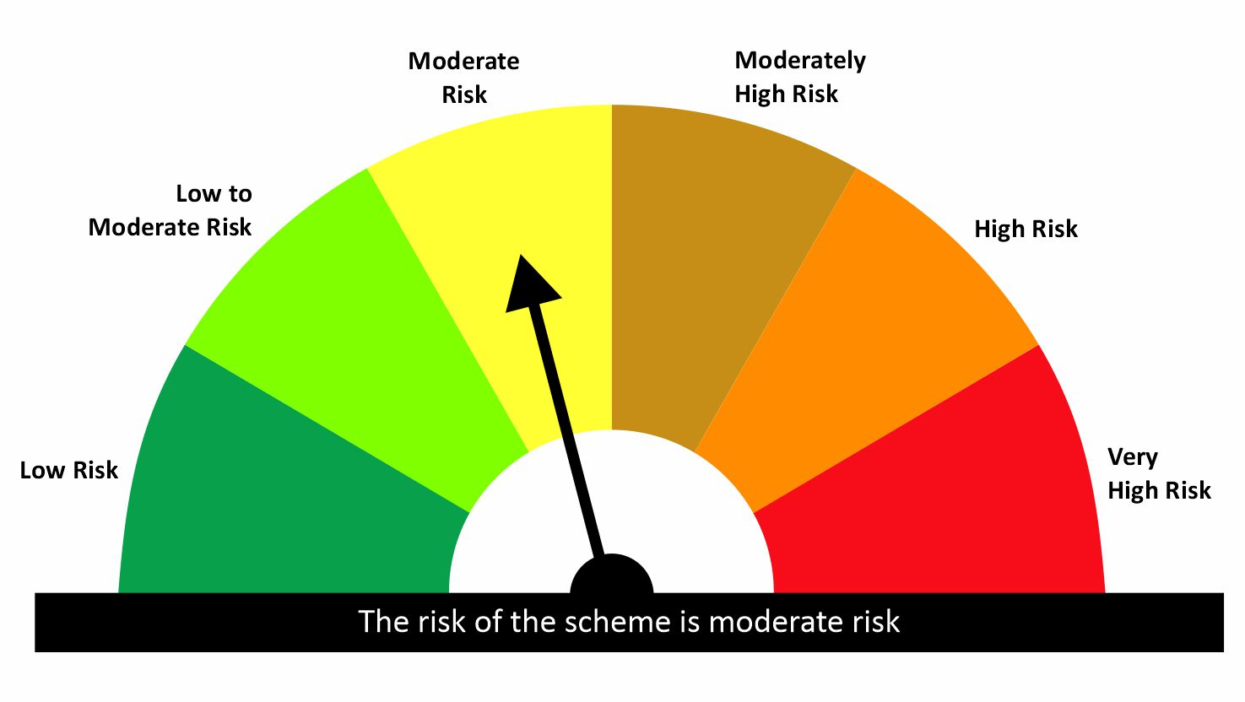
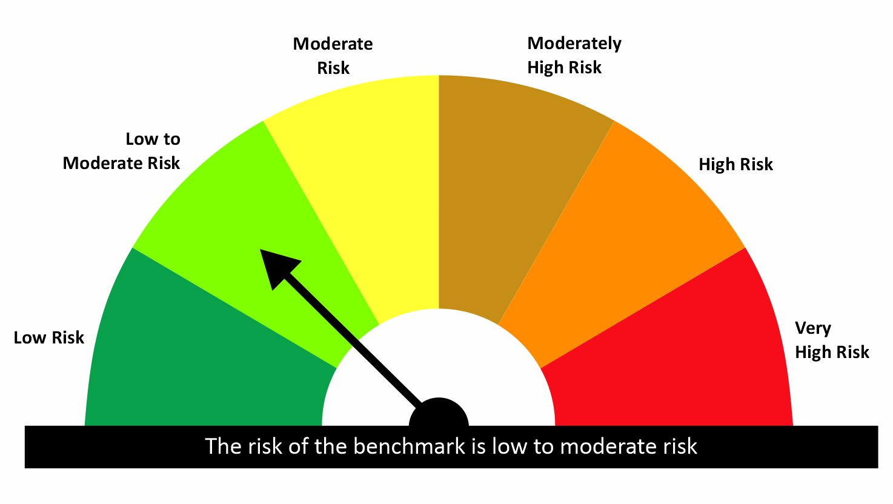
 |  |  |  | Scheme Riskometer |  | Benchmark Riskometer: CRISIL Liquid Debt A-I Index
Scheme Name |  |  | NAV as on date January 30, 2026
quant Liquid Fund - Daily IDCW |  |  | 12.7062
quant Liquid Fund - Growth |  |  | 42.6156
quant Liquid Fund - Monthly IDCW |  |  | 15.1547
quant Liquid Fund - Weekly IDCW |  |  | 14.4819
quant Liquid Fund - Growth Option - Direct Plan |  |  | 43.8049
quant Liquid Fund - Monthly IDCW - Direct Plan |  |  | 15.7218
quant Liquid Fund - Weekly IDCW - Direct Plan |  |  | 14.6445
quant Liquid Fund - Daily IDCW - Direct Plan |  |  | 13.2108

Since Inception Date = Date of First allotment in the Scheme / Plan. Past performance may or may not be sustained in the future. Returns are compounded annualized (CAGR) for more than 1 year. Load is not taken into consideration for computation of performance. Different plans viz. Regular Plan and Direct Plan have a different expense structure. The expenses of the Direct Plan under the Scheme will be lower to the extent of the distribution expenses / commission charged in the Regular Plan.

quant Gilt Fund |  |  |  |  |  |  | AUM in (Cr.) | 100.74
Period | Scheme Return(%) |  | Benchmark Return(%) | T-Bill Return (%) | Value of Rs.10,000 invested
 |  |  |  |  | Scheme |  | Benchmark | T-Bill
 | Direct | Regular |  |  | Direct | Regular
6 Months | 1.14 | 0.08 | 1.63 | 5.57 | 10057 | 10004 | 10082 | 10275
YTD | 0.05 | -0.04 | -0.08 |  | 10005 | 9996 | 9992
1 Year | 4.23 | 3.22 | 5.49 | 6.63 | 10423 | 10322 | 10549 | 10663
3 Years | 6.69 | 5.71 | 7.79 | 6.9 | 12145 | 11812 | 12522 | 12216
5 Years |  |  |  | 3.68 |  |  |  | 11980
SI | 6.68 | 5.69 | 7.67 |  | 12228 | 11880 | 12584


 |  |  |  | Scheme Riskometer |  | Benchmark Riskometer: CRISIL Dynamic Gilt Index
Scheme Name |  |  | NAV as on date January 30, 2026
quant Gilt Fund - Growth |  |  | 11.8797
quant Gilt Fund - IDCW |  |  | 11.8879
quant Gilt Fund - Growth - Direct Plan |  |  | 12.2276
quant Gilt Fund - IDCW - Direct Plan |  |  | 12.2327

Since Inception Date = Date of First allotment in the Scheme / Plan. Past performance may or may not be sustained in the future. Returns are compounded annualized (CAGR) for more than 1 year. Load is not taken into consideration for computation of performance. Different plans viz. Regular Plan and Direct Plan have a different expense structure. The expenses of the Direct Plan under the Scheme will be lower to the extent of the distribution expenses / commission charged in the Regular Plan.

quant Overnight Fund |  |  |  |  |  |  | AUM in (Cr.) | 55.49
Period | Scheme Return(%) |  | Benchmark Return(%) | T-Bill Return (%) | Value of Rs.10,000 invested
 |  |  |  |  | Scheme |  | Benchmark | T-Bill
 | Direct | Regular |  |  | Direct | Regular
7 Day | 5.67 | 5.56 | 4.41 | 5.72 | 10011 | 10011 | 10008 | 10011
15 Day | 5.26 | 5.16 | 4.41 | 5.63 | 10022 | 10021 | 10018 | 10021
1 Month | 5 | 4.91 | 5.12 | 5.54 | 10042 | 10041 | 10043 | 10045
3 Months | 5.05 | 4.97 | 5.23 | 5.58 | 10126 | 10124 | 10131 | 10137
6 Months | 5.2 | 5.11 | 5.39 | 5.57 | 10260 | 10256 | 10269 | 10275
YTD | 0.4 | 0.4 | 0.41 |  | 10040 | 10040 | 10041
1 Year | 5.53 | 5.44 | 5.68 | 6.63 | 10553 | 10544 | 10568 | 10663
3 Years | 6.56 | 6.45 | 6.4 | 6.9 | 12099 | 12064 | 12046 | 12216
5 Years |  |  |  | 3.68 |  |  |  | 11980
SI | 6.55 | 6.44 | 6.41 |  | 12216 | 12176 | 12165

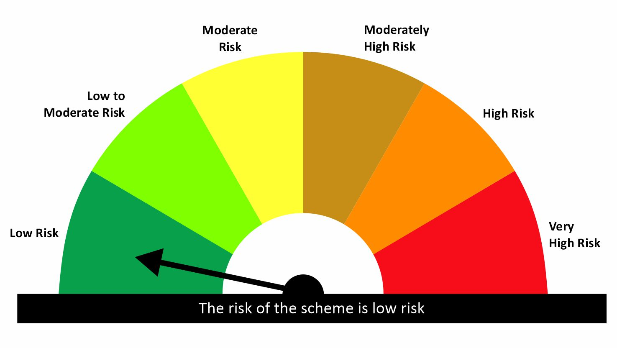

 |  |  |  | Scheme Riskometer |  | Benchmark Riskometer: CRISIL Liquid Overnight Index
Scheme Name |  |  | NAV as on date January 30, 2026
quant Overnight Fund - Growth |  |  | 12.1763
quant Overnight Fund - IDCW |  |  | 12.1642
quant Overnight Fund - Growth - Direct Plan |  |  | 12.216
quant Overnight Fund - IDCW - Direct Plan |  |  | 12.2202

Since Inception Date = Date of First allotment in the Scheme / Plan. Past performance may or may not be sustained in the future. Returns are compounded annualized (CAGR) for more than 1 year. Load is not taken into consideration for computation of performance. Different plans viz. Regular Plan and Direct Plan have a different expense structure. The expenses of the Direct Plan under the Scheme will be lower to the extent of the distribution expenses / commission charged in the Regular Plan.

Hybrid
quant Multi Asset Allocation Fund |  |  |  |  |  |  | AUM in (Cr.) | 4,763.30
Period | Scheme Return(%) |  | Benchmark Return(%) | Nifty Return(%) | Value of Rs.10,000 invested
 |  |  |  |  | Scheme |  | Benchmark | Nifty
 | Direct | Regular |  |  | Direct | Regular
1 Month | 3.05 | 2.95 | 0.28 | -3.04 | 10305 | 10295 | 10028 | 9696
3 Months | 7.73 | 7.41 | 4.63 | -1.45 | 10773 | 10741 | 10463 | 9855
6 Months | 15.65 | 14.96 | 10.51 | 2.64 | 11565 | 11496 | 11051 | 10264
YTD | 3.05 | 2.95 |  | -3.04 | 10305 | 10295 |  | 9696
1 Year | 25.62 | 24.08 | 17.84 | 8.97 | 12562 | 12408 | 11784 | 10897
3 Years | 24.82 | 23.15 | 13.98 | 14.08 | 19446 | 18677 | 14808 | 14848
5 Years | 28.58 | 26.6 | 11.93 | 14.54 | 35150 | 32526 | 17568 | 19714
SI | 16.29 | 11.9 |  | 13.03 | 71814 | 162487 |  | 333080

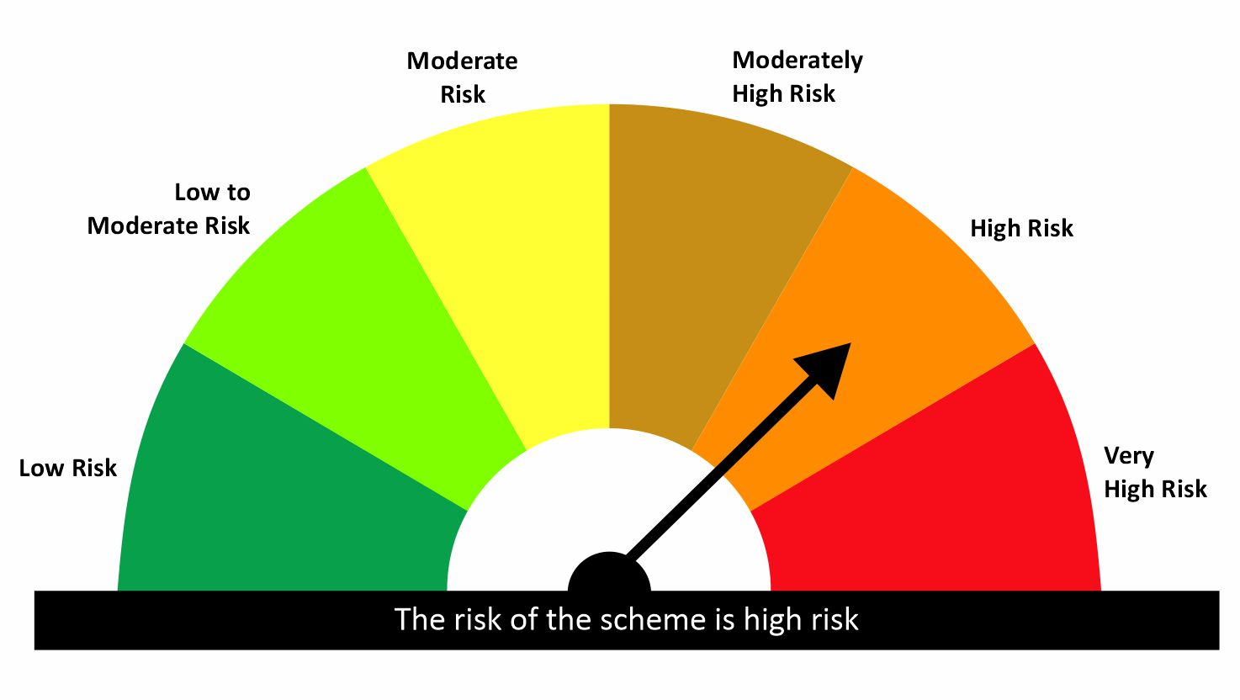
 |  |  |  | Scheme Riskometer |  | Benchmark Riskometer: 65% NIFTY 500 TRI + 15% CRISIL Short Term Bond Fund Index + 20% iCOMDEX Composite Index
Scheme Name |  |  | NAV as on date January 30, 2026
quant Multi Asset Allocation Fund - IDCW |  |  | 148.9503
quant Multi Asset Allocation Fund - Growth |  |  | 162.4868
quant Multi Asset Allocation Fund - IDCW - Direct Plan |  |  | 161.7072
quant Multi Asset Allocation Fund - Growth - Direct Plan |  |  | 175.4643

Since Inception Date = Date of First allotment in the Scheme / Plan. Past performance may or may not be sustained in the future. Returns are compounded annualized (CAGR) for more than 1 year. Load is not taken into consideration for computation of performance. Different plans viz. Regular Plan and Direct Plan have a different expense structure. The expenses of the Direct Plan under the Scheme will be lower to the extent of the distribution expenses / commission charged in the Regular Plan.

quant Aggressive Hybrid Fund |  |  |  |  |  |  | AUM in (Cr.) | 1,957.98
Period | Scheme Return(%) |  | Benchmark Return(%) | Nifty Return(%) | Value of Rs.10,000 invested
 |  |  |  |  | Scheme |  | Benchmark | Nifty
 | Direct | Regular |  |  | Direct | Regular
6 Months | -0.47 | -1.1 | 1.86 | 2.64 | 9953 | 9890 | 10186 | 10264
YTD | -5.22 | -5.31 | -2.14 | -3.1 | 9478 | 9469 | 9786 | 9690
1 Year | 7.36 | 5.97 | 7.62 | 8.97 | 10736 | 10597 | 10762 | 10897
3 Years | 13.19 | 11.69 | 11.72 | 14.08 | 14503 | 13934 | 13943 | 14848
5 Years | 18.18 | 16.8 | 11.55 | 14.54 | 23055 | 21739 | 17271 | 19714
SI | 16.27 | 16.19 | 11.42 | 13.03 | 71616 | 414640 | 41039 | 312673


 |  |  |  | Scheme Riskometer |  | Benchmark Riskometer: NIFTY 50 Hybrid Composite Debt 65:35 Index
Scheme Name |  |  | NAV as on date January 30, 2026
quant Aggressive Hybrid Fund - IDCW |  |  | 57.1902
quant Aggressive Hybrid Fund - Growth |  |  | 414.64
quant Aggressive Hybrid Fund - IDCW - Direct Plan |  |  | 62.9872
quant Aggressive Hybrid Fund - Growth - Direct Plan |  |  | 454.7643

Since Inception Date = Date of First allotment in the Scheme / Plan. Past performance may or may not be sustained in the future. Returns are compounded annualized (CAGR) for more than 1 year. Load is not taken into consideration for computation of performance. Different plans viz. Regular Plan and Direct Plan have a different expense structure. The expenses of the Direct Plan under the Scheme will be lower to the extent of the distribution expenses / commission charged in the Regular Plan.

quant Dynamic Asset Allocation Fund |  |  |  |  |  |  | AUM in (Cr.) | 958.82
Period | Scheme Return(%) |  | Benchmark Return(%) | Nifty Return(%) | Value of Rs.10,000 invested
 |  |  |  |  | Scheme |  | Benchmark | Nifty
 | Direct | Regular |  |  | Direct | Regular
6 Months | -3.68 | -4.37 | 1.52 | 2.64 | 9632 | 9563 | 10152 | 10264
YTD | -4.51 | -4.62 | -1.73 | -3.1 | 9549 | 9538 | 9827 | 9690
1 Year | 2.22 | 0.76 | 7.01 | 8.97 | 10222 | 10076 | 10701 | 10897
3 Years
5 Years
SI | 19.52 | 17.72 | 10.9 | 14.76 | 16485 | 15800 | 13366 | 14711

 |  |  |  | Scheme Riskometer |  | Benchmark Riskometer: NIFTY 50 Hybrid Composite debt 50:50 Index
Scheme Name |  |  | NAV as on date January 30, 2026
Quant Dynamic Asset Allocation Fund - Growth |  |  | 15.7996
Quant Dynamic Asset Allocation Fund - IDCW |  |  | 15.8011
Quant Dynamic Asset Allocation Fund - Growth - Direct Plan |  |  | 16.4854
Quant Dynamic Asset Allocation Fund - IDCW - Direct Plan |  |  | 16.4802

Since Inception Date = Date of First allotment in the Scheme / Plan. Past performance may or may not be sustained in the future. Returns are compounded annualized (CAGR) for more than 1 year. Load is not taken into consideration for computation of performance. Different plans viz. Regular Plan and Direct Plan have a different expense structure. The expenses of the Direct Plan under the Scheme will be lower to the extent of the distribution expenses / commission charged in the Regular Plan.

quant Arbitrage Fund |  |  |  |  |  |  | AUM in (Cr.) | 252.90
Period | Scheme Return(%) |  | Benchmark Return(%) | Nifty Return(%) | Value of Rs.10,000 invested
 |  |  |  |  | Scheme |  | Benchmark | Nifty
 | Direct | Regular |  |  | Direct | Regular
6 Months | 3.69 | 3.38 | 3.88 | 2.64 | 10369 | 10338 | 10388 | 10264
YTD | 0.76 | 0.71 | 0.83 | -3.1 | 10076 | 10071 | 10083 | 9690
1 Year
3 Years
5 Years
SI | 7.45 | 6.84 | 7.27 | 14.4 | 10610 | 10560 | 10595 | 11172

 |  |  |  | Scheme Riskometer |  | Benchmark Riskometer: NIFTY 50 Arbitrage
Scheme Name |  |  | NAV as on date January 30, 2026
Quant Arbitrage Fund-Reg(G) |  |  | 10.5602
Quant Arbitrage Fund-Reg(IDCW) |  |  | 10.5604
Quant Arbitrage Fund(G)-Direct Plan |  |  | 10.6099
Quant Arbitrage Fund(IDCW)-Direct Plan |  |  | 10.6044

Since Inception Date = Date of First allotment in the Scheme / Plan. Past performance may or may not be sustained in the future. Returns are compounded annualized (CAGR) for more than 1 year. Load is not taken into consideration for computation of performance. Different plans viz. Regular Plan and Direct Plan have a different expense structure. The expenses of the Direct Plan under the Scheme will be lower to the extent of the distribution expenses / commission charged in the Regular Plan.

quant Equity Savings Fund |  |  |  |  |  |  | AUM in (Cr.) | 42.06
Period | Scheme Return(%) |  | Benchmark Return(%) | Nifty Return(%) | Value of Rs.10,000 invested
 |  |  |  |  | Scheme |  | Benchmark | Nifty
 | Direct | Regular |  |  | Direct | Regular
6 Months | 2.15 | 1.28 | 3 | 2.64 | 10215 | 10128 | 10300 | 10264
YTD | 0.45 | 0.31 | -0.81 | -3.1 | 10045 | 10031 | 9919 | 9690
1 Year
3 Years
5 Years
SI | 4.52 | 2.74 | 5.15 | 2.88 | 10232 | 10142 | 10265 | 10149


 |  |  |  | Scheme Riskometer |  | Benchmark Riskometer: NIFTY Equity Savings Index
Scheme Name |  |  | NAV as on date January 30, 2026
Quant Equity Savings Fund-Reg(G) |  |  | 10.1417
Quant Equity Savings Fund-Reg(IDCW) |  |  | 10.1415
Quant Equity Savings Fund(G)-Direct Plan |  |  | 10.2325
Quant Equity Savings Fund(IDCW)-Direct Plan |  |  | 10.2214

Since Inception Date = Date of First allotment in the Scheme / Plan. Past performance may or may not be sustained in the future. Returns are compounded annualized (CAGR) for more than 1 year. Load is not taken into consideration for computation of performance. Different plans viz. Regular Plan and Direct Plan have a different expense structure. The expenses of the Direct Plan under the Scheme will be lower to the extent of the distribution expenses / commission charged in the Regular Plan.

