Equity
quant Small Cap Fund |  |  |  |  |  |  | AUM in (Cr.) | 34,068.88
Period | Scheme Return(%) |  | Benchmark Return(%) | Nifty Return(%) | Value of Rs.10,000 invested
 |  |  |  |  | Scheme |  | Benchmark | Nifty
 | Direct | Regular |  |  | Direct | Regular
6 Months | 20.56 | 20.04 | 14.05 | -2.98 | 12056 | 12004 | 11405 | 9702
YTD | 11.59 | 11.03 | 7.89 | -5.99 | 11159 | 11103 | 10789 | 9401
1 Year | 10.8 | 9.85 | 5.19 | -0.43 | 11080 | 10985 | 10519 | 9957
3 Years | 18.53 | 17.45 | 17.15 | 8.57 | 16654 | 16201 | 16078 | 12798
5 Years | 18.63 | 17.27 | 15.28 | 10.41 | 23498 | 22175 | 20363 | 16405
SI | 17.65 | 11.88 | 15.87 | 12.27 | 90577 | 281852 | 73673

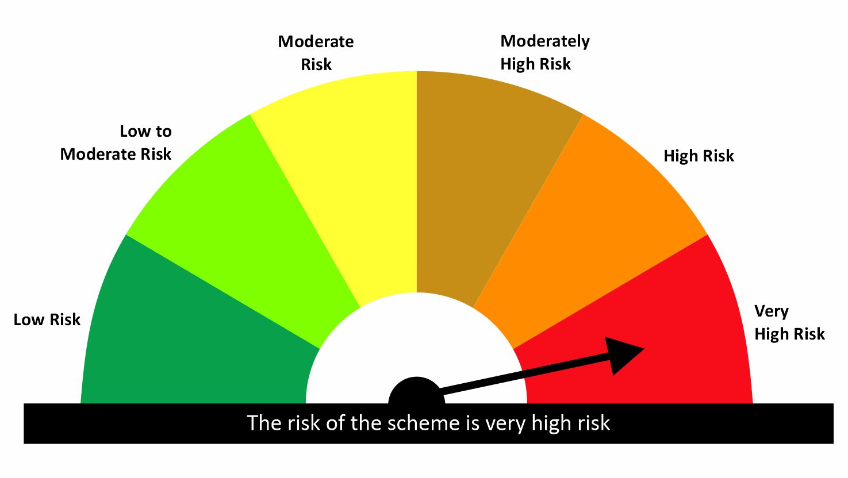

 |  |  |  | Scheme Riskometer |  | Benchmark Riskometer: NIFTY SMALLCAP 250 TRI
Scheme Name |  |  | NAV as on date July 31, 2026
quant Small Cap Fund - IDCW |  |  | 224.1445
quant Small Cap Fund - Growth |  |  | 281.853
quant Small Cap Fund - Growth - Direct Plan |  |  | 308.9555
quant Small Cap Fund - IDCW - Direct Plan |  |  | 241.5075

Since Inception Date = Date of First allotment in the Scheme / Plan. Past performance may or may not be sustained in the future. Returns are compounded annualized (CAGR) for more than 1 year. Load is not taken into consideration for computation of performance. Different plans viz. Regular Plan and Direct Plan have a different expense structure. The expenses of the Direct Plan under the Scheme will be lower to the extent of the distribution expenses / commission charged in the Regular Plan.

quant ELSS Tax Saver Fund |  |  |  |  |  |  | AUM in (Cr.) | 13,382.30
Period | Scheme Return(%) |  | Benchmark Return(%) | Nifty Return(%) | Value of Rs.10,000 invested
 |  |  |  |  | Scheme |  | Benchmark | Nifty
 | Direct | Regular |  |  | Direct | Regular
6 Months | 15.05 | 14.48 | 2.27 | -2.98 | 11505 | 11448 | 10227 | 9702
YTD | 8.02 | 7.4 | -1.23 | -5.99 | 10802 | 10740 | 9877 | 9401
1 Year | 14.19 | 13.04 | 3.37 | -0.43 | 11419 | 11304 | 10337 | 9957
3 Years | 16.31 | 15.1 | 12.3 | 8.57 | 15735 | 15248 | 14163 | 12798
5 Years | 15.92 | 14.43 | 12.54 | 10.41 | 20933 | 19619 | 18055 | 16405
SI | 19.95 | 15.15 | 13.61 | 12.27 | 117904 | 408321 | 56394 | 228319

 |  |  |  | Scheme Riskometer |  | Benchmark Riskometer: NIFTY 500 TRI
Scheme Name |  |  | NAV as on date July 31, 2026
quant Tax Plan - IDCW |  |  | 56.6994
quant Tax Plan - Growth |  |  | 408.3165
quant Tax Plan - Growth - Direct Plan |  |  | 461.6166
quant Tax Plan - IDCW - Direct Plan |  |  | 61.5356

Since Inception Date = Date of First allotment in the Scheme / Plan. Past performance may or may not be sustained in the future. Returns are compounded annualized (CAGR) for more than 1 year. Load is not taken into consideration for computation of performance. Different plans viz. Regular Plan and Direct Plan have a different expense structure. The expenses of the Direct Plan under the Scheme will be lower to the extent of the distribution expenses / commission charged in the Regular Plan.

quant Mid Cap Fund |  |  |  |  |  |  | AUM in (Cr.) | 8,106.70
Period | Scheme Return(%) |  | Benchmark Return(%) | Nifty Return(%) | Value of Rs.10,000 invested
 |  |  |  |  | Scheme |  | Benchmark | Nifty
 | Direct | Regular |  |  | Direct | Regular
6 Months | 16.03 | 15.43 | 8.09 | -2.98 | 11603 | 11543 | 10809 | 9702
YTD | 7.2 | 6.57 | 3.87 | -5.99 | 10720 | 10657 | 10387 | 9401
1 Year | 5.02 | 3.93 | 9.01 | -0.43 | 10502 | 10393 | 10901 | 9957
3 Years | 13.8 | 12.56 | 18.54 | 8.57 | 14739 | 14261 | 16659 | 12798
5 Years | 16.76 | 15.05 | 17.93 | 10.41 | 21704 | 20156 | 22810 | 16405
SI | 16.83 | 13.01 | 18.17 | 12.27 | 82401 | 222412 | 96221 | 294857

 |  |  |  | Scheme Riskometer |  | Benchmark Riskometer: NIFTY MIDCAP 150 TRI
Scheme Name |  |  | NAV as on date July 31, 2026
quant Mid Cap Fund - IDCW |  |  | 79.0689
quant Mid Cap Fund - Growth |  |  | 222.4138
quant Mid Cap Fund - Growth - Direct Plan |  |  | 252.2089
quant Mid Cap Fund - IDCW - Direct Plan |  |  | 88.586

Since Inception Date = Date of First allotment in the Scheme / Plan. Past performance may or may not be sustained in the future. Returns are compounded annualized (CAGR) for more than 1 year. Load is not taken into consideration for computation of performance. Different plans viz. Regular Plan and Direct Plan have a different expense structure. The expenses of the Direct Plan under the Scheme will be lower to the extent of the distribution expenses / commission charged in the Regular Plan.

quant Multi Cap Fund |  |  |  |  |  |  | AUM in (Cr.) | 7,716.92
Period | Scheme Return(%) |  | Benchmark Return(%) | Nifty Return(%) | Value of Rs.10,000 invested
 |  |  |  |  | Scheme |  | Benchmark | Nifty
 | Direct | Regular |  |  | Direct | Regular
6 Months | 14.75 | 14.12 | 5.04 | -2.98 | 11475 | 11412 | 10504 | 9702
YTD | 8.22 | 7.53 | 1.01 | -5.99 | 10822 | 10753 | 10101 | 9401
1 Year | 7.65 | 6.46 | 4.46 | -0.43 | 10765 | 10646 | 10446 | 9957
3 Years | 11.21 | 10 | 14.21 | 8.57 | 13756 | 13309 | 14897 | 12798
5 Years | 12.68 | 11.28 | 13.94 | 10.41 | 18165 | 17065 | 19201 | 16405
SI | 18.34 | 18 | 15.02 | 12.27 | 98104 | 657503 | 66736 | 323142

 |  |  |  | Scheme Riskometer |  | Benchmark Riskometer: NIFTY500 MULTICAP 50 25 25 TRI
Scheme Name |  |  | NAV as on date July 31, 2026
quant Multi Cap Fund - IDCW |  |  | 75.1933
quant Multi Cap Fund - Growth |  |  | 657.4985
quant Multi Cap Fund - IDCW - Direct Plan |  |  | 83.9574
quant Multi Cap Fund - Growth - Direct Plan |  |  | 724.9641

Since Inception Date = Date of First allotment in the Scheme / Plan. Past performance may or may not be sustained in the future. Returns are compounded annualized (CAGR) for more than 1 year. Load is not taken into consideration for computation of performance. Different plans viz. Regular Plan and Direct Plan have a different expense structure. The expenses of the Direct Plan under the Scheme will be lower to the extent of the distribution expenses / commission charged in the Regular Plan.

quant Flexi Cap Fund |  |  |  |  |  |  | AUM in (Cr.) | 7,261.61
Period | Scheme Return(%) |  | Benchmark Return(%) | Nifty Return(%) | Value of Rs.10,000 invested
 |  |  |  |  | Scheme |  | Benchmark | Nifty
 | Direct | Regular |  |  | Direct | Regular
6 Months | 16.32 | 15.65 | 2.27 | -2.98 | 11632 | 11565 | 10227 | 9702
YTD | 9.31 | 8.59 | -1.23 | -5.99 | 10931 | 10859 | 9877 | 9401
1 Year | 13.66 | 12.38 | 3.37 | -0.43 | 11366 | 11238 | 10337 | 9957
3 Years | 16.91 | 15.56 | 12.3 | 8.57 | 15979 | 15431 | 14163 | 12798
5 Years | 15.77 | 14.5 | 12.54 | 10.41 | 20799 | 19681 | 18055 | 16405
SI | 18.7 | 14.34 | 13.61 | 12.27 | 102243 | 108345 | 56394 | 98149

 |  |  |  | Scheme Riskometer |  | Benchmark Riskometer: NIFTY 500 TRI
Scheme Name |  |  | NAV as on date July 31, 2026
quant Flexicap Fund - Growth |  |  | 108.3448
quant Flexicap Fund - IDCW |  |  | 77.4361
quant Flexicap Fund - Growth - Direct Plan |  |  | 121.8396
quant Flexicap Fund - IDCW - Direct Plan |  |  | 82.8196

Since Inception Date = Date of First allotment in the Scheme / Plan. Past performance may or may not be sustained in the future. Returns are compounded annualized (CAGR) for more than 1 year. Load is not taken into consideration for computation of performance. Different plans viz. Regular Plan and Direct Plan have a different expense structure. The expenses of the Direct Plan under the Scheme will be lower to the extent of the distribution expenses / commission charged in the Regular Plan.

quant Large Cap Fund |  |  |  |  |  |  | AUM in (Cr.) | 3,590.61
Period | Scheme Return(%) |  | Benchmark Return(%) | Nifty Return(%) | Value of Rs.10,000 invested
 |  |  |  |  | Scheme |  | Benchmark | Nifty
 | Direct | Regular |  |  | Direct | Regular
6 Months | 10.35 | 9.55 | -0.89 | -2.98 | 11035 | 10955 | 9911 | 9702
YTD | 4.82 | 3.94 | -3.89 | -5.99 | 10482 | 10394 | 9611 | 9401
1 Year | 8.49 | 6.91 | 1.54 | -0.43 | 10849 | 10691 | 10154 | 9957
3 Years | 14.44 | 12.74 | 10.24 | 8.57 | 14989 | 14331 | 13397 | 12798
5 Years
SI | 14.2 | 12.43 | 10.45 | 9.7 | 16942 | 15919 | 14838 | 14442

 |  |  |  | Scheme Riskometer |  | Benchmark Riskometer: NIFTY 100 TRI
Scheme Name |  |  | NAV as on date July 31, 2026
quant Large Cap Fund-Growth |  |  | 15.9192
quant Large Cap Fund-IDCW |  |  | 15.8311
quant Large Cap Fund Growth-Direct Plan |  |  | 16.942
quant Large Cap Fund-IDCW-Direct Plan |  |  | 17.012

Since Inception Date = Date of First allotment in the Scheme / Plan. Past performance may or may not be sustained in the future. Returns are compounded annualized (CAGR) for more than 1 year. Load is not taken into consideration for computation of performance. Different plans viz. Regular Plan and Direct Plan have a different expense structure. The expenses of the Direct Plan under the Scheme will be lower to the extent of the distribution expenses / commission charged in the Regular Plan.

quant Large & Mid Cap Fund |  |  |  |  |  |  | AUM in (Cr.) | 3,496.35
Period | Scheme Return(%) |  | Benchmark Return(%) | Nifty Return(%) | Value of Rs.10,000 invested
 |  |  |  |  | Scheme |  | Benchmark | Nifty
 | Direct | Regular |  |  | Direct | Regular
6 Months | 19.48 | 18.76 | 3.56 | -2.98 | 11948 | 11876 | 10356 | 9702
YTD | 9.89 | 9.12 | -0.02 | -5.99 | 10989 | 10912 | 9998 | 9401
1 Year | 11.18 | 9.82 | 5.27 | -0.43 | 11118 | 10982 | 10527 | 9957
3 Years | 16.67 | 15.19 | 14.45 | 8.57 | 15882 | 15284 | 14993 | 12798
5 Years | 17.51 | 15.8 | 14.5 | 10.41 | 22411 | 20819 | 19680 | 16405
SI | 18.12 | 13.8 | 15.55 | 12.27 | 95673 | 125403 | 70979 | 78408

 |  |  |  | Scheme Riskometer |  | Benchmark Riskometer: NIFTY LARGEMIDCAP 250 TRI
Scheme Name |  |  | NAV as on date July 31, 2026
quant Large & Mid Cap Fund - IDCW |  |  | 76.5451
quant Large & Mid Cap Fund - Growth |  |  | 125.4018
quant Large & Mid Cap Fund - IDCW - Direct Plan |  |  | 64.7353
quant Large & Mid Cap Fund - Growth - Direct Plan |  |  | 139.0299

Since Inception Date = Date of First allotment in the Scheme / Plan. Past performance may or may not be sustained in the future. Returns are compounded annualized (CAGR) for more than 1 year. Load is not taken into consideration for computation of performance. Different plans viz. Regular Plan and Direct Plan have a different expense structure. The expenses of the Direct Plan under the Scheme will be lower to the extent of the distribution expenses / commission charged in the Regular Plan.

quant Infrastructure Fund |  |  |  |  |  |  | AUM in (Cr.) | 3,145.82
Period | Scheme Return(%) |  | Benchmark Return(%) | Nifty Return(%) | Value of Rs.10,000 invested
 |  |  |  |  | Scheme |  | Benchmark | Nifty
 | Direct | Regular |  |  | Direct | Regular
6 Months | 17.98 | 17.29 | 3.43 | -2.98 | 11798 | 11729 | 10343 | 9702
YTD | 8.75 | 8.01 | -2.19 | -5.99 | 10875 | 10801 | 9781 | 9401
1 Year | 11.66 | 10.31 | 4.73 | -0.43 | 11166 | 11031 | 10473 | 9957
3 Years | 18.73 | 17.25 | 16.56 | 8.57 | 16737 | 16120 | 15834 | 12798
5 Years | 20.02 | 18.31 | 17.44 | 10.41 | 24908 | 23183 | 22340 | 16405
SI | 17.25 | 7.78 | 11.38 | 12.27 | 86574 | 41090 | 43132 | 64217

 |  |  |  | Scheme Riskometer |  | Benchmark Riskometer: NIFTY INFRASTRUCTURE TRI
Scheme Name |  |  | NAV as on date July 31, 2026
quant Infrastructure Fund - IDCW |  |  | 40.9979
quant Infrastructure Fund - Growth |  |  | 41.0896
quant Infrastructure Fund - Growth - Direct Plan |  |  | 45.6592
quant Infrastructure Fund - IDCW - Direct Plan |  |  | 45.6223

Since Inception Date = Date of First allotment in the Scheme / Plan. Past performance may or may not be sustained in the future. Returns are compounded annualized (CAGR) for more than 1 year. Load is not taken into consideration for computation of performance. Different plans viz. Regular Plan and Direct Plan have a different expense structure. The expenses of the Direct Plan under the Scheme will be lower to the extent of the distribution expenses / commission charged in the Regular Plan.

quant Value Fund |  |  |  |  |  |  | AUM in (Cr.) | 1,944.73
Period | Scheme Return(%) |  | Benchmark Return(%) | Nifty Return(%) | Value of Rs.10,000 invested
 |  |  |  |  | Scheme |  | Benchmark | Nifty
 | Direct | Regular |  |  | Direct | Regular
6 Months | 19.93 | 19.01 | 2.27 | -2.98 | 11993 | 11901 | 10227 | 9702
YTD | 12.87 | 11.87 | -1.23 | -5.99 | 11287 | 11187 | 9877 | 9401
1 Year | 16.29 | 14.51 | 3.37 | -0.43 | 11629 | 11451 | 10337 | 9957
3 Years | 21.86 | 20.02 | 12.3 | 8.57 | 18094 | 17287 | 14163 | 12798
5 Years
SI | 20.68 | 18.72 | 11.75 | 9.37 | 24035 | 22267 | 16791 | 15184

 |  |  |  | Scheme Riskometer |  | Benchmark Riskometer: NIFTY 500 TRI
Scheme Name |  |  | NAV as on date July 31, 2026
quant Value Fund REGULAR PLAN (GROWTH) |  |  | 22.2671
quant Value Fund REGULAR PLAN (IDCW) |  |  | 22.3892
quant Value Fund DIRECT PLAN (GROWTH) |  |  | 24.0351
quant Value Fund DIRECT PLAN (IDCW) |  |  | 22.8363

Since Inception Date = Date of First allotment in the Scheme / Plan. Past performance may or may not be sustained in the future. Returns are compounded annualized (CAGR) for more than 1 year. Load is not taken into consideration for computation of performance. Different plans viz. Regular Plan and Direct Plan have a different expense structure. The expenses of the Direct Plan under the Scheme will be lower to the extent of the distribution expenses / commission charged in the Regular Plan.

quant Quantamental Fund |  |  |  |  |  |  | AUM in (Cr.) | 1,642.27
Period | Scheme Return(%) |  | Benchmark Return(%) | Nifty Return(%) | Value of Rs.10,000 invested
 |  |  |  |  | Scheme |  | Benchmark | Nifty
 | Direct | Regular |  |  | Direct | Regular
6 Months | 12.51 | 11.78 | 0.75 | -2.98 | 11251 | 11178 | 10075 | 9702
YTD | 6.54 | 5.74 | -2.44 | -5.99 | 10654 | 10574 | 9756 | 9401
1 Year | 13.31 | 11.84 | 3.16 | -0.43 | 11331 | 11184 | 10316 | 9957
3 Years | 17.09 | 15.52 | 11.68 | 8.57 | 16052 | 15418 | 13931 | 12798
5 Years | 20.08 | 18.3 | 12.11 | 10.41 | 24963 | 23168 | 17707 | 16405
SI | 20.98 | 19.21 | 13.49 | 11.6 | 27140 | 25123 | 19415 | 17776

 |  |  |  | Scheme Riskometer |  | Benchmark Riskometer: NIFTY 200 TRI
Scheme Name |  |  | NAV as on date July 31, 2026
quant quantamental Fund - Regular Plan - Growth |  |  | 25.1228
quant quantamental Fund - Regular Plan - IDCW |  |  | 25.152
quant quantamental Fund - Growth - Direct Plan |  |  | 27.2052
quant quantamental Fund - IDCW - Direct Plan |  |  | 27.3548

Since Inception Date = Date of First allotment in the Scheme / Plan. Past performance may or may not be sustained in the future. Returns are compounded annualized (CAGR) for more than 1 year. Load is not taken into consideration for computation of performance. Different plans viz. Regular Plan and Direct Plan have a different expense structure. The expenses of the Direct Plan under the Scheme will be lower to the extent of the distribution expenses / commission charged in the Regular Plan.

quant Momentum Fund |  |  |  |  |  |  | AUM in (Cr.) | 1,355.58
Period | Scheme Return(%) |  | Benchmark Return(%) | Nifty Return(%) | Value of Rs.10,000 invested
 |  |  |  |  | Scheme |  | Benchmark | Nifty
 | Direct | Regular |  |  | Direct | Regular
6 Months | 11.61 | 10.95 | 2.27 | -2.98 | 11161 | 11095 | 10227 | 9702
YTD | 6.1 | 5.38 | -1.23 | -5.99 | 10610 | 10538 | 9877 | 9401
1 Year | 8.9 | 7.62 | 3.37 | -0.43 | 10890 | 10762 | 10337 | 9957
3 Years
5 Years
SI | 18.53 | 17.02 | 12.4 | 9.55 | 15808 | 15274 | 13701 | 12785

 |  |  |  | Scheme Riskometer |  | Benchmark Riskometer: NIFTY 500 TRI
Scheme Name |  |  | NAV as on date July 31, 2026
Quant Momentum Fund-Growth |  |  | 15.2735
Quant Momentum Fund-IDCW |  |  | 15.2251
Quant Momentum Fund-Growth-Direct Plan |  |  | 15.8083
Quant Momentum Fund-IDCW-Direct Plan |  |  | 15.7922

Since Inception Date = Date of First allotment in the Scheme / Plan. Past performance may or may not be sustained in the future. Returns are compounded annualized (CAGR) for more than 1 year. Load is not taken into consideration for computation of performance. Different plans viz. Regular Plan and Direct Plan have a different expense structure. The expenses of the Direct Plan under the Scheme will be lower to the extent of the distribution expenses / commission charged in the Regular Plan.

quant Business Cycle Fund |  |  |  |  |  |  | AUM in (Cr.) | 995.91
Period | Scheme Return(%) |  | Benchmark Return(%) | Nifty Return(%) | Value of Rs.10,000 invested
 |  |  |  |  | Scheme |  | Benchmark | Nifty
 | Direct | Regular |  |  | Direct | Regular
6 Months | 12.35 | 11.5 | 2.27 | -2.98 | 11235 | 11150 | 10227 | 9702
YTD | 6.3 | 5.36 | -1.23 | -5.99 | 10630 | 10536 | 9877 | 9401
1 Year | 5.85 | 4.25 | 3.37 | -0.43 | 10585 | 10425 | 10337 | 9957
3 Years | 16.02 | 14.25 | 12.3 | 8.57 | 15618 | 14914 | 14163 | 12798
5 Years
SI | 19.09 | 17.25 | 14.43 | 10.21 | 17398 | 16563 | 15334 | 13609

 |  |  |  | Scheme Riskometer |  | Benchmark Riskometer: NIFTY 500 TRI
Scheme Name |  |  | NAV as on date July 31, 2026
Quant Business Cycle Fund - Growth |  |  | 16.5634
Quant Business Cycle Fund - IDCW |  |  | 16.5793
Quant Business Cycle Fund - IDCW - Direct Plan |  |  | 17.3981
Quant Business Cycle Fund - Growth - Direct Plan |  |  | 17.3853

Since Inception Date = Date of First allotment in the Scheme / Plan. Past performance may or may not be sustained in the future. Returns are compounded annualized (CAGR) for more than 1 year. Load is not taken into consideration for computation of performance. Different plans viz. Regular Plan and Direct Plan have a different expense structure. The expenses of the Direct Plan under the Scheme will be lower to the extent of the distribution expenses / commission charged in the Regular Plan.

quant BFSI Fund |  |  |  |  |  |  | AUM in (Cr.) | 898.79
Period | Scheme Return(%) |  | Benchmark Return(%) | Nifty Return(%) | Value of Rs.10,000 invested
 |  |  |  |  | Scheme |  | Benchmark | Nifty
 | Direct | Regular |  |  | Direct | Regular
6 Months | 11.09 | 10.22 | -2.01 | -2.98 | 11109 | 11022 | 9799 | 9702
YTD | 7.61 | 6.64 | -3.2 | -5.99 | 10761 | 10664 | 9680 | 9401
1 Year | 18.87 | 17.02 | 0.75 | -0.43 | 11887 | 11702 | 10075 | 9957
3 Years | 25.91 | 23.91 | 10.42 | 8.57 | 19960 | 19025 | 13462 | 12798
5 Years
SI | 28.25 | 26.21 | 11.53 | 9.99 | 21697 | 20637 | 14046 | 13449

 |  |  |  | Scheme Riskometer |  | Benchmark Riskometer: NIFTY FINANCIAL SERVICES TRI
Scheme Name |  |  | NAV as on date July 31, 2026
Quant BFSI Fund - Growth |  |  | 20.6374
Quant BFSI Fund - IDCW |  |  | 20.6359
Quant BFSI Fund - Growth - Direct Plan |  |  | 21.697
Quant BFSI Fund - IDCW - Direct Plan |  |  | 21.7211

Since Inception Date = Date of First allotment in the Scheme / Plan. Past performance may or may not be sustained in the future. Returns are compounded annualized (CAGR) for more than 1 year. Load is not taken into consideration for computation of performance. Different plans viz. Regular Plan and Direct Plan have a different expense structure. The expenses of the Direct Plan under the Scheme will be lower to the extent of the distribution expenses / commission charged in the Regular Plan.

quant Focused Fund |  |  |  |  |  |  | AUM in (Cr.) | 850.08
Period | Scheme Return(%) |  | Benchmark Return(%) | Nifty Return(%) | Value of Rs.10,000 invested
 |  |  |  |  | Scheme |  | Benchmark | Nifty
 | Direct | Regular |  |  | Direct | Regular
6 Months | 13.82 | 12.98 | 2.27 | -2.98 | 11382 | 11298 | 10227 | 9702
YTD | 8.1 | 7.17 | -1.23 | -5.99 | 10810 | 10717 | 9877 | 9401
1 Year | 11.07 | 9.45 | 3.37 | -0.43 | 11107 | 10945 | 10337 | 9957
3 Years | 14.16 | 12.45 | 12.3 | 8.57 | 14879 | 14220 | 14163 | 12798
5 Years | 14.09 | 12.2 | 12.54 | 10.41 | 19332 | 17780 | 18055 | 16405
SI | 16.88 | 13.24 | 13.61 | 12.27 | 82955 | 92861 | 56394 | 71727

 |  |  |  | Scheme Riskometer |  | Benchmark Riskometer: NIFTY 500 TRI
Scheme Name |  |  | NAV as on date July 31, 2026
quant Focused Fund - Growth |  |  | 92.861
quant Focused Fund - IDCW |  |  | 69.0468
quant Focused Fund - Growth - Direct Plan |  |  | 104.596
quant Focused Fund - IDCW - Direct Plan |  |  | 61.1433

Since Inception Date = Date of First allotment in the Scheme / Plan. Past performance may or may not be sustained in the future. Returns are compounded annualized (CAGR) for more than 1 year. Load is not taken into consideration for computation of performance. Different plans viz. Regular Plan and Direct Plan have a different expense structure. The expenses of the Direct Plan under the Scheme will be lower to the extent of the distribution expenses / commission charged in the Regular Plan.

quant Manufacturing Fund |  |  |  |  |  |  | AUM in (Cr.) | 744.51
Period | Scheme Return(%) |  | Benchmark Return(%) | Nifty Return(%) | Value of Rs.10,000 invested
 |  |  |  |  | Scheme |  | Benchmark | Nifty
 | Direct | Regular |  |  | Direct | Regular
6 Months | 24.05 | 23.18 | 9.18 | -2.98 | 12405 | 12318 | 10918 | 9702
YTD | 15.85 | 14.91 | 6.3 | -5.99 | 11585 | 11491 | 10630 | 9401
1 Year | 16.85 | 15.2 | 15.78 | -0.43 | 11685 | 11520 | 11578 | 9957
3 Years
5 Years
SI | 20.86 | 19.03 | 20.55 | 9.22 | 17530 | 16756 | 17397 | 12985

 |  |  |  | Scheme Riskometer |  | Benchmark Riskometer: NIFTY INDIA MANUFACTURING TRI
Scheme Name |  |  | NAV as on date July 31, 2026
Quant Manufacturing Fund-Growth |  |  | 16.7556
Quant Manufacturing Fund-IDCW |  |  | 16.8835
Quant Manufacturing Fund-Growth-Direct Plan |  |  | 17.5305
Quant Manufacturing Fund-IDCW-Direct Plan |  |  | 17.5257

Since Inception Date = Date of First allotment in the Scheme / Plan. Past performance may or may not be sustained in the future. Returns are compounded annualized (CAGR) for more than 1 year. Load is not taken into consideration for computation of performance. Different plans viz. Regular Plan and Direct Plan have a different expense structure. The expenses of the Direct Plan under the Scheme will be lower to the extent of the distribution expenses / commission charged in the Regular Plan.

quant PSU Fund |  |  |  |  |  |  | AUM in (Cr.) | 450.28
Period | Scheme Return(%) |  | Benchmark Return(%) | Nifty Return(%) | Value of Rs.10,000 invested
 |  |  |  |  | Scheme |  | Benchmark | Nifty
 | Direct | Regular |  |  | Direct | Regular
6 Months | 8.61 | 7.87 | -1.31 | -2.98 | 10861 | 10787 | 9869 | 9702
YTD | 2.45 | 1.65 | 1.36 | -5.99 | 10245 | 10165 | 10136 | 9401
1 Year | 6.02 | 4.59 | 4.87 | -0.43 | 10602 | 10459 | 10487 | 9957
3 Years
5 Years
SI | 3.56 | 2.11 | 3.9 | 5.22 | 10891 | 10522 | 10980 | 11324

 |  |  |  | Scheme Riskometer |  | Benchmark Riskometer: NIFTY PSE TRI
Scheme Name |  |  | NAV as on date July 31, 2026
Quant PSU Fund-Growth |  |  | 10.5223
Quant PSU Fund-IDCW |  |  | 10.522
Quant PSU Fund-Growth-Direct Plan |  |  | 10.8909
Quant PSU Fund-IDCW-Direct Plan |  |  | 10.8972

Since Inception Date = Date of First allotment in the Scheme / Plan. Past performance may or may not be sustained in the future. Returns are compounded annualized (CAGR) for more than 1 year. Load is not taken into consideration for computation of performance. Different plans viz. Regular Plan and Direct Plan have a different expense structure. The expenses of the Direct Plan under the Scheme will be lower to the extent of the distribution expenses / commission charged in the Regular Plan.

quant Healthcare Fund |  |  |  |  |  |  | AUM in (Cr.) | 397.15
Period | Scheme Return(%) |  | Benchmark Return(%) | Nifty Return(%) | Value of Rs.10,000 invested
 |  |  |  |  | Scheme |  | Benchmark | Nifty
 | Direct | Regular |  |  | Direct | Regular
6 Months | 22.5 | 21.52 | 21.16 | -2.98 | 12250 | 12152 | 12116 | 9702
YTD | 17.68 | 16.59 | 15.21 | -5.99 | 11768 | 11659 | 11521 | 9401
1 Year | 15.55 | 13.71 | 13.17 | -0.43 | 11555 | 11371 | 11317 | 9957
3 Years | 21.32 | 19.36 | 21.27 | 8.57 | 17855 | 17003 | 17834 | 12798
5 Years
SI | 22.07 | 20.09 | 22.97 | 8.55 | 18330 | 17443 | 18746 | 12833

 |  |  |  | Scheme Riskometer |  | Benchmark Riskometer: NIFTY HEALTHCARE INDEX TRI
Scheme Name |  |  | NAV as on date July 31, 2026
Quant Healthcare Fund-Growth |  |  | 17.4426
Quant Healthcare Fund-IDCW |  |  | 17.4417
Quant Healthcare Fund-Growth-Direct Plan |  |  | 18.3299
Quant Healthcare Fund-IDCW-Direct Plan |  |  | 18.3281

Since Inception Date = Date of First allotment in the Scheme / Plan. Past performance may or may not be sustained in the future. Returns are compounded annualized (CAGR) for more than 1 year. Load is not taken into consideration for computation of performance. Different plans viz. Regular Plan and Direct Plan have a different expense structure. The expenses of the Direct Plan under the Scheme will be lower to the extent of the distribution expenses / commission charged in the Regular Plan.

quant Commodities Fund |  |  |  |  |  |  | AUM in (Cr.) | 360.45
Period | Scheme Return(%) |  | Benchmark Return(%) | Nifty Return(%) | Value of Rs.10,000 invested
 |  |  |  |  | Scheme |  | Benchmark | Nifty
 | Direct | Regular |  |  | Direct | Regular
6 Months | 21.49 | 20.61 | 2.9 | -2.98 | 12149 | 12061 | 10290 | 9702
YTD | 10.73 | 9.8 | 3.61 | -5.99 | 11073 | 10980 | 10361 | 9401
1 Year | 14.76 | 13.1 | 14.1 | -0.43 | 11476 | 11310 | 11410 | 9957
3 Years
5 Years
SI | 18.23 | 16.47 | 11.44 | 5.99 | 15438 | 14847 | 13244 | 11628

 |  |  |  | Scheme Riskometer |  | Benchmark Riskometer: NIFTY COMMODITIES TRI
Scheme Name |  |  | NAV as on date July 31, 2026
Quant Commodities Fund-Growth |  |  | 14.8467
Quant Commodities Fund-IDCW |  |  | 14.8444
Quant Commodities Fund-Growth-Direct Plan |  |  | 15.4376
Quant Commodities Fund-IDCW-Direct Plan |  |  | 15.4326

Since Inception Date = Date of First allotment in the Scheme / Plan. Past performance may or may not be sustained in the future. Returns are compounded annualized (CAGR) for more than 1 year. Load is not taken into consideration for computation of performance. Different plans viz. Regular Plan and Direct Plan have a different expense structure. The expenses of the Direct Plan under the Scheme will be lower to the extent of the distribution expenses / commission charged in the Regular Plan.

quant ESG Integration Strategy Fund |  |  |  |  |  |  | AUM in (Cr.) | 319.33
Period | Scheme Return(%) |  | Benchmark Return(%) | Nifty Return(%) | Value of Rs.10,000 invested
 |  |  |  |  | Scheme |  | Benchmark | Nifty
 | Direct | Regular |  |  | Direct | Regular
6 Months | 21.82 | 20.89 | 1.09 | -2.98 | 12182 | 12089 | 10109 | 9702
YTD | 13.96 | 12.96 | -1.52 | -5.99 | 11396 | 11296 | 9848 | 9401
1 Year | 20.17 | 18.36 | 5.42 | -0.43 | 12017 | 11836 | 10542 | 9957
3 Years | 17.58 | 15.75 | 12.46 | 8.57 | 16255 | 15509 | 14223 | 12798
5 Years | 19.59 | 17.71 | 10.8 | 10.41 | 24465 | 22601 | 16702 | 16405
SI | 28.31 | 26.34 | 15.37 | 14.31 | 41750 | 38212 | 22694 | 21526

 |  |  |  | Scheme Riskometer |  | Benchmark Riskometer: NIFTY100 ESG TRI
Scheme Name |  |  | NAV as on date July 31, 2026
quant ESG Integration Strategy Fund - Regular Plan - Growth |  |  | 38.2118
quant ESG Integration Strategy Fund - Regular Plan - IDCW |  |  | 38.0261
quant ESG Integration Strategy Fund - Growth - Direct Plan |  |  | 41.7495
quant ESG Integration Strategy Fund - IDCW - Direct Plan |  |  | 41.6964

Since Inception Date = Date of First allotment in the Scheme / Plan. Past performance may or may not be sustained in the future. Returns are compounded annualized (CAGR) for more than 1 year. Load is not taken into consideration for computation of performance. Different plans viz. Regular Plan and Direct Plan have a different expense structure. The expenses of the Direct Plan under the Scheme will be lower to the extent of the distribution expenses / commission charged in the Regular Plan.

quant Teck Fund |  |  |  |  |  |  | AUM in (Cr.) | 269.44
Period | Scheme Return(%) |  | Benchmark Return(%) | Nifty Return(%) | Value of Rs.10,000 invested
 |  |  |  |  | Scheme |  | Benchmark | Nifty
 | Direct | Regular |  |  | Direct | Regular
6 Months | 8.46 | 7.62 | -18.57 | -2.98 | 10846 | 10762 | 8143 | 9702
YTD | 0.54 | -0.36 | -18.46 | -5.99 | 10054 | 9964 | 8154 | 9401
1 Year | -5.43 | -6.89 | -11.16 | -0.43 | 9457 | 9311 | 8884 | 9957
3 Years
5 Years
SI | 5.77 | 4.1 | 0.09 | 8.38 | 11756 | 11229 | 10026 | 12614

 |  |  |  | Scheme Riskometer |  | Benchmark Riskometer: NIFTY IT TRI
Scheme Name |  |  | NAV as on date July 31, 2026
Quant Teck Fund-Growth |  |  | 11.2287
Quant Teck Fund-IDCW |  |  | 11.2303
Quant Teck Fund-Growth-Direct Plan |  |  | 11.7557
Quant Teck Fund-IDCW-Direct Plan |  |  | 11.7494

Since Inception Date = Date of First allotment in the Scheme / Plan. Past performance may or may not be sustained in the future. Returns are compounded annualized (CAGR) for more than 1 year. Load is not taken into consideration for computation of performance. Different plans viz. Regular Plan and Direct Plan have a different expense structure. The expenses of the Direct Plan under the Scheme will be lower to the extent of the distribution expenses / commission charged in the Regular Plan.

quant Consumption Fund |  |  |  |  |  |  | AUM in (Cr.) | 192.78
Period | Scheme Return(%) |  | Benchmark Return(%) | Nifty Return(%) | Value of Rs.10,000 invested
 |  |  |  |  | Scheme |  | Benchmark | Nifty
 | Direct | Regular |  |  | Direct | Regular
6 Months | 9.05 | 8.23 | 6.03 | -2.98 | 10905 | 10823 | 10603 | 9702
YTD | 4.45 | 3.54 | -0.61 | -5.99 | 10445 | 10354 | 9939 | 9401
1 Year | 0.33 | -1.16 | 3.84 | -0.43 | 10033 | 9884 | 10384 | 9957
3 Years
5 Years
SI | 1.4 | -0.15 | 10.75 | 6.55 | 10356 | 9961 | 12930 | 11731

 |  |  |  | Scheme Riskometer |  | Benchmark Riskometer: NIFTY INDIA CONSUMPTION TRI
Scheme Name |  |  | NAV as on date July 31, 2026
Quant Consumption Fund-Growth |  |  | 9.9613
Quant Consumption Fund-IDCW |  |  | 9.9652
Quant Consumption Fund-Growth-Direct Plan |  |  | 10.3557
Quant Consumption Fund-IDCW-Direct Plan |  |  | 10.3604

Since Inception Date = Date of First allotment in the Scheme / Plan. Past performance may or may not be sustained in the future. Returns are compounded annualized (CAGR) for more than 1 year. Load is not taken into consideration for computation of performance. Different plans viz. Regular Plan and Direct Plan have a different expense structure. The expenses of the Direct Plan under the Scheme will be lower to the extent of the distribution expenses / commission charged in the Regular Plan.

Debt
quant Liquid Fund |  |  |  |  |  |  | AUM in (Cr.) | 1,603.40
Period | Scheme Return(%) |  | Benchmark Return(%) | T-Bill Return (%) | Value of Rs.10,000 invested
 |  |  |  |  | Scheme |  | Benchmark | T-Bill
 | Direct | Regular |  |  | Direct | Regular
7 Day | 6 | 5.72 | 5.23 | 5.77 | 10012 | 10011 | 10010 | 10011
15 Day | 5.8 | 5.53 | 5.1 | 5.72 | 10024 | 10023 | 10021 | 10021
1 Month | 5.78 | 5.49 | 5.99 | 5.64 | 10048 | 10046 | 10050 | 10046
3 Months | 6 | 5.72 | 6.28 | 5.6 | 10150 | 10143 | 10157 | 10137
6 Months | 6.17 | 5.87 | 6.39 | 5.54 | 10308 | 10293 | 10319 | 10273
YTD | 3.51 | 3.33 | 3.63 |  | 10351 | 10333 | 10363
1 Year | 6.04 | 5.74 | 6.14 | 5.57 | 10604 | 10574 | 10614 | 10557
3 Years | 6.8 | 6.51 | 6.81 | 6.89 | 12182 | 12084 | 12184 | 12213
5 Years | 6.23 | 5.95 | 6.2 | 3.73 | 13527 | 13348 | 13506 | 12009
SI | 7.14 | 7.36 | 6.72 |  | 25482 | 43866 | 24154

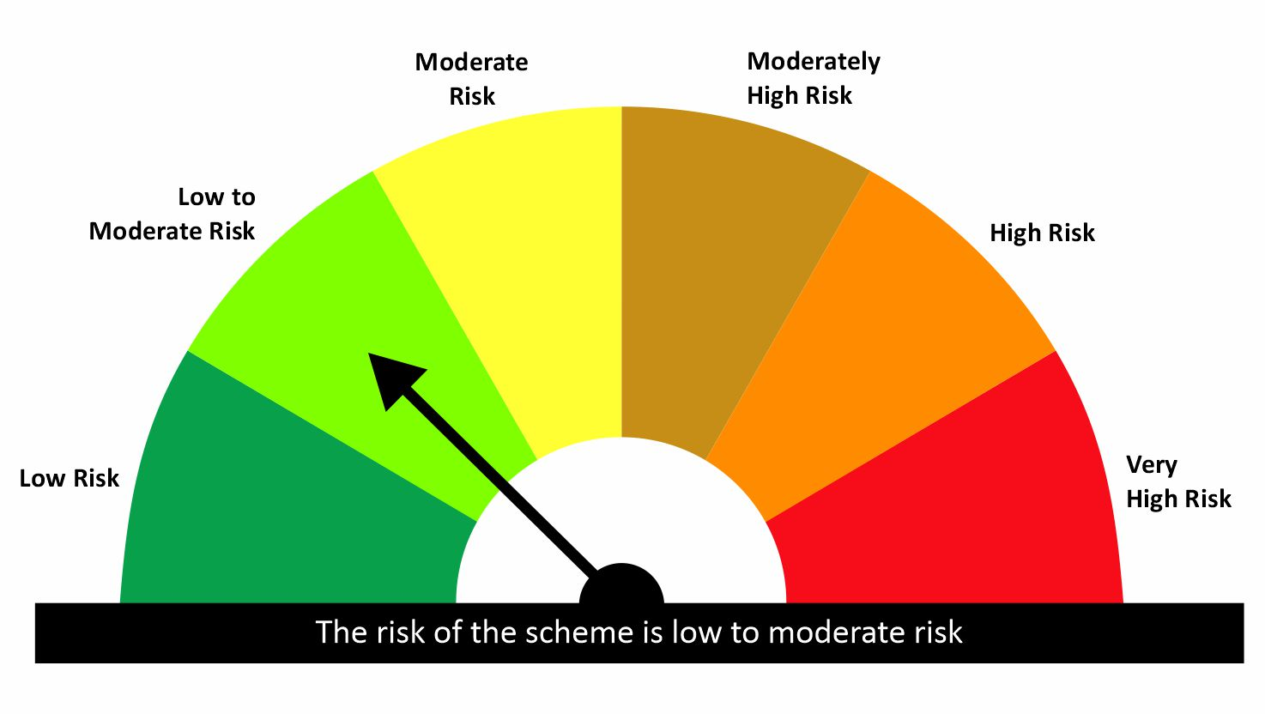

 |  |  |  | Scheme Riskometer |  | Benchmark Riskometer: CRISIL Liquid Debt A-I Index
Scheme Name |  |  | NAV as on date July 31, 2026
quant Liquid Fund - Daily IDCW |  |  | 12.6297
quant Liquid Fund - Growth |  |  | 43.8653
quant Liquid Fund - Monthly IDCW |  |  | 15.1539
quant Liquid Fund - Weekly IDCW |  |  | 14.5111
quant Liquid Fund - Growth Option - Direct Plan |  |  | 45.1556
quant Liquid Fund - Monthly IDCW - Direct Plan |  |  | 15.7576
quant Liquid Fund - Weekly IDCW - Direct Plan |  |  | 14.6976
quant Liquid Fund - Daily IDCW - Direct Plan |  |  | 13.1661

Since Inception Date = Date of First allotment in the Scheme / Plan. Past performance may or may not be sustained in the future. Returns are compounded annualized (CAGR) for more than 1 year. Load is not taken into consideration for computation of performance. Different plans viz. Regular Plan and Direct Plan have a different expense structure. The expenses of the Direct Plan under the Scheme will be lower to the extent of the distribution expenses / commission charged in the Regular Plan.

quant Gilt Fund |  |  |  |  |  |  | AUM in (Cr.) | 79.17
Period | Scheme Return(%) |  | Benchmark Return(%) | T-Bill Return (%) | Value of Rs.10,000 invested
 |  |  |  |  | Scheme |  | Benchmark | T-Bill
 | Direct | Regular |  |  | Direct | Regular
6 Months | 5.7 | 4.54 | 5.15 | 5.54 | 10285 | 10227 | 10258 | 10273
YTD | 2.9 | 2.23 | 2.51 |  | 10290 | 10223 | 10251
1 Year | 3.43 | 2.31 | 3.43 | 5.57 | 10343 | 10231 | 10343 | 10557
3 Years | 6.31 | 5.29 | 7.22 | 6.89 | 12015 | 11671 | 12327 | 12213
5 Years |  |  |  | 3.73 |  |  |  | 12009
SI | 6.56 | 5.54 | 7.34 |  | 12576 | 12149 | 12911

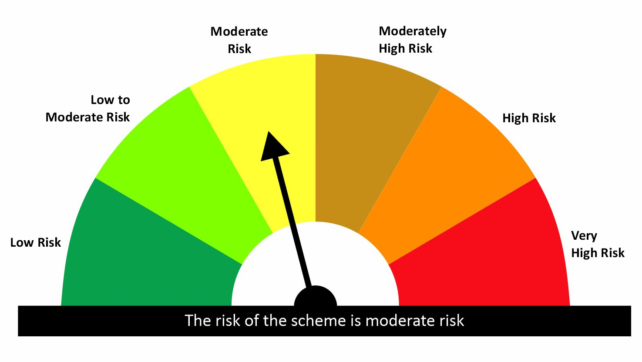

 |  |  |  | Scheme Riskometer |  | Benchmark Riskometer: CRISIL Dynamic Gilt Index
Scheme Name |  |  | NAV as on date July 31, 2026
quant Gilt Fund - Growth |  |  | 12.1493
quant Gilt Fund - IDCW |  |  | 12.1599
quant Gilt Fund - Growth - Direct Plan |  |  | 12.5759
quant Gilt Fund - IDCW - Direct Plan |  |  | 12.5641

Since Inception Date = Date of First allotment in the Scheme / Plan. Past performance may or may not be sustained in the future. Returns are compounded annualized (CAGR) for more than 1 year. Load is not taken into consideration for computation of performance. Different plans viz. Regular Plan and Direct Plan have a different expense structure. The expenses of the Direct Plan under the Scheme will be lower to the extent of the distribution expenses / commission charged in the Regular Plan.

quant Overnight Fund |  |  |  |  |  |  | AUM in (Cr.) | 56.28
Period | Scheme Return(%) |  | Benchmark Return(%) | T-Bill Return (%) | Value of Rs.10,000 invested
 |  |  |  |  | Scheme |  | Benchmark | T-Bill
 | Direct | Regular |  |  | Direct | Regular
7 Day | 4.95 | 4.84 | 4.45 | 5.77 | 10010 | 10009 | 10009 | 10011
15 Day | 4.82 | 4.74 | 4.42 | 5.72 | 10020 | 10020 | 10018 | 10021
1 Month | 5.06 | 5 | 5.28 | 5.64 | 10042 | 10042 | 10044 | 10046
3 Months | 5.05 | 4.98 | 5.25 | 5.6 | 10126 | 10125 | 10131 | 10137
6 Months | 4.91 | 4.82 | 5.09 | 5.54 | 10246 | 10241 | 10254 | 10273
YTD | 2.87 | 2.82 | 2.98 |  | 10287 | 10282 | 10298
1 Year | 5.12 | 5.03 | 5.32 | 5.57 | 10512 | 10503 | 10532 | 10557
3 Years | 6.24 | 6.15 | 6.16 | 6.89 | 11992 | 11960 | 11964 | 12213
5 Years |  |  |  | 3.73 |  |  |  | 12009
SI | 6.33 | 6.23 | 6.24 |  | 12516 | 12470 | 12476

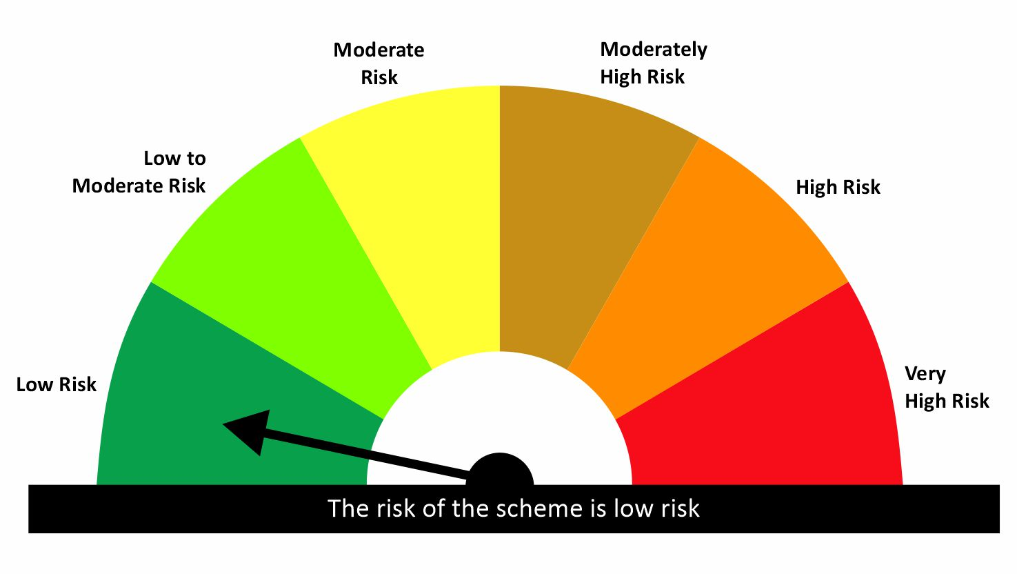

 |  |  |  | Scheme Riskometer |  | Benchmark Riskometer: CRISIL Liquid Overnight Index
Scheme Name |  |  | NAV as on date July 31, 2026
quant Overnight Fund - Growth |  |  | 12.47
quant Overnight Fund - IDCW |  |  | 12.4585
quant Overnight Fund - Growth - Direct Plan |  |  | 12.5159
quant Overnight Fund - IDCW - Direct Plan |  |  | 12.5211

Since Inception Date = Date of First allotment in the Scheme / Plan. Past performance may or may not be sustained in the future. Returns are compounded annualized (CAGR) for more than 1 year. Load is not taken into consideration for computation of performance. Different plans viz. Regular Plan and Direct Plan have a different expense structure. The expenses of the Direct Plan under the Scheme will be lower to the extent of the distribution expenses / commission charged in the Regular Plan.

Hybrid
quant Multi Asset Allocation Fund |  |  |  |  |  |  | AUM in (Cr.) | 6,356.37
Period | Scheme Return(%) |  | Benchmark Return(%) | Nifty Return(%) | Value of Rs.10,000 invested
 |  |  |  |  | Scheme |  | Benchmark | Nifty
 | Direct | Regular |  |  | Direct | Regular
1 Month | 0.95 | 0.84 | 1.81 | 2.37 | 10095 | 10084 | 10181 | 10237
3 Months | 4.3 | 3.98 | 1.2 | 2.28 | 10430 | 10398 | 10120 | 10228
6 Months | 4.24 | 3.61 | 1.05 | -2.98 | 10424 | 10361 | 10105 | 9702
YTD | 7.42 | 6.67 |  | -5.93 | 10742 | 10667 |  | 9407
1 Year | 20.56 | 19.12 | 11.56 | -0.43 | 12056 | 11912 | 11156 | 9957
3 Years | 22.5 | 20.96 | 11.83 | 8.57 | 18384 | 17697 | 13985 | 12798
5 Years | 19.82 | 18.08 | 10.03 | 10.41 | 24700 | 22954 | 16127 | 16405
SI | 16 | 11.81 |  | 12.27 | 74858 | 168362 |  | 323142

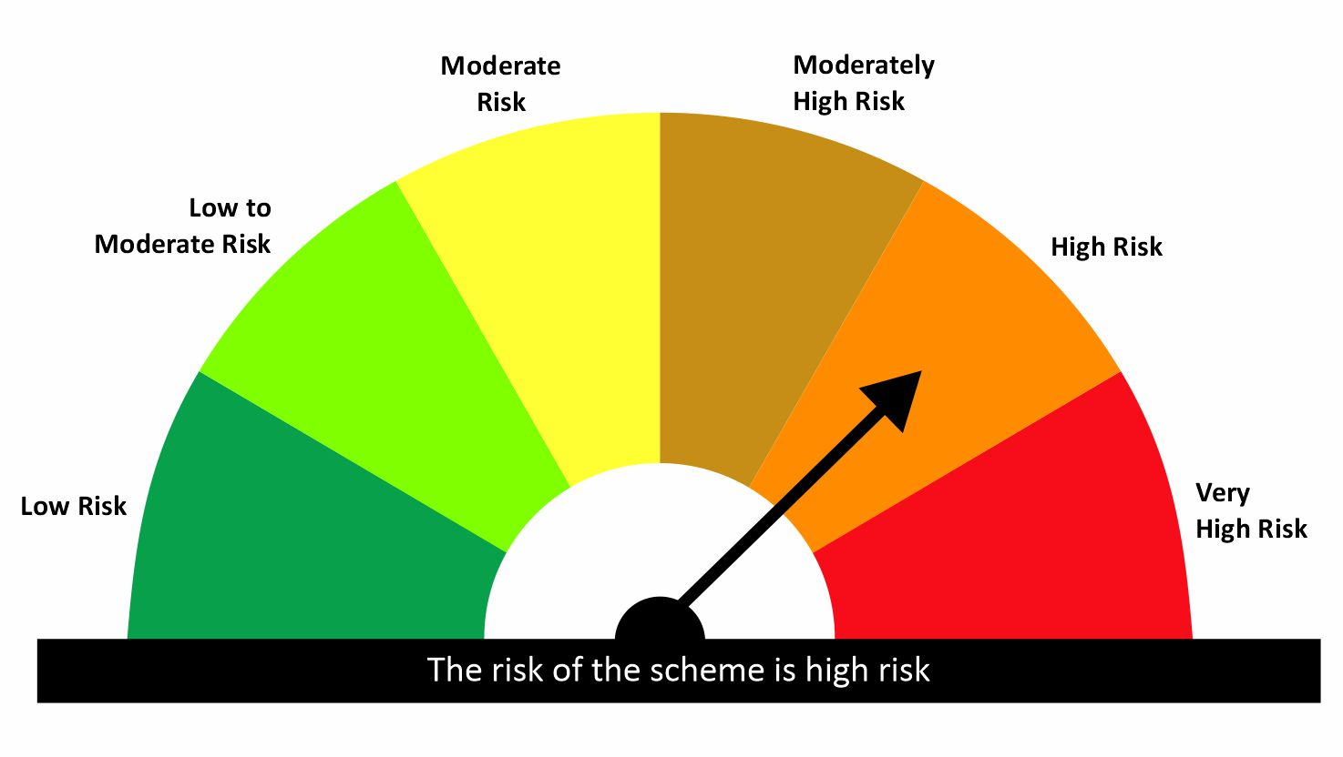
 |  |  |  | Scheme Riskometer |  | Benchmark Riskometer: 65% NIFTY 500 TRI + 15% CRISIL Short Term Bond Fund Index + 20% iCOMDEX Composite Index
Scheme Name |  |  | NAV as on date July 31, 2026
quant Multi Asset Allocation Fund - IDCW |  |  | 154.3348
quant Multi Asset Allocation Fund - Growth |  |  | 168.3604
quant Multi Asset Allocation Fund - IDCW - Direct Plan |  |  | 168.5638
quant Multi Asset Allocation Fund - Growth - Direct Plan |  |  | 182.9052

Since Inception Date = Date of First allotment in the Scheme / Plan. Past performance may or may not be sustained in the future. Returns are compounded annualized (CAGR) for more than 1 year. Load is not taken into consideration for computation of performance. Different plans viz. Regular Plan and Direct Plan have a different expense structure. The expenses of the Direct Plan under the Scheme will be lower to the extent of the distribution expenses / commission charged in the Regular Plan.

quant Aggressive Hybrid Fund |  |  |  |  |  |  | AUM in (Cr.) | 2,174.71
Period | Scheme Return(%) |  | Benchmark Return(%) | Nifty Return(%) | Value of Rs.10,000 invested
 |  |  |  |  | Scheme |  | Benchmark | Nifty
 | Direct | Regular |  |  | Direct | Regular
6 Months | 14.08 | 13.35 | -1.12 | -2.98 | 11408 | 11335 | 9888 | 9702
YTD | 8.13 | 7.33 | -3.24 | -5.99 | 10813 | 10733 | 9676 | 9401
1 Year | 13.55 | 12.1 | 0.72 | -0.43 | 11355 | 11210 | 10072 | 9957
3 Years | 14.27 | 12.79 | 7.95 | 8.57 | 14920 | 14350 | 12579 | 12798
5 Years | 13.86 | 12.38 | 8.92 | 10.41 | 19137 | 17928 | 15331 | 16405
SI | 16.75 | 16.42 | 10.88 | 12.27 | 81702 | 469991 | 40578 | 303338


 |  |  |  | Scheme Riskometer |  | Benchmark Riskometer: NIFTY 50 Hybrid Composite Debt 65:35 Index
Scheme Name |  |  | NAV as on date July 31, 2026
quant Aggressive Hybrid Fund - IDCW |  |  | 64.8246
quant Aggressive Hybrid Fund - Growth |  |  | 469.9919
quant Aggressive Hybrid Fund - IDCW - Direct Plan |  |  | 71.8575
quant Aggressive Hybrid Fund - Growth - Direct Plan |  |  | 518.8141

Since Inception Date = Date of First allotment in the Scheme / Plan. Past performance may or may not be sustained in the future. Returns are compounded annualized (CAGR) for more than 1 year. Load is not taken into consideration for computation of performance. Different plans viz. Regular Plan and Direct Plan have a different expense structure. The expenses of the Direct Plan under the Scheme will be lower to the extent of the distribution expenses / commission charged in the Regular Plan.

quant Dynamic Asset Allocation Fund |  |  |  |  |  |  | AUM in (Cr.) | 880.42
Period | Scheme Return(%) |  | Benchmark Return(%) | Nifty Return(%) | Value of Rs.10,000 invested
 |  |  |  |  | Scheme |  | Benchmark | Nifty
 | Direct | Regular |  |  | Direct | Regular
6 Months | 4.76 | 4 | -0.36 | -2.98 | 10476 | 10400 | 9964 | 9702
YTD | 0.03 | -0.8 | -2.09 | -5.99 | 10003 | 9920 | 9791 | 9401
1 Year | 0.9 | -0.54 | 1.15 | -0.43 | 10090 | 9946 | 10115 | 9957
3 Years | 15.08 | 13.39 | 7.62 | 8.57 | 15239 | 14578 | 12466 | 12798
5 Years
SI | 18 | 16.23 | 9.06 | 11.38 | 17270 | 16432 | 13318 | 14272

 |  |  |  | Scheme Riskometer |  | Benchmark Riskometer: NIFTY 50 Hybrid Composite debt 50:50 Index
Scheme Name |  |  | NAV as on date July 31, 2026
Quant Dynamic Asset Allocation Fund - Growth |  |  | 16.4323
Quant Dynamic Asset Allocation Fund - IDCW |  |  | 16.4339
Quant Dynamic Asset Allocation Fund - Growth - Direct Plan |  |  | 17.2701
Quant Dynamic Asset Allocation Fund - IDCW - Direct Plan |  |  | 17.2641

Since Inception Date = Date of First allotment in the Scheme / Plan. Past performance may or may not be sustained in the future. Returns are compounded annualized (CAGR) for more than 1 year. Load is not taken into consideration for computation of performance. Different plans viz. Regular Plan and Direct Plan have a different expense structure. The expenses of the Direct Plan under the Scheme will be lower to the extent of the distribution expenses / commission charged in the Regular Plan.

quant Arbitrage Fund |  |  |  |  |  |  | AUM in (Cr.) | 747.74
Period | Scheme Return(%) |  | Benchmark Return(%) | Nifty Return(%) | Value of Rs.10,000 invested
 |  |  |  |  | Scheme |  | Benchmark | Nifty
 | Direct | Regular |  |  | Direct | Regular
6 Months | 3.7 | 3.37 | 3.3 | -2.98 | 10370 | 10337 | 10330 | 9702
YTD | 4.49 | 4.11 | 4.16 | -5.99 | 10449 | 10411 | 10416 | 9401
1 Year | 7.53 | 6.87 | 7.31 | -0.43 | 10753 | 10687 | 10731 | 9957
3 Years
5 Years
SI | 7.49 | 6.85 | 7.07 | 6.28 | 11003 | 10916 | 10945 | 10839

 |  |  |  | Scheme Riskometer |  | Benchmark Riskometer: NIFTY 50 Arbitrage
Scheme Name |  |  | NAV as on date July 31, 2026
Quant Arbitrage Fund-Reg(G) |  |  | 10.9161
Quant Arbitrage Fund-Reg(IDCW) |  |  | 10.9164
Quant Arbitrage Fund(G)-Direct Plan |  |  | 11.0026
Quant Arbitrage Fund(IDCW)-Direct Plan |  |  | 10.9921

Since Inception Date = Date of First allotment in the Scheme / Plan. Past performance may or may not be sustained in the future. Returns are compounded annualized (CAGR) for more than 1 year. Load is not taken into consideration for computation of performance. Different plans viz. Regular Plan and Direct Plan have a different expense structure. The expenses of the Direct Plan under the Scheme will be lower to the extent of the distribution expenses / commission charged in the Regular Plan.

quant Equity Savings Fund |  |  |  |  |  |  | AUM in (Cr.) | 54.76
Period | Scheme Return(%) |  | Benchmark Return(%) | Nifty Return(%) | Value of Rs.10,000 invested
 |  |  |  |  | Scheme |  | Benchmark | Nifty
 | Direct | Regular |  |  | Direct | Regular
6 Months | 5.88 | 4.97 | 1.09 | -2.98 | 10588 | 10497 | 10109 | 9702
YTD | 6.35 | 5.29 | 0.27 | -5.99 | 10635 | 10529 | 10027 | 9401
1 Year | 8.16 | 6.32 | 4.12 | -0.43 | 10816 | 10632 | 10412 | 9957
3 Years
5 Years
SI | 8.18 | 6.34 | 3.7 | -1.51 | 10834 | 10646 | 10377 | 9846

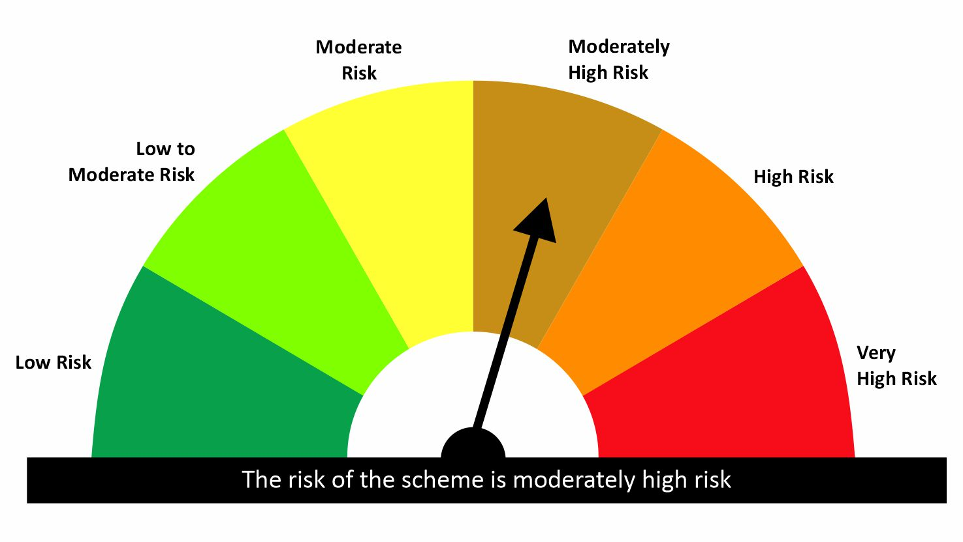
 |  |  |  | Scheme Riskometer |  | Benchmark Riskometer: NIFTY Equity Savings Index
Scheme Name |  |  | NAV as on date July 31, 2026
Quant Equity Savings Fund-Reg(G) |  |  | 10.6457
Quant Equity Savings Fund-Reg(IDCW) |  |  | 10.6453
Quant Equity Savings Fund(G)-Direct Plan |  |  | 10.8341
Quant Equity Savings Fund(IDCW)-Direct Plan |  |  | 10.8058

Since Inception Date = Date of First allotment in the Scheme / Plan. Past performance may or may not be sustained in the future. Returns are compounded annualized (CAGR) for more than 1 year. Load is not taken into consideration for computation of performance. Different plans viz. Regular Plan and Direct Plan have a different expense structure. The expenses of the Direct Plan under the Scheme will be lower to the extent of the distribution expenses / commission charged in the Regular Plan.

