Equity
quant Small Cap Fund |  |  |  |  |  |  | AUM in (Cr.) | 33,739.05
Period | Scheme Return(%) |  | Benchmark Return(%) | Nifty Return(%) | Value of Rs.10,000 invested
 |  |  |  |  | Scheme |  | Benchmark | Nifty
 | Direct | Regular |  |  | Direct | Regular
6 Months | 11.7 | 11.23 | 6.41 | -8.1 | 11170 | 11123 | 10641 | 9190
YTD | 11.65 | 11.18 | 6.52 | -8.16 | 11165 | 11118 | 10652 | 9184
1 Year | 8.93 | 7.99 | 0.15 | -5.42 | 10893 | 10799 | 10015 | 9458
3 Years | 21.79 | 20.66 | 19.62 | 8.81 | 18065 | 17568 | 17116 | 12882
5 Years | 21.02 | 19.6 | 16.81 | 9.99 | 25958 | 24476 | 21749 | 16097
SI | 17.77 | 11.92 | 15.86 | 12.16 | 90633 | 282239 | 72741

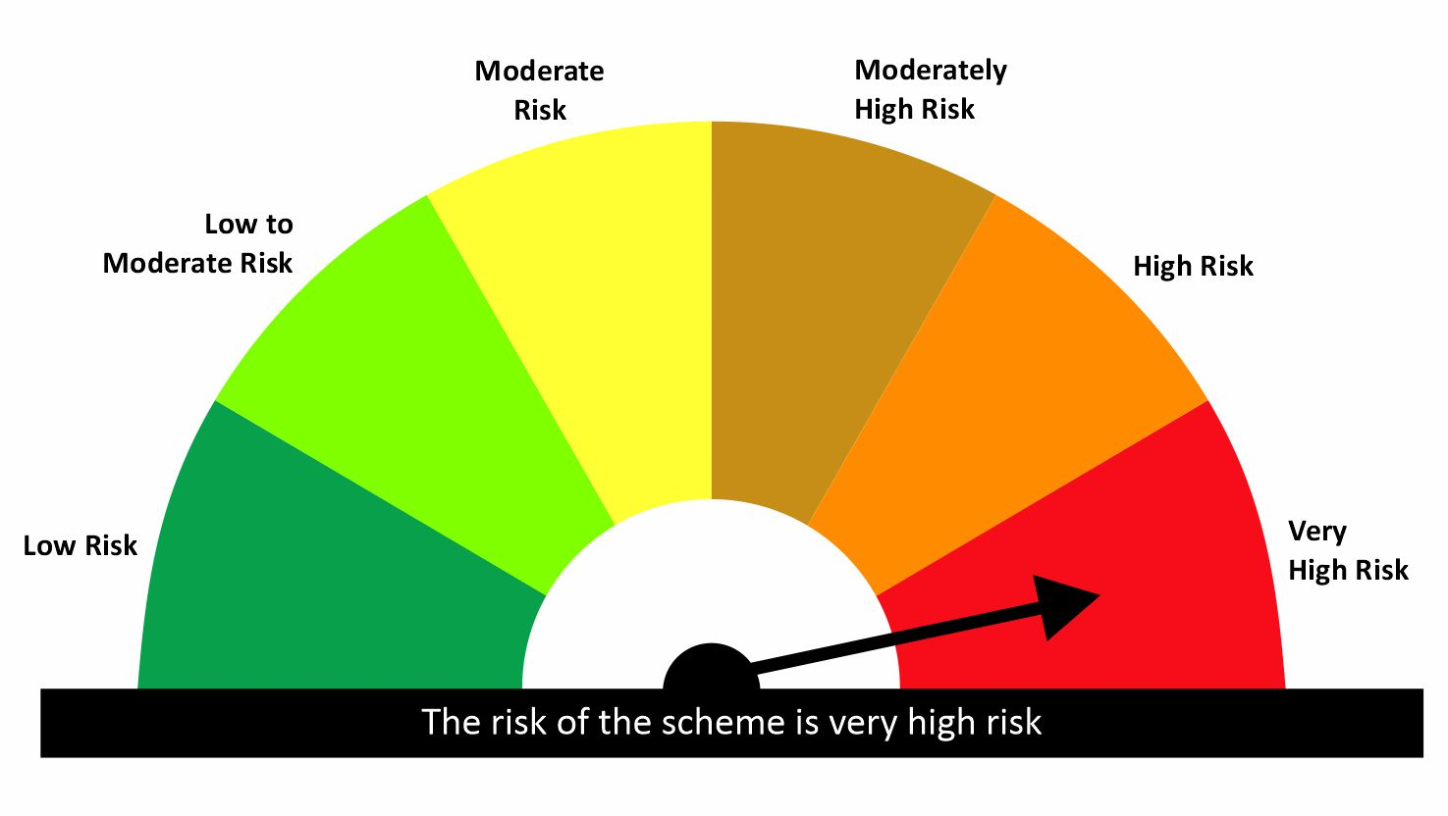

 |  |  |  | Scheme Riskometer |  | Benchmark Riskometer: NIFTY SMALLCAP 250 TRI
Scheme Name |  |  | NAV as on date June 30, 2026
quant Small Cap Fund - IDCW |  |  | 224.4509
quant Small Cap Fund - Growth |  |  | 282.2381
quant Small Cap Fund - Growth - Direct Plan |  |  | 309.1483
quant Small Cap Fund - IDCW - Direct Plan |  |  | 241.6584

Since Inception Date = Date of First allotment in the Scheme / Plan. Past performance may or may not be sustained in the future. Returns are compounded annualized (CAGR) for more than 1 year. Load is not taken into consideration for computation of performance. Different plans viz. Regular Plan and Direct Plan have a different expense structure. The expenses of the Direct Plan under the Scheme will be lower to the extent of the distribution expenses / commission charged in the Regular Plan.

quant ELSS Tax Saver Fund |  |  |  |  |  |  | AUM in (Cr.) | 13,143.38
Period | Scheme Return(%) |  | Benchmark Return(%) | Nifty Return(%) | Value of Rs.10,000 invested
 |  |  |  |  | Scheme |  | Benchmark | Nifty
 | Direct | Regular |  |  | Direct | Regular
6 Months | 6.86 | 6.34 | -3.2 | -8.1 | 10686 | 10634 | 9680 | 9190
YTD | 5.93 | 5.42 | -3.36 | -8.16 | 10593 | 10542 | 9664 | 9184
1 Year | 8.78 | 7.68 | -1.71 | -5.42 | 10878 | 10768 | 9829 | 9458
3 Years | 17.82 | 16.59 | 12.93 | 8.81 | 16357 | 15847 | 14403 | 12882
5 Years | 17.1 | 15.57 | 12.41 | 9.99 | 22017 | 20618 | 17945 | 16097
SI | 19.92 | 15.12 | 13.51 | 12.16 | 115629 | 400779 | 55181 | 223042

 |  |  |  | Scheme Riskometer |  | Benchmark Riskometer: NIFTY 500 TRI
Scheme Name |  |  | NAV as on date June 30, 2026
quant Tax Plan - IDCW |  |  | 55.6527
quant Tax Plan - Growth |  |  | 400.7789
quant Tax Plan - Growth - Direct Plan |  |  | 452.7087
quant Tax Plan - IDCW - Direct Plan |  |  | 60.3481

Since Inception Date = Date of First allotment in the Scheme / Plan. Past performance may or may not be sustained in the future. Returns are compounded annualized (CAGR) for more than 1 year. Load is not taken into consideration for computation of performance. Different plans viz. Regular Plan and Direct Plan have a different expense structure. The expenses of the Direct Plan under the Scheme will be lower to the extent of the distribution expenses / commission charged in the Regular Plan.

quant Mid Cap Fund |  |  |  |  |  |  | AUM in (Cr.) | 8,138.18
Period | Scheme Return(%) |  | Benchmark Return(%) | Nifty Return(%) | Value of Rs.10,000 invested
 |  |  |  |  | Scheme |  | Benchmark | Nifty
 | Direct | Regular |  |  | Direct | Regular
6 Months | 6.56 | 6.02 | 2.53 | -8.1 | 10656 | 10602 | 10253 | 9190
YTD | 6.67 | 6.13 | 2.11 | -8.16 | 10667 | 10613 | 10211 | 9184
1 Year | 1.26 | 0.21 | 4.22 | -5.42 | 10126 | 10021 | 10422 | 9458
3 Years | 16.95 | 15.67 | 20.05 | 8.81 | 15997 | 15475 | 17301 | 12882
5 Years | 17.93 | 16.17 | 18.29 | 9.99 | 22808 | 21160 | 23163 | 16097
SI | 16.9 | 13.04 | 18.14 | 12.16 | 81990 | 221503 | 94586 | 288043

 |  |  |  | Scheme Riskometer |  | Benchmark Riskometer: NIFTY MIDCAP 150 TRI
Scheme Name |  |  | NAV as on date June 30, 2026
quant Mid Cap Fund - IDCW |  |  | 78.7459
quant Mid Cap Fund - Growth |  |  | 221.5055
quant Mid Cap Fund - Growth - Direct Plan |  |  | 250.954
quant Mid Cap Fund - IDCW - Direct Plan |  |  | 88.1453

Since Inception Date = Date of First allotment in the Scheme / Plan. Past performance may or may not be sustained in the future. Returns are compounded annualized (CAGR) for more than 1 year. Load is not taken into consideration for computation of performance. Different plans viz. Regular Plan and Direct Plan have a different expense structure. The expenses of the Direct Plan under the Scheme will be lower to the extent of the distribution expenses / commission charged in the Regular Plan.

quant Multi Cap Fund |  |  |  |  |  |  | AUM in (Cr.) | 7,761.45
Period | Scheme Return(%) |  | Benchmark Return(%) | Nifty Return(%) | Value of Rs.10,000 invested
 |  |  |  |  | Scheme |  | Benchmark | Nifty
 | Direct | Regular |  |  | Direct | Regular
6 Months | 8.4 | 7.8 | -0.83 | -8.1 | 10840 | 10780 | 9917 | 9190
YTD | 7.91 | 7.32 | -0.97 | -8.16 | 10791 | 10732 | 9903 | 9184
1 Year | 3.3 | 2.16 | -0.61 | -5.42 | 10330 | 10216 | 9939 | 9458
3 Years | 13.42 | 12.18 | 15.3 | 8.81 | 14591 | 14116 | 15328 | 12882
5 Years | 14.24 | 12.81 | 14.2 | 9.99 | 19460 | 18271 | 19426 | 16097
SI | 18.44 | 18.06 | 14.96 | 12.16 | 97820 | 656227 | 65429 | 315676

 |  |  |  | Scheme Riskometer |  | Benchmark Riskometer: NIFTY500 MULTICAP 50 25 25 TRI
Scheme Name |  |  | NAV as on date June 30, 2026
quant Multi Cap Fund - IDCW |  |  | 75.0476
quant Multi Cap Fund - Growth |  |  | 656.2242
quant Multi Cap Fund - IDCW - Direct Plan |  |  | 83.7149
quant Multi Cap Fund - Growth - Direct Plan |  |  | 722.8683

Since Inception Date = Date of First allotment in the Scheme / Plan. Past performance may or may not be sustained in the future. Returns are compounded annualized (CAGR) for more than 1 year. Load is not taken into consideration for computation of performance. Different plans viz. Regular Plan and Direct Plan have a different expense structure. The expenses of the Direct Plan under the Scheme will be lower to the extent of the distribution expenses / commission charged in the Regular Plan.

quant Flexi Cap Fund |  |  |  |  |  |  | AUM in (Cr.) | 7,140.12
Period | Scheme Return(%) |  | Benchmark Return(%) | Nifty Return(%) | Value of Rs.10,000 invested
 |  |  |  |  | Scheme |  | Benchmark | Nifty
 | Direct | Regular |  |  | Direct | Regular
6 Months | 10.11 | 9.49 | -3.2 | -8.1 | 11011 | 10949 | 9680 | 9190
YTD | 9.26 | 8.65 | -3.36 | -8.16 | 10926 | 10865 | 9664 | 9184
1 Year | 10.39 | 9.14 | -1.71 | -5.42 | 11039 | 10914 | 9829 | 9458
3 Years | 19.28 | 17.89 | 12.93 | 8.81 | 16970 | 16384 | 14403 | 12882
5 Years | 17.06 | 15.79 | 12.41 | 9.99 | 21982 | 20818 | 17945 | 16097
SI | 18.83 | 14.41 | 13.51 | 12.16 | 102200 | 108404 | 55181 | 95882

 |  |  |  | Scheme Riskometer |  | Benchmark Riskometer: NIFTY 500 TRI
Scheme Name |  |  | NAV as on date June 30, 2026
quant Flexicap Fund - Growth |  |  | 108.4045
quant Flexicap Fund - IDCW |  |  | 77.4788
quant Flexicap Fund - Growth - Direct Plan |  |  | 121.7872
quant Flexicap Fund - IDCW - Direct Plan |  |  | 82.7841

Since Inception Date = Date of First allotment in the Scheme / Plan. Past performance may or may not be sustained in the future. Returns are compounded annualized (CAGR) for more than 1 year. Load is not taken into consideration for computation of performance. Different plans viz. Regular Plan and Direct Plan have a different expense structure. The expenses of the Direct Plan under the Scheme will be lower to the extent of the distribution expenses / commission charged in the Regular Plan.

quant Large & Mid Cap Fund |  |  |  |  |  |  | AUM in (Cr.) | 3,449.51
Period | Scheme Return(%) |  | Benchmark Return(%) | Nifty Return(%) | Value of Rs.10,000 invested
 |  |  |  |  | Scheme |  | Benchmark | Nifty
 | Direct | Regular |  |  | Direct | Regular
6 Months | 8.87 | 8.22 | -1.82 | -8.1 | 10887 | 10822 | 9818 | 9190
YTD | 8.41 | 7.76 | -2.09 | -8.16 | 10841 | 10776 | 9791 | 9184
1 Year | 5.67 | 4.38 | 0.27 | -5.42 | 10567 | 10438 | 10027 | 9458
3 Years | 18.72 | 17.2 | 15.3 | 8.81 | 16734 | 16099 | 15328 | 12882
5 Years | 17.96 | 16.23 | 14.47 | 9.99 | 22841 | 21210 | 19658 | 16097
SI | 18.13 | 13.79 | 15.48 | 12.16 | 94386 | 123843 | 69514 | 76597

 |  |  |  | Scheme Riskometer |  | Benchmark Riskometer: NIFTY LARGEMIDCAP 250 TRI
Scheme Name |  |  | NAV as on date June 30, 2026
quant Large & Mid Cap Fund - IDCW |  |  | 75.5942
quant Large & Mid Cap Fund - Growth |  |  | 123.8439
quant Large & Mid Cap Fund - IDCW - Direct Plan |  |  | 63.8648
quant Large & Mid Cap Fund - Growth - Direct Plan |  |  | 137.1599

Since Inception Date = Date of First allotment in the Scheme / Plan. Past performance may or may not be sustained in the future. Returns are compounded annualized (CAGR) for more than 1 year. Load is not taken into consideration for computation of performance. Different plans viz. Regular Plan and Direct Plan have a different expense structure. The expenses of the Direct Plan under the Scheme will be lower to the extent of the distribution expenses / commission charged in the Regular Plan.

quant Large Cap Fund |  |  |  |  |  |  | AUM in (Cr.) | 3,388.27
Period | Scheme Return(%) |  | Benchmark Return(%) | Nifty Return(%) | Value of Rs.10,000 invested
 |  |  |  |  | Scheme |  | Benchmark | Nifty
 | Direct | Regular |  |  | Direct | Regular
6 Months | 3.13 | 2.4 | -6.1 | -8.1 | 10313 | 10240 | 9390 | 9190
YTD | 2.39 | 1.66 | -6.22 | -8.16 | 10239 | 10166 | 9378 | 9184
1 Year | 3.43 | 1.92 | -3.64 | -5.42 | 10343 | 10192 | 9636 | 9458
3 Years | 15.61 | 13.89 | 10.47 | 8.81 | 15453 | 14771 | 13481 | 12882
5 Years
SI | 13.85 | 12.07 | 9.99 | 9.26 | 16550 | 15570 | 14478 | 14108

 |  |  |  | Scheme Riskometer |  | Benchmark Riskometer: NIFTY 100 TRI
Scheme Name |  |  | NAV as on date June 30, 2026
quant Large Cap Fund-Growth |  |  | 15.5697
quant Large Cap Fund-IDCW |  |  | 15.4835
quant Large Cap Fund Growth-Direct Plan |  |  | 16.5496
quant Large Cap Fund-IDCW-Direct Plan |  |  | 16.618

Since Inception Date = Date of First allotment in the Scheme / Plan. Past performance may or may not be sustained in the future. Returns are compounded annualized (CAGR) for more than 1 year. Load is not taken into consideration for computation of performance. Different plans viz. Regular Plan and Direct Plan have a different expense structure. The expenses of the Direct Plan under the Scheme will be lower to the extent of the distribution expenses / commission charged in the Regular Plan.

quant Infrastructure Fund |  |  |  |  |  |  | AUM in (Cr.) | 3,205.29
Period | Scheme Return(%) |  | Benchmark Return(%) | Nifty Return(%) | Value of Rs.10,000 invested
 |  |  |  |  | Scheme |  | Benchmark | Nifty
 | Direct | Regular |  |  | Direct | Regular
6 Months | 11.23 | 10.58 | -1.96 | -8.1 | 11123 | 11058 | 9804 | 9190
YTD | 10.31 | 9.66 | -2.6 | -8.16 | 11031 | 10966 | 9740 | 9184
1 Year | 10.16 | 8.83 | 0.7 | -5.42 | 11016 | 10883 | 10070 | 9458
3 Years | 22.16 | 20.62 | 18.92 | 8.81 | 18229 | 17551 | 16818 | 12882
5 Years | 21.07 | 19.37 | 17.88 | 9.99 | 26010 | 24232 | 22764 | 16097
SI | 17.5 | 7.9 | 11.42 | 12.16 | 87814 | 41720 | 42951 | 62734

 |  |  |  | Scheme Riskometer |  | Benchmark Riskometer: NIFTY INFRASTRUCTURE TRI
Scheme Name |  |  | NAV as on date June 30, 2026
quant Infrastructure Fund - IDCW |  |  | 41.6275
quant Infrastructure Fund - Growth |  |  | 41.7207
quant Infrastructure Fund - Growth - Direct Plan |  |  | 46.3134
quant Infrastructure Fund - IDCW - Direct Plan |  |  | 46.276

Since Inception Date = Date of First allotment in the Scheme / Plan. Past performance may or may not be sustained in the future. Returns are compounded annualized (CAGR) for more than 1 year. Load is not taken into consideration for computation of performance. Different plans viz. Regular Plan and Direct Plan have a different expense structure. The expenses of the Direct Plan under the Scheme will be lower to the extent of the distribution expenses / commission charged in the Regular Plan.

quant Value Fund |  |  |  |  |  |  | AUM in (Cr.) | 1,952.19
Period | Scheme Return(%) |  | Benchmark Return(%) | Nifty Return(%) | Value of Rs.10,000 invested
 |  |  |  |  | Scheme |  | Benchmark | Nifty
 | Direct | Regular |  |  | Direct | Regular
6 Months | 16.87 | 15.98 | -3.2 | -8.1 | 11687 | 11598 | 9680 | 9190
YTD | 16.07 | 15.19 | -3.36 | -8.16 | 11607 | 11519 | 9664 | 9184
1 Year | 17.37 | 15.58 | -1.71 | -5.42 | 11737 | 11558 | 9829 | 9458
3 Years | 25.61 | 23.71 | 12.93 | 8.81 | 19821 | 18934 | 14403 | 12882
5 Years
SI | 21.84 | 19.86 | 11.45 | 8.99 | 24716 | 22928 | 16430 | 14833

 |  |  |  | Scheme Riskometer |  | Benchmark Riskometer: NIFTY 500 TRI
Scheme Name |  |  | NAV as on date June 30, 2026
quant Value Fund REGULAR PLAN (GROWTH) |  |  | 22.9284
quant Value Fund REGULAR PLAN (IDCW) |  |  | 23.0541
quant Value Fund DIRECT PLAN (GROWTH) |  |  | 24.7159
quant Value Fund DIRECT PLAN (IDCW) |  |  | 23.4832

Since Inception Date = Date of First allotment in the Scheme / Plan. Past performance may or may not be sustained in the future. Returns are compounded annualized (CAGR) for more than 1 year. Load is not taken into consideration for computation of performance. Different plans viz. Regular Plan and Direct Plan have a different expense structure. The expenses of the Direct Plan under the Scheme will be lower to the extent of the distribution expenses / commission charged in the Regular Plan.

quant Quantamental Fund |  |  |  |  |  |  | AUM in (Cr.) | 1,652.82
Period | Scheme Return(%) |  | Benchmark Return(%) | Nifty Return(%) | Value of Rs.10,000 invested
 |  |  |  |  | Scheme |  | Benchmark | Nifty
 | Direct | Regular |  |  | Direct | Regular
6 Months | 8.5 | 7.81 | -4.53 | -8.1 | 10850 | 10781 | 9547 | 9190
YTD | 7.49 | 6.8 | -4.7 | -8.16 | 10749 | 10680 | 9530 | 9184
1 Year | 11 | 9.55 | -2.19 | -5.42 | 11100 | 10955 | 9781 | 9458
3 Years | 19.76 | 18.16 | 12.08 | 8.81 | 17177 | 16495 | 14081 | 12882
5 Years | 20.9 | 19.1 | 11.81 | 9.99 | 25829 | 23965 | 17472 | 16097
SI | 21.56 | 19.78 | 13.21 | 11.29 | 27380 | 25374 | 18964 | 17365

 |  |  |  | Scheme Riskometer |  | Benchmark Riskometer: NIFTY 200 TRI
Scheme Name |  |  | NAV as on date June 30, 2026
quant quantamental Fund - Regular Plan - Growth |  |  | 25.3745
quant quantamental Fund - Regular Plan - IDCW |  |  | 25.404
quant quantamental Fund - Growth - Direct Plan |  |  | 27.4467
quant quantamental Fund - IDCW - Direct Plan |  |  | 27.5976

Since Inception Date = Date of First allotment in the Scheme / Plan. Past performance may or may not be sustained in the future. Returns are compounded annualized (CAGR) for more than 1 year. Load is not taken into consideration for computation of performance. Different plans viz. Regular Plan and Direct Plan have a different expense structure. The expenses of the Direct Plan under the Scheme will be lower to the extent of the distribution expenses / commission charged in the Regular Plan.

quant Momentum Fund |  |  |  |  |  |  | AUM in (Cr.) | 1,374.94
Period | Scheme Return(%) |  | Benchmark Return(%) | Nifty Return(%) | Value of Rs.10,000 invested
 |  |  |  |  | Scheme |  | Benchmark | Nifty
 | Direct | Regular |  |  | Direct | Regular
6 Months | 7.33 | 6.7 | -3.2 | -8.1 | 10733 | 10670 | 9680 | 9190
YTD | 6.6 | 5.98 | -3.36 | -8.16 | 10660 | 10598 | 9664 | 9184
1 Year | 6.13 | 4.89 | -1.71 | -5.42 | 10613 | 10489 | 9829 | 9458
3 Years
5 Years
SI | 19.4 | 17.88 | 11.89 | 8.9 | 15882 | 15361 | 13406 | 12490

 |  |  |  | Scheme Riskometer |  | Benchmark Riskometer: NIFTY 500 TRI
Scheme Name |  |  | NAV as on date June 30, 2026
Quant Momentum Fund-Growth |  |  | 15.3606
Quant Momentum Fund-IDCW |  |  | 15.3119
Quant Momentum Fund-Growth-Direct Plan |  |  | 15.8823
Quant Momentum Fund-IDCW-Direct Plan |  |  | 15.8662

Since Inception Date = Date of First allotment in the Scheme / Plan. Past performance may or may not be sustained in the future. Returns are compounded annualized (CAGR) for more than 1 year. Load is not taken into consideration for computation of performance. Different plans viz. Regular Plan and Direct Plan have a different expense structure. The expenses of the Direct Plan under the Scheme will be lower to the extent of the distribution expenses / commission charged in the Regular Plan.

quant Business Cycle Fund |  |  |  |  |  |  | AUM in (Cr.) | 1,015.51
Period | Scheme Return(%) |  | Benchmark Return(%) | Nifty Return(%) | Value of Rs.10,000 invested
 |  |  |  |  | Scheme |  | Benchmark | Nifty
 | Direct | Regular |  |  | Direct | Regular
6 Months | 7.86 | 7.05 | -3.2 | -8.1 | 10786 | 10705 | 9680 | 9190
YTD | 7.21 | 6.41 | -3.36 | -8.16 | 10721 | 10641 | 9664 | 9184
1 Year | 3.23 | 1.67 | -1.71 | -5.42 | 10323 | 10167 | 9829 | 9458
3 Years | 18.83 | 17.01 | 12.93 | 8.81 | 16780 | 16021 | 14403 | 12882
5 Years
SI | 19.99 | 18.14 | 14.05 | 9.67 | 17548 | 16728 | 15004 | 13295

 |  |  |  | Scheme Riskometer |  | Benchmark Riskometer: NIFTY 500 TRI
Scheme Name |  |  | NAV as on date June 30, 2026
Quant Business Cycle Fund - Growth |  |  | 16.7277
Quant Business Cycle Fund - IDCW |  |  | 16.7437
Quant Business Cycle Fund - IDCW - Direct Plan |  |  | 17.5475
Quant Business Cycle Fund - Growth - Direct Plan |  |  | 17.5346

Since Inception Date = Date of First allotment in the Scheme / Plan. Past performance may or may not be sustained in the future. Returns are compounded annualized (CAGR) for more than 1 year. Load is not taken into consideration for computation of performance. Different plans viz. Regular Plan and Direct Plan have a different expense structure. The expenses of the Direct Plan under the Scheme will be lower to the extent of the distribution expenses / commission charged in the Regular Plan.

quant Focused Fund |  |  |  |  |  |  | AUM in (Cr.) | 845.84
Period | Scheme Return(%) |  | Benchmark Return(%) | Nifty Return(%) | Value of Rs.10,000 invested
 |  |  |  |  | Scheme |  | Benchmark | Nifty
 | Direct | Regular |  |  | Direct | Regular
6 Months | 6.85 | 6.07 | -3.2 | -8.1 | 10685 | 10607 | 9680 | 9190
YTD | 5.91 | 5.13 | -3.36 | -8.16 | 10591 | 10513 | 9664 | 9184
1 Year | 5.13 | 3.59 | -1.71 | -5.42 | 10513 | 10359 | 9829 | 9458
3 Years | 15.83 | 14.09 | 12.93 | 8.81 | 15542 | 14851 | 14403 | 12882
5 Years | 14.86 | 12.96 | 12.41 | 9.99 | 19990 | 18389 | 17945 | 16097
SI | 16.82 | 13.19 | 13.51 | 12.16 | 81274 | 91094 | 55181 | 70070

 |  |  |  | Scheme Riskometer |  | Benchmark Riskometer: NIFTY 500 TRI
Scheme Name |  |  | NAV as on date June 30, 2026
quant Focused Fund - Growth |  |  | 91.095
quant Focused Fund - IDCW |  |  | 67.7337
quant Focused Fund - Growth - Direct Plan |  |  | 102.4762
quant Focused Fund - IDCW - Direct Plan |  |  | 59.9042

Since Inception Date = Date of First allotment in the Scheme / Plan. Past performance may or may not be sustained in the future. Returns are compounded annualized (CAGR) for more than 1 year. Load is not taken into consideration for computation of performance. Different plans viz. Regular Plan and Direct Plan have a different expense structure. The expenses of the Direct Plan under the Scheme will be lower to the extent of the distribution expenses / commission charged in the Regular Plan.

quant BFSI Fund |  |  |  |  |  |  | AUM in (Cr.) | 837.94
Period | Scheme Return(%) |  | Benchmark Return(%) | Nifty Return(%) | Value of Rs.10,000 invested
 |  |  |  |  | Scheme |  | Benchmark | Nifty
 | Direct | Regular |  |  | Direct | Regular
6 Months | 6.2 | 5.38 | -3.25 | -8.1 | 10620 | 10538 | 9675 | 9190
YTD | 6.29 | 5.47 | -3.44 | -8.16 | 10629 | 10547 | 9656 | 9184
1 Year | 18.57 | 16.73 | -1.33 | -5.42 | 11857 | 11673 | 9867 | 9458
3 Years | 27.55 | 25.53 | 10.85 | 8.81 | 20753 | 19778 | 13621 | 12882
5 Years
SI | 28.62 | 26.57 | 11.78 | 9.43 | 21430 | 20411 | 14012 | 13138

 |  |  |  | Scheme Riskometer |  | Benchmark Riskometer: NIFTY FINANCIAL SERVICES TRI
Scheme Name |  |  | NAV as on date June 30, 2026
Quant BFSI Fund - Growth |  |  | 20.411
Quant BFSI Fund - IDCW |  |  | 20.4095
Quant BFSI Fund - Growth - Direct Plan |  |  | 21.4302
Quant BFSI Fund - IDCW - Direct Plan |  |  | 21.454

Since Inception Date = Date of First allotment in the Scheme / Plan. Past performance may or may not be sustained in the future. Returns are compounded annualized (CAGR) for more than 1 year. Load is not taken into consideration for computation of performance. Different plans viz. Regular Plan and Direct Plan have a different expense structure. The expenses of the Direct Plan under the Scheme will be lower to the extent of the distribution expenses / commission charged in the Regular Plan.

quant Manufacturing Fund |  |  |  |  |  |  | AUM in (Cr.) | 743.87
Period | Scheme Return(%) |  | Benchmark Return(%) | Nifty Return(%) | Value of Rs.10,000 invested
 |  |  |  |  | Scheme |  | Benchmark | Nifty
 | Direct | Regular |  |  | Direct | Regular
6 Months | 16.16 | 15.36 | 3.47 | -8.1 | 11616 | 11536 | 10347 | 9190
YTD | 15.34 | 14.54 | 3.12 | -8.16 | 11534 | 11454 | 10312 | 9184
1 Year | 12.8 | 11.21 | 10.09 | -5.42 | 11280 | 11121 | 11009 | 9458
3 Years
5 Years
SI | 21.36 | 19.52 | 19.95 | 8.62 | 17453 | 16703 | 16877 | 12685

 |  |  |  | Scheme Riskometer |  | Benchmark Riskometer: NIFTY INDIA MANUFACTURING TRI
Scheme Name |  |  | NAV as on date June 30, 2026
Quant Manufacturing Fund-Growth |  |  | 16.7025
Quant Manufacturing Fund-IDCW |  |  | 16.8299
Quant Manufacturing Fund-Growth-Direct Plan |  |  | 17.4534
Quant Manufacturing Fund-IDCW-Direct Plan |  |  | 17.4487

Since Inception Date = Date of First allotment in the Scheme / Plan. Past performance may or may not be sustained in the future. Returns are compounded annualized (CAGR) for more than 1 year. Load is not taken into consideration for computation of performance. Different plans viz. Regular Plan and Direct Plan have a different expense structure. The expenses of the Direct Plan under the Scheme will be lower to the extent of the distribution expenses / commission charged in the Regular Plan.

quant PSU Fund |  |  |  |  |  |  | AUM in (Cr.) | 473.19
Period | Scheme Return(%) |  | Benchmark Return(%) | Nifty Return(%) | Value of Rs.10,000 invested
 |  |  |  |  | Scheme |  | Benchmark | Nifty
 | Direct | Regular |  |  | Direct | Regular
6 Months | 3.97 | 3.27 | 2.05 | -8.1 | 10397 | 10327 | 10205 | 9190
YTD | 3.66 | 2.96 | 1.54 | -8.16 | 10366 | 10296 | 10154 | 9184
1 Year | 2.43 | 1.05 | 0.86 | -5.42 | 10243 | 10105 | 10086 | 9458
3 Years
5 Years
SI | 4.2 | 2.74 | 4.12 | 4.37 | 11019 | 10659 | 10999 | 11062

 |  |  |  | Scheme Riskometer |  | Benchmark Riskometer: NIFTY PSE TRI
Scheme Name |  |  | NAV as on date June 30, 2026
Quant PSU Fund-Growth |  |  | 10.6586
Quant PSU Fund-IDCW |  |  | 10.6583
Quant PSU Fund-Growth-Direct Plan |  |  | 11.0191
Quant PSU Fund-IDCW-Direct Plan |  |  | 11.0255

Since Inception Date = Date of First allotment in the Scheme / Plan. Past performance may or may not be sustained in the future. Returns are compounded annualized (CAGR) for more than 1 year. Load is not taken into consideration for computation of performance. Different plans viz. Regular Plan and Direct Plan have a different expense structure. The expenses of the Direct Plan under the Scheme will be lower to the extent of the distribution expenses / commission charged in the Regular Plan.

quant Healthcare Fund |  |  |  |  |  |  | AUM in (Cr.) | 391.06
Period | Scheme Return(%) |  | Benchmark Return(%) | Nifty Return(%) | Value of Rs.10,000 invested
 |  |  |  |  | Scheme |  | Benchmark | Nifty
 | Direct | Regular |  |  | Direct | Regular
6 Months | 15.2 | 14.28 | 10.55 | -8.1 | 11520 | 11428 | 11055 | 9190
YTD | 15.29 | 14.37 | 10.76 | -8.16 | 11529 | 11437 | 11076 | 9184
1 Year | 10.28 | 8.52 | 12.22 | -5.42 | 11028 | 10852 | 11222 | 9458
3 Years
5 Years
SI | 21.92 | 19.94 | 22.07 | 7.95 | 17957 | 17111 | 18023 | 12536

 |  |  |  | Scheme Riskometer |  | Benchmark Riskometer: NIFTY HEALTHCARE INDEX TRI
Scheme Name |  |  | NAV as on date June 30, 2026
Quant Healthcare Fund-Growth |  |  | 17.1112
Quant Healthcare Fund-IDCW |  |  | 17.1103
Quant Healthcare Fund-Growth-Direct Plan |  |  | 17.9568
Quant Healthcare Fund-IDCW-Direct Plan |  |  | 17.955

Since Inception Date = Date of First allotment in the Scheme / Plan. Past performance may or may not be sustained in the future. Returns are compounded annualized (CAGR) for more than 1 year. Load is not taken into consideration for computation of performance. Different plans viz. Regular Plan and Direct Plan have a different expense structure. The expenses of the Direct Plan under the Scheme will be lower to the extent of the distribution expenses / commission charged in the Regular Plan.

quant Commodities Fund |  |  |  |  |  |  | AUM in (Cr.) | 364.24
Period | Scheme Return(%) |  | Benchmark Return(%) | Nifty Return(%) | Value of Rs.10,000 invested
 |  |  |  |  | Scheme |  | Benchmark | Nifty
 | Direct | Regular |  |  | Direct | Regular
6 Months | 12.29 | 11.48 | 3.46 | -8.1 | 11229 | 11148 | 10346 | 9190
YTD | 11.19 | 10.39 | 2.71 | -8.16 | 11119 | 11039 | 10271 | 9184
1 Year | 11.91 | 10.29 | 10.84 | -5.42 | 11191 | 11029 | 11084 | 9458
3 Years
5 Years
SI | 19.1 | 17.32 | 11.47 | 5.21 | 15501 | 14926 | 13129 | 11359

 |  |  |  | Scheme Riskometer |  | Benchmark Riskometer: NIFTY COMMODITIES TRI
Scheme Name |  |  | NAV as on date June 30, 2026
Quant Commodities Fund-Growth |  |  | 14.9265
Quant Commodities Fund-IDCW |  |  | 14.9242
Quant Commodities Fund-Growth-Direct Plan |  |  | 15.5011
Quant Commodities Fund-IDCW-Direct Plan |  |  | 15.4962

Since Inception Date = Date of First allotment in the Scheme / Plan. Past performance may or may not be sustained in the future. Returns are compounded annualized (CAGR) for more than 1 year. Load is not taken into consideration for computation of performance. Different plans viz. Regular Plan and Direct Plan have a different expense structure. The expenses of the Direct Plan under the Scheme will be lower to the extent of the distribution expenses / commission charged in the Regular Plan.

quant ESG Integration Strategy Fund |  |  |  |  |  |  | AUM in (Cr.) | 312.31
Period | Scheme Return(%) |  | Benchmark Return(%) | Nifty Return(%) | Value of Rs.10,000 invested
 |  |  |  |  | Scheme |  | Benchmark | Nifty
 | Direct | Regular |  |  | Direct | Regular
6 Months | 15.75 | 14.88 | -6.02 | -8.1 | 11575 | 11488 | 9398 | 9190
YTD | 14.59 | 13.73 | -6.52 | -8.16 | 11459 | 11373 | 9348 | 9184
1 Year | 15.25 | 13.52 | -2.29 | -5.42 | 11525 | 11352 | 9771 | 9458
3 Years | 20.48 | 18.6 | 11.41 | 8.81 | 17487 | 16681 | 13829 | 12882
5 Years | 21.41 | 19.51 | 10.03 | 9.99 | 26381 | 24379 | 16129 | 16097
SI | 28.92 | 26.94 | 14.55 | 14.07 | 41979 | 38472 | 21542 | 21028

 |  |  |  | Scheme Riskometer |  | Benchmark Riskometer: NIFTY100 ESG TRI
Scheme Name |  |  | NAV as on date June 30, 2026
quant ESG Integration Strategy Fund - Regular Plan - Growth |  |  | 38.4724
quant ESG Integration Strategy Fund - Regular Plan - IDCW |  |  | 38.2855
quant ESG Integration Strategy Fund - Growth - Direct Plan |  |  | 41.9794
quant ESG Integration Strategy Fund - IDCW - Direct Plan |  |  | 41.9262

Since Inception Date = Date of First allotment in the Scheme / Plan. Past performance may or may not be sustained in the future. Returns are compounded annualized (CAGR) for more than 1 year. Load is not taken into consideration for computation of performance. Different plans viz. Regular Plan and Direct Plan have a different expense structure. The expenses of the Direct Plan under the Scheme will be lower to the extent of the distribution expenses / commission charged in the Regular Plan.

quant Teck Fund |  |  |  |  |  |  | AUM in (Cr.) | 250.50
Period | Scheme Return(%) |  | Benchmark Return(%) | Nifty Return(%) | Value of Rs.10,000 invested
 |  |  |  |  | Scheme |  | Benchmark | Nifty
 | Direct | Regular |  |  | Direct | Regular
6 Months | -5.99 | -6.72 | -29.86 | -8.1 | 9401 | 9328 | 7014 | 9190
YTD | -6.03 | -6.75 | -30.39 | -8.16 | 9397 | 9325 | 6961 | 9184
1 Year | -17.61 | -18.89 | -31.03 | -5.42 | 8239 | 8111 | 6897 | 9458
3 Years
5 Years
SI | 3.42 | 1.79 | -5.4 | 7.74 | 10988 | 10509 | 8560 | 12323

 |  |  |  | Scheme Riskometer |  | Benchmark Riskometer: NIFTY IT TRI
Scheme Name |  |  | NAV as on date June 30, 2026
Quant Teck Fund-Growth |  |  | 10.5091
Quant Teck Fund-IDCW |  |  | 10.5106
Quant Teck Fund-Growth-Direct Plan |  |  | 10.9877
Quant Teck Fund-IDCW-Direct Plan |  |  | 10.9819

Since Inception Date = Date of First allotment in the Scheme / Plan. Past performance may or may not be sustained in the future. Returns are compounded annualized (CAGR) for more than 1 year. Load is not taken into consideration for computation of performance. Different plans viz. Regular Plan and Direct Plan have a different expense structure. The expenses of the Direct Plan under the Scheme will be lower to the extent of the distribution expenses / commission charged in the Regular Plan.

quant Consumption Fund |  |  |  |  |  |  | AUM in (Cr.) | 201.35
Period | Scheme Return(%) |  | Benchmark Return(%) | Nifty Return(%) | Value of Rs.10,000 invested
 |  |  |  |  | Scheme |  | Benchmark | Nifty
 | Direct | Regular |  |  | Direct | Regular
6 Months | 6.1 | 5.3 | -6.03 | -8.1 | 10610 | 10530 | 9397 | 9190
YTD | 5.84 | 5.05 | -5.63 | -8.16 | 10584 | 10505 | 9437 | 9184
1 Year | 0.08 | -1.41 | -2.05 | -5.42 | 10008 | 9859 | 9795 | 9458
3 Years
5 Years
SI | 2 | 0.44 | 8.81 | 5.77 | 10493 | 10107 | 12278 | 11460

 |  |  |  | Scheme Riskometer |  | Benchmark Riskometer: NIFTY INDIA CONSUMPTION TRI
Scheme Name |  |  | NAV as on date June 30, 2026
Quant Consumption Fund-Growth |  |  | 10.1065
Quant Consumption Fund-IDCW |  |  | 10.1106
Quant Consumption Fund-Growth-Direct Plan |  |  | 10.4933
Quant Consumption Fund-IDCW-Direct Plan |  |  | 10.4981

Since Inception Date = Date of First allotment in the Scheme / Plan. Past performance may or may not be sustained in the future. Returns are compounded annualized (CAGR) for more than 1 year. Load is not taken into consideration for computation of performance. Different plans viz. Regular Plan and Direct Plan have a different expense structure. The expenses of the Direct Plan under the Scheme will be lower to the extent of the distribution expenses / commission charged in the Regular Plan.

Debt
quant Liquid Fund |  |  |  |  |  |  | AUM in (Cr.) | 1,254.81
Period | Scheme Return(%) |  | Benchmark Return(%) | T-Bill Return (%) | Value of Rs.10,000 invested
 |  |  |  |  | Scheme |  | Benchmark | T-Bill
 | Direct | Regular |  |  | Direct | Regular
7 Day | 8.03 | 7.72 | 6.42 | 5.79 | 10015 | 10015 | 10012 | 10011
15 Day | 7.02 | 6.72 | 5.67 | 5.91 | 10029 | 10028 | 10024 | 10022
1 Month | 7.04 | 6.77 | 7.12 | 6.03 | 10059 | 10056 | 10059 | 10049
3 Months | 6.17 | 5.88 | 6.7 | 5.65 | 10154 | 10147 | 10167 | 10138
6 Months | 6.06 | 5.76 | 6.27 | 5.54 | 10303 | 10288 | 10314 | 10273
YTD | 3.01 | 2.86 | 3.12 |  | 10301 | 10286 | 10312
1 Year | 6.05 | 5.75 | 6.12 | 5.57 | 10605 | 10575 | 10612 | 10557
3 Years | 6.83 | 6.55 | 6.83 | 6.87 | 12193 | 12096 | 12194 | 12206
5 Years | 6.19 | 5.91 | 6.15 | 3.89 | 13503 | 13324 | 13479 | 12102
SI | 7.15 | 7.37 | 6.72 |  | 25360 | 43665 | 24034

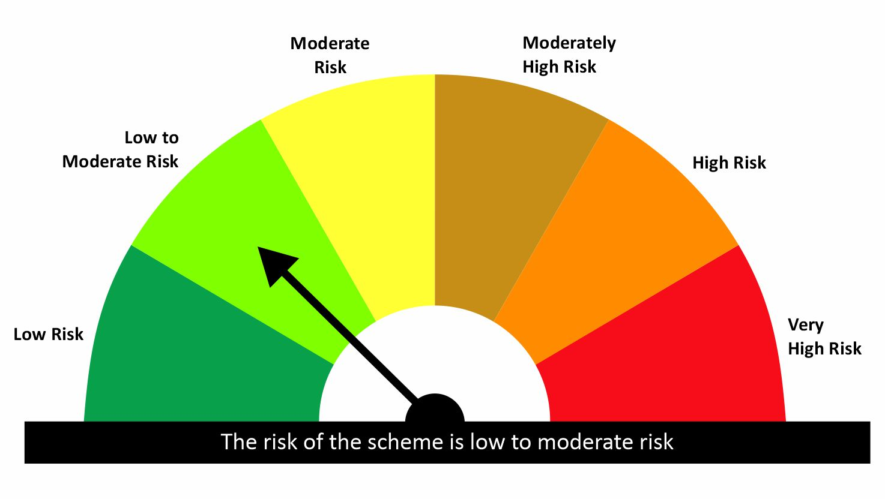

 |  |  |  | Scheme Riskometer |  | Benchmark Riskometer: CRISIL Liquid Fund A1 Index
Scheme Name |  |  | NAV as on date June 30, 2026
quant Liquid Fund - Daily IDCW |  |  | 12.6475
quant Liquid Fund - Growth |  |  | 43.6654
quant Liquid Fund - Monthly IDCW |  |  | 15.1472
quant Liquid Fund - Weekly IDCW |  |  | 14.5048
quant Liquid Fund - Growth Option - Direct Plan |  |  | 44.9392
quant Liquid Fund - Monthly IDCW - Direct Plan |  |  | 15.7448
quant Liquid Fund - Weekly IDCW - Direct Plan |  |  | 14.6873
quant Liquid Fund - Daily IDCW - Direct Plan |  |  | 13.1786

Since Inception Date = Date of First allotment in the Scheme / Plan. Past performance may or may not be sustained in the future. Returns are compounded annualized (CAGR) for more than 1 year. Load is not taken into consideration for computation of performance. Different plans viz. Regular Plan and Direct Plan have a different expense structure. The expenses of the Direct Plan under the Scheme will be lower to the extent of the distribution expenses / commission charged in the Regular Plan.

quant Gilt Fund |  |  |  |  |  |  | AUM in (Cr.) | 79.80
Period | Scheme Return(%) |  | Benchmark Return(%) | T-Bill Return (%) | Value of Rs.10,000 invested
 |  |  |  |  | Scheme |  | Benchmark | T-Bill
 | Direct | Regular |  |  | Direct | Regular
6 Months | 5.46 | 4.32 | 5.64 | 5.54 | 10273 | 10216 | 10282 | 10273
YTD | 2.76 | 2.19 | 2.77 |  | 10276 | 10219 | 10277
1 Year | 3.61 | 2.51 | 4.14 | 5.57 | 10361 | 10251 | 10414 | 10557
3 Years | 6.41 | 5.39 | 7.43 | 6.87 | 12050 | 11707 | 12400 | 12206
5 Years |  |  |  | 3.89 |  |  |  | 12102
SI | 6.68 | 5.67 | 7.6 |  | 12559 | 12145 | 12944

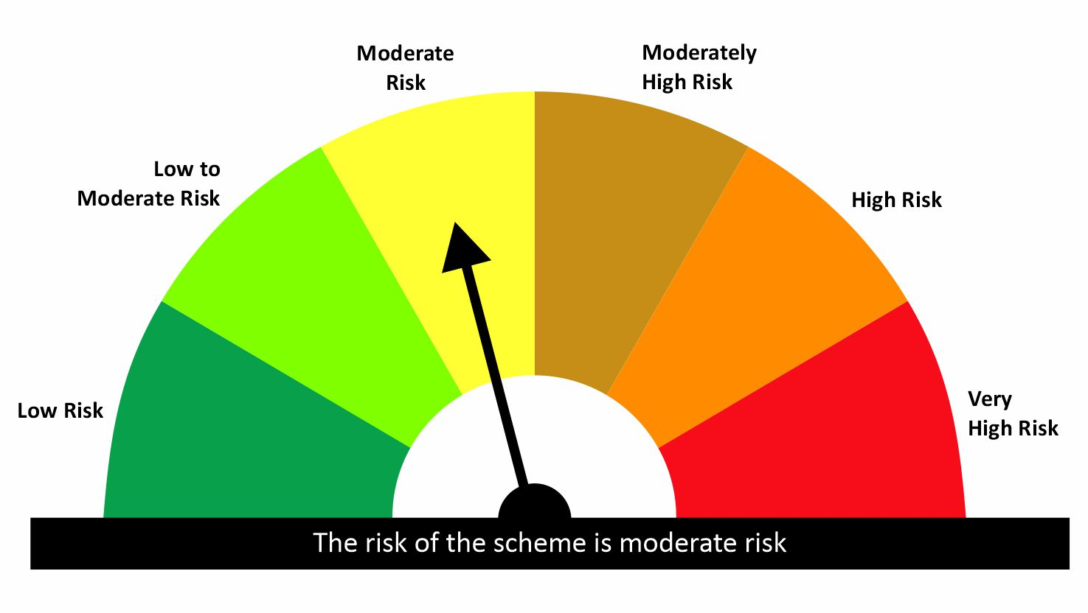

 |  |  |  | Scheme Riskometer |  | Benchmark Riskometer: CRISIL Dynamic Gilt Index
Scheme Name |  |  | NAV as on date June 30, 2026
quant Gilt Fund - Growth |  |  | 12.1449
quant Gilt Fund - IDCW |  |  | 12.1556
quant Gilt Fund - Growth - Direct Plan |  |  | 12.5591
quant Gilt Fund - IDCW - Direct Plan |  |  | 12.5501

Since Inception Date = Date of First allotment in the Scheme / Plan. Past performance may or may not be sustained in the future. Returns are compounded annualized (CAGR) for more than 1 year. Load is not taken into consideration for computation of performance. Different plans viz. Regular Plan and Direct Plan have a different expense structure. The expenses of the Direct Plan under the Scheme will be lower to the extent of the distribution expenses / commission charged in the Regular Plan.

quant Overnight Fund |  |  |  |  |  |  | AUM in (Cr.) | 55.49
Period | Scheme Return(%) |  | Benchmark Return(%) | T-Bill Return (%) | Value of Rs.10,000 invested
 |  |  |  |  | Scheme |  | Benchmark | T-Bill
 | Direct | Regular |  |  | Direct | Regular
7 Day | 5.72 | 5.66 | 4.54 | 5.79 | 10011 | 10011 | 10009 | 10011
15 Day | 5.27 | 5.19 | 4.49 | 5.91 | 10022 | 10022 | 10019 | 10022
1 Month | 4.99 | 4.93 | 5.14 | 6.03 | 10042 | 10041 | 10043 | 10049
3 Months | 4.93 | 4.86 | 5.13 | 5.65 | 10123 | 10121 | 10128 | 10138
6 Months | 4.9 | 4.81 | 5.09 | 5.54 | 10245 | 10240 | 10254 | 10273
YTD | 2.44 | 2.39 | 2.53 |  | 10244 | 10239 | 10253
1 Year | 5.17 | 5.08 | 5.33 | 5.57 | 10517 | 10508 | 10533 | 10557
3 Years | 6.3 | 6.2 | 6.2 | 6.87 | 12011 | 11978 | 11977 | 12206
5 Years |  |  |  | 3.89 |  |  |  | 12102
SI | 6.36 | 6.25 | 6.26 |  | 12463 | 12418 | 12422

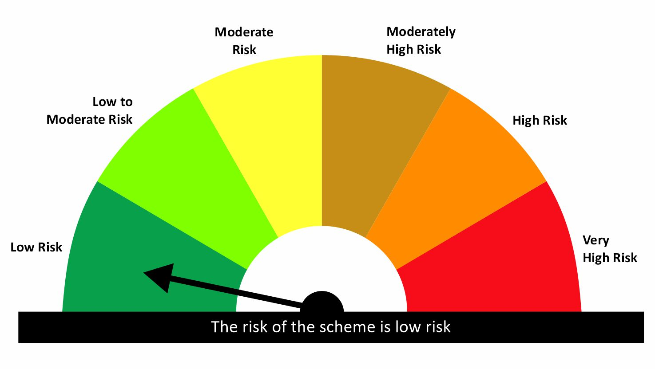

 |  |  |  | Scheme Riskometer |  | Benchmark Riskometer: CRISIL Liquid Overnight Index
Scheme Name |  |  | NAV as on date June 30, 2026
quant Overnight Fund - Growth |  |  | 12.4183
quant Overnight Fund - IDCW |  |  | 12.4068
quant Overnight Fund - Growth - Direct Plan |  |  | 12.4633
quant Overnight Fund - IDCW - Direct Plan |  |  | 12.4684

Since Inception Date = Date of First allotment in the Scheme / Plan. Past performance may or may not be sustained in the future. Returns are compounded annualized (CAGR) for more than 1 year. Load is not taken into consideration for computation of performance. Different plans viz. Regular Plan and Direct Plan have a different expense structure. The expenses of the Direct Plan under the Scheme will be lower to the extent of the distribution expenses / commission charged in the Regular Plan.

Hybrid
quant Multi Asset Allocation Fund |  |  |  |  |  |  | AUM in (Cr.) | 5,980.36
Period | Scheme Return(%) |  | Benchmark Return(%) | Nifty Return(%) | Value of Rs.10,000 invested
 |  |  |  |  | Scheme |  | Benchmark | Nifty
 | Direct | Regular |  |  | Direct | Regular
1 Month | -0.29 | -0.39 | -1.18 | 1.67 | 9971 | 9961 | 9882 | 10167
3 Months | 10.28 | 9.94 | 7.24 | 7.4 | 11028 | 10994 | 10724 | 10740
6 Months | 6.41 | 5.78 | -0.48 | -8.1 | 10641 | 10578 | 9952 | 9190
YTD | 6.41 | 5.78 |  | -8.1 | 10641 | 10578 |  | 9190
1 Year | 18.4 | 16.98 | 8.5 | -5.42 | 11840 | 11698 | 10850 | 9458
3 Years | 24.18 | 22.6 | 12.35 | 8.81 | 19148 | 18426 | 14181 | 12882
5 Years | 20.65 | 18.88 | 10.02 | 9.99 | 25561 | 23745 | 16120 | 16097
SI | 16.03 | 11.82 |  | 12.16 | 74158 | 166958 |  | 315676

 |  |  |  | Scheme Riskometer |  | Benchmark Riskometer: 15%CRISIL Short Term Bond Index + 65%BSE200 +20%iCOMDEX Composite Index
Scheme Name |  |  | NAV as on date June 30, 2026
quant Multi Asset Allocation Fund - IDCW |  |  | 153.0482
quant Multi Asset Allocation Fund - Growth |  |  | 166.9569
quant Multi Asset Allocation Fund - IDCW - Direct Plan |  |  | 166.9858
quant Multi Asset Allocation Fund - Growth - Direct Plan |  |  | 181.1927

Since Inception Date = Date of First allotment in the Scheme / Plan. Past performance may or may not be sustained in the future. Returns are compounded annualized (CAGR) for more than 1 year. Load is not taken into consideration for computation of performance. Different plans viz. Regular Plan and Direct Plan have a different expense structure. The expenses of the Direct Plan under the Scheme will be lower to the extent of the distribution expenses / commission charged in the Regular Plan.

quant Aggressive Hybrid Fund |  |  |  |  |  |  | AUM in (Cr.) | 2,144.66
Period | Scheme Return(%) |  | Benchmark Return(%) | Nifty Return(%) | Value of Rs.10,000 invested
 |  |  |  |  | Scheme |  | Benchmark | Nifty
 | Direct | Regular |  |  | Direct | Regular
6 Months | 8.32 | 7.63 | -4.59 | -8.1 | 10832 | 10763 | 9541 | 9190
YTD | 7.45 | 6.77 | -4.65 | -8.16 | 10745 | 10677 | 9535 | 9184
1 Year | 10 | 8.6 | -2.38 | -5.42 | 11000 | 10860 | 9762 | 9458
3 Years | 15.84 | 14.34 | 8.18 | 8.81 | 15544 | 14947 | 12658 | 12882
5 Years | 15.01 | 13.54 | 8.7 | 9.99 | 20121 | 18869 | 15175 | 16097
SI | 16.81 | 16.46 | 10.83 | 12.16 | 81187 | 467548 | 39986 | 296331

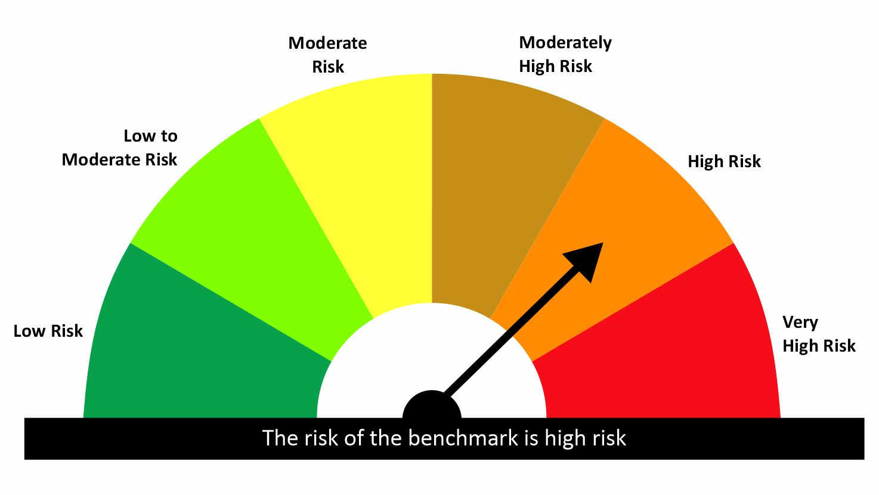
 |  |  |  | Scheme Riskometer |  | Benchmark Riskometer: NIFTY 50 Hybrid Composite Debt 65:35 Index
Scheme Name |  |  | NAV as on date June 30, 2026
quant Aggressive Hybrid Fund - IDCW |  |  | 64.4876
quant Aggressive Hybrid Fund - Growth |  |  | 467.5472
quant Aggressive Hybrid Fund - IDCW - Direct Plan |  |  | 71.4043
quant Aggressive Hybrid Fund - Growth - Direct Plan |  |  | 515.5411

Since Inception Date = Date of First allotment in the Scheme / Plan. Past performance may or may not be sustained in the future. Returns are compounded annualized (CAGR) for more than 1 year. Load is not taken into consideration for computation of performance. Different plans viz. Regular Plan and Direct Plan have a different expense structure. The expenses of the Direct Plan under the Scheme will be lower to the extent of the distribution expenses / commission charged in the Regular Plan.

quant Dynamic Asset Allocation Fund |  |  |  |  |  |  | AUM in (Cr.) | 905.21
Period | Scheme Return(%) |  | Benchmark Return(%) | Nifty Return(%) | Value of Rs.10,000 invested
 |  |  |  |  | Scheme |  | Benchmark | Nifty
 | Direct | Regular |  |  | Direct | Regular
6 Months | 0.65 | -0.07 | -3.09 | -8.1 | 10065 | 9994 | 9691 | 9190
YTD | 0.98 | 0.26 | -3.16 | -8.16 | 10098 | 10026 | 9684 | 9184
1 Year | -0.32 | -1.74 | -1.11 | -5.42 | 9968 | 9826 | 9889 | 9458
3 Years | 17.67 | 15.93 | 7.85 | 8.81 | 16291 | 15580 | 12543 | 12882
5 Years
SI | 18.86 | 17.08 | 8.94 | 10.88 | 17433 | 16608 | 13172 | 13943

 |  |  |  | Scheme Riskometer |  | Benchmark Riskometer: NIFTY 50 Hybrid Composite debt 50:50 Index
Scheme Name |  |  | NAV as on date June 30, 2026
Quant Dynamic Asset Allocation Fund - Growth |  |  | 16.6082
Quant Dynamic Asset Allocation Fund - IDCW |  |  | 16.6098
Quant Dynamic Asset Allocation Fund - Growth - Direct Plan |  |  | 17.4333
Quant Dynamic Asset Allocation Fund - IDCW - Direct Plan |  |  | 17.4273

Since Inception Date = Date of First allotment in the Scheme / Plan. Past performance may or may not be sustained in the future. Returns are compounded annualized (CAGR) for more than 1 year. Load is not taken into consideration for computation of performance. Different plans viz. Regular Plan and Direct Plan have a different expense structure. The expenses of the Direct Plan under the Scheme will be lower to the extent of the distribution expenses / commission charged in the Regular Plan.

quant Arbitrage Fund |  |  |  |  |  |  | AUM in (Cr.) | 553.39
Period | Scheme Return(%) |  | Benchmark Return(%) | Nifty Return(%) | Value of Rs.10,000 invested
 |  |  |  |  | Scheme |  | Benchmark | Nifty
 | Direct | Regular |  |  | Direct | Regular
6 Months | 3.65 | 3.32 | 3.4 | -8.1 | 10365 | 10332 | 10340 | 9190
YTD | 3.67 | 3.35 | 3.34 | -8.16 | 10367 | 10335 | 10334 | 9184
1 Year | 7.39 | 6.74 | 7.01 | -5.42 | 10739 | 10674 | 10701 | 9458
3 Years
5 Years
SI | 7.34 | 6.71 | 6.89 | 4.73 | 10916 | 10836 | 10859 | 10588

 |  |  |  | Scheme Riskometer |  | Benchmark Riskometer: NIFTY 50 Arbitrage
Scheme Name |  |  | NAV as on date June 30, 2026
Quant Arbitrage Fund-Reg(G) |  |  | 10.8363
Quant Arbitrage Fund-Reg(IDCW) |  |  | 10.8366
Quant Arbitrage Fund(G)-Direct Plan |  |  | 10.9162
Quant Arbitrage Fund(IDCW)-Direct Plan |  |  | 10.9064

Since Inception Date = Date of First allotment in the Scheme / Plan. Past performance may or may not be sustained in the future. Returns are compounded annualized (CAGR) for more than 1 year. Load is not taken into consideration for computation of performance. Different plans viz. Regular Plan and Direct Plan have a different expense structure. The expenses of the Direct Plan under the Scheme will be lower to the extent of the distribution expenses / commission charged in the Regular Plan.

quant Equity Savings Fund |  |  |  |  |  |  | AUM in (Cr.) | 51.85
Period | Scheme Return(%) |  | Benchmark Return(%) | Nifty Return(%) | Value of Rs.10,000 invested
 |  |  |  |  | Scheme |  | Benchmark | Nifty
 | Direct | Regular |  |  | Direct | Regular
6 Months | 5.2 | 4.3 | -0.84 | -8.1 | 10520 | 10430 | 9916 | 9190
YTD | 5.03 | 4.14 | -0.9 | -8.16 | 10503 | 10414 | 9910 | 9184
1 Year
3 Years
5 Years
SI | 7.51 | 5.68 | 2.74 | -4.08 | 10700 | 10529 | 10256 | 9619

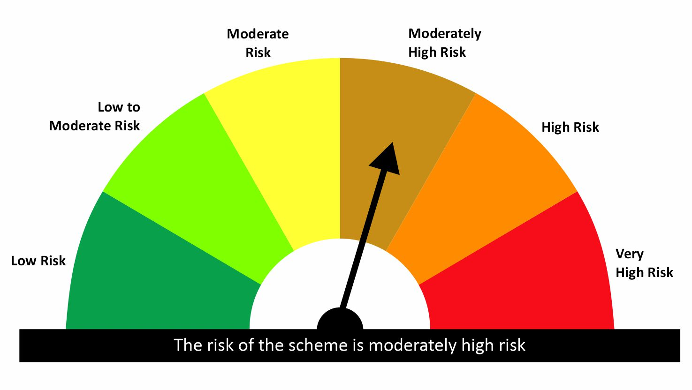
 |  |  |  | Scheme Riskometer |  | Benchmark Riskometer: NIFTY Equity Savings Index
Scheme Name |  |  | NAV as on date June 30, 2026
Quant Equity Savings Fund-Reg(G) |  |  | 10.529
Quant Equity Savings Fund-Reg(IDCW) |  |  | 10.5286
Quant Equity Savings Fund(G)-Direct Plan |  |  | 10.6997
Quant Equity Savings Fund(IDCW)-Direct Plan |  |  | 10.6748

Since Inception Date = Date of First allotment in the Scheme / Plan. Past performance may or may not be sustained in the future. Returns are compounded annualized (CAGR) for more than 1 year. Load is not taken into consideration for computation of performance. Different plans viz. Regular Plan and Direct Plan have a different expense structure. The expenses of the Direct Plan under the Scheme will be lower to the extent of the distribution expenses / commission charged in the Regular Plan.

